NN1
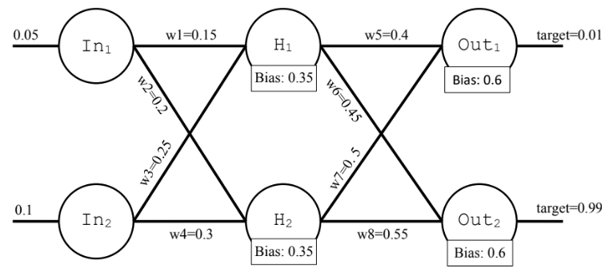

 | Learning rate | η = | 0.5

1 | Feed Forward

 | InputH1 | 0.3825 | OutputH1 | 0.59447593075
 | InputH2 | 0.39 | OutputH2 | 0.5962826993
 | InputOut1 | 1.1359317219 | OutputOut1 | 0.75693191544
 | InputOut2 | 1.1954696534 | OutputOut2 | 0.76771787981

 | ETotalH1 | 0.27895364315
 | ETotalH2 | 0.024704670479

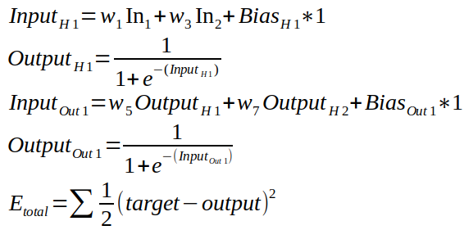
 | Etotal | 0.30365831363

2 | Back Propagation

 | W5 |  |  | W6
 | Etotal/OutputOut1 | 0.74693191544 |  | Etotal/OutputOut2 | -0.22228212019
 | OutputOut1/InputOut1 | 0.18398599083 |  | OutputOut2/InputOut2 | 0.17832713683
 | InputOut1/W5 | 0.59447593075 |  | InputOut1/W6 | 0.59447593075
 | Etotal/W5 | 0.081695859862 |  | Etotal/W6 | -0.023564392221
 | W5 | 0.35915207007 |  | W6 | 0.46178219611

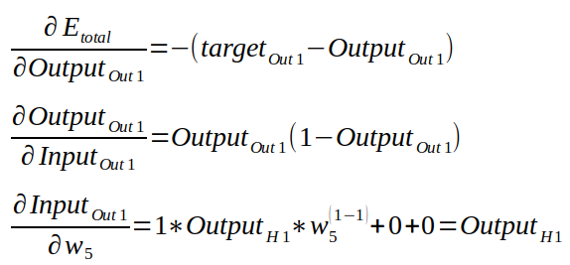
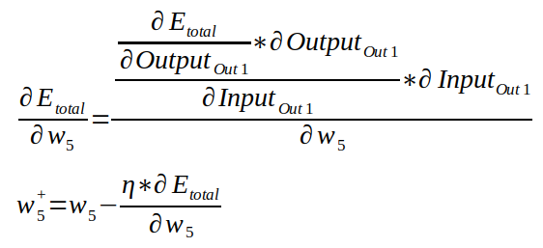
 | W7 |  |  | W8
 | Etotal/OutputOut2 | 0.74693191544 |  | Etotal/OutputOut2 | -0.22228212019
 | OutputOut2/InputOut2 | 0.18398599083 |  | OutputOut2/InputOut2 | 0.17832713683
 | InputOut2/W7 | 0.5962826993 |  | InputOut2/W8 | 0.5962826993
 | Etotal/W7 | 0.081944155045 |  | Etotal/W8 | -0.0236360106
 | W7 | 0.45902792248 |  | W8 | 0.5618180053

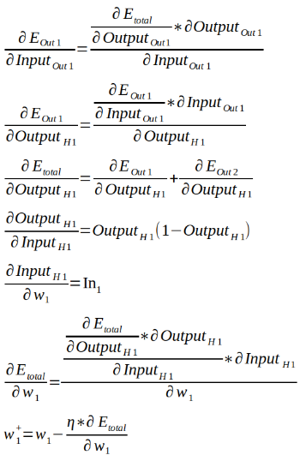

 | W1 |  |  |  | W2 |  |  | A
 | A | 0.13742500854 |  |  | A | -0.039638934063
 | B1-B2 | 0.054970003417 | 0.061841253845 |  | B1-B2 | -0.019819467031 | -0.021801413735
 | C | 0.11681125726 |  |  | C | -0.041620880766
 | D | 0.24107429851 |  |  | D | 0.24072964182 |  | B
 | E | 0.05 |  |  | E | 0.05
 | F | 0.0014080095951 |  |  | F | -0.00050096898594
 | W1 | 0.1492959952 |  |  | W2 | 0.20025048449 |  | C

 | W3 |  |  |  | W4 |  |  | D
 | A | 0.13742500854 |  |  | A | -0.039638934063
 | B1-B2 | 0.054970003417 | 0.061841253845 |  | B1-B2 | -0.019819467031 | -0.021801413735 | E
 | C | 0.11681125726 |  |  | C | -0.041620880766
 | D | 0.24107429851 |  |  | D | 0.24072964182
 | E | 0.1 |  |  | E | 0.1
 | F | 0.0028160191902 |  |  | F | -0.0010019379719
 | W3 | 0.2485919904 |  |  | W4 | 0.30050096899 |  | F

