reaction_table_w_phylogeni
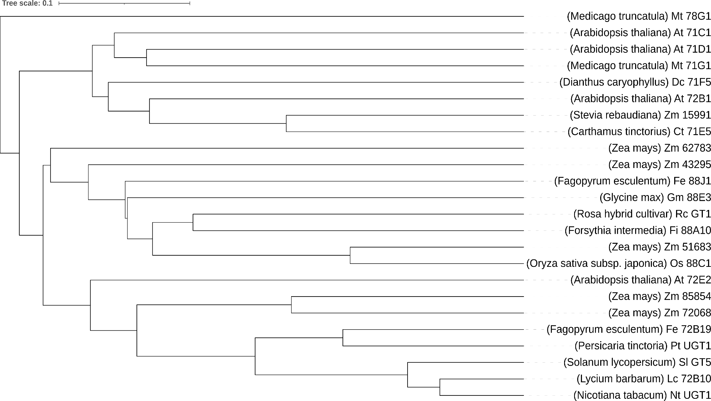
(-)-Epicatechin | 2,3,4-Trichlorophenol | 2,3-Dimethylbenzoic acid | 2,6-Dimethoxyphenol | 5-methyl-2-furanthiol | 3,4-Dichloroaniline | 3,4-Dichlorothiophenol | 6-Benzylaminopurine | Abscisic acid | Andrographolide | Arctigenin | Artemisinic acid | Atropine | Bergaptol | Boldine | Capsaicin | Carnosic acid | Cinnamic acid | Cinnamyl alcohol | Coniferyl alcohol | Corylifol A | Cyanidin | Dehydrodiisoeugenol | Dopamine | Ellagic acid | Erianin | Ethylparaben | Eucamalol | Eugenol | Evodine | Ferulic acid | Forskolin | Frambinone | Genistein | Geraniol | Gingerol | Ginkgolide B | Gomisin J | Guaiol | Higenamine | Hinokiol | Homovanillic acid | Honokiol | Hotrienol | (+/-)-Huperzine A | Hydroxytyrosol Acetate | Ilicic acid | Indole-3-carboxylic acid | Ingenol mebutate | Isoborneol | Isosteviol | L-Theanine | Levodopa | Linalool | Lovastatin | Luteolin | Madecassic acid | Menthol | Methyl Salicylate | Mollugin | Naringenin | Nerolidol | Noricaritin | Omacetaxine mepesuccinate | Patchouli alcohol | Perillyl alcohol | Phloretin | Pinoresinol | Procyanidin B2 | Pseudolarix acid B | Quercetin | Resveratrol | Reticuline | Santamarine | Scopoletin | Sesamol | Silibinin | Sophoraflavanone G | Synephrine | Syringic acid | Theaflavine | Thymol | Xanthotoxol | Zingerone | α-Terpineol | l-Menthol | p-Coumaryl alcohol

 | Reactive
 | Unreactive
 | Inconclusive reaction result or not tested

