Sheet1
X
Y

Sheet2
x: Harry Potter and Herminone Granger invented a new spell.
y: 1 1 0 1 1 0 0 0 0

$$y^{<1>}$$
$$y^{<2>}$$
$$y^{<3>}$$
$$y^{<T_{y}>}$$

$$w_{ya}$$
$$w_{ay}$$
$$w_{ay}$$
$$w_{ay}$$
$$w_{ay}$$

$$w_{aa}$$
$$w_{aa}$$
$$w_{aa}$$
$$w_{aa}$$

$$a^{<1>}$$
$$a^{<2>}$$
$$a^{<3>}$$
$$a^{<T_{x}>}$$
$$w_{ax}$$
$$w_{ax}$$
$$w_{ax}$$
$$w_{ax}$$

$$x^{<1>}$$
$$x^{<2>}$$
$$x^{<3>}$$
$$x^{<T_{x}>}$$

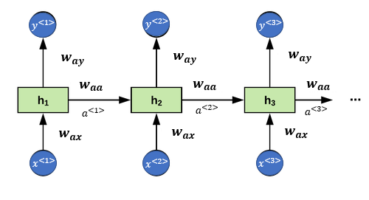

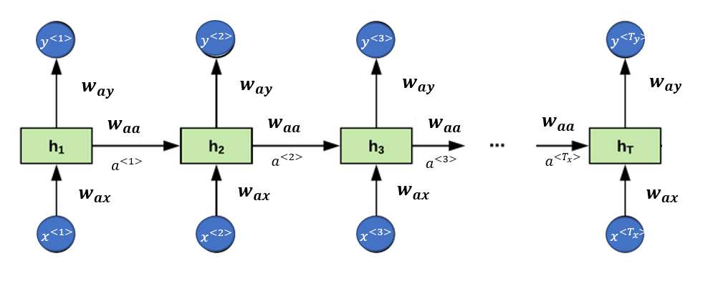

This is cool
 | Movie

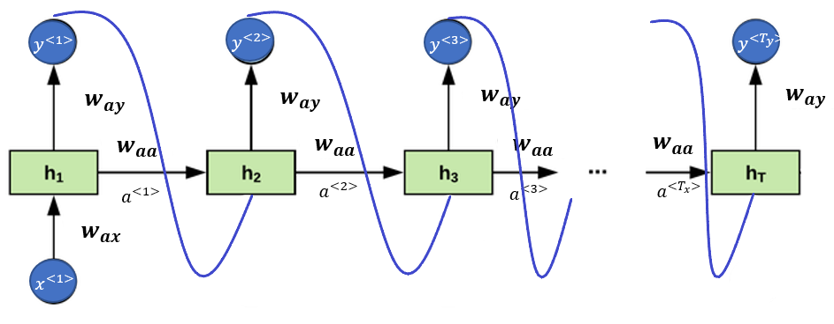

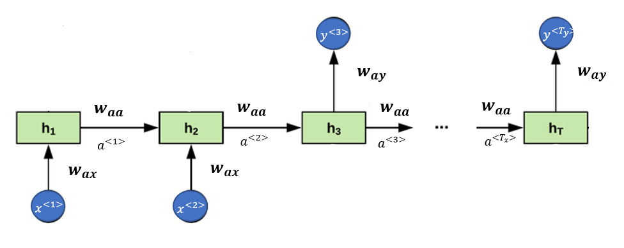
$$y^{<1>}$$

$$x^{<T_{x}>}$$

Decoder

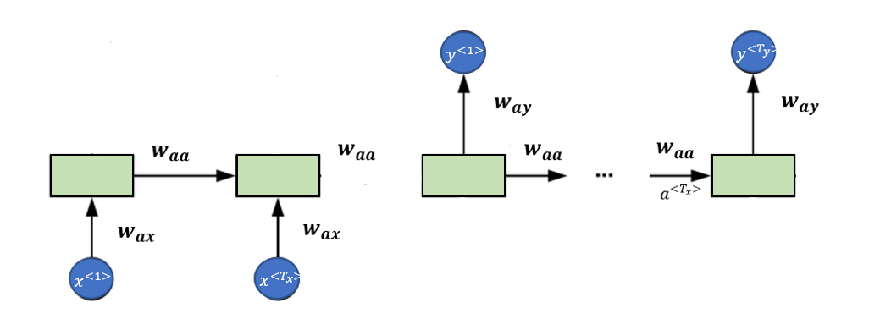

Encoder

Sheet3
10,002 way soft max output, if you have a 10,000-word vocabulary accounting for <unk> and <eos>

$$P(First Word)$$
$$P(′events^{′}|^{′}Adverse^{′})$$
$$P(′are^{′}|Adverse^{′}, ′events′)$$
$$P(′<eos>^{′}|………)$$

$${\hat{y}}^{<1>}$$
$${\hat{y}}^{<2>}$$
$${\hat{y}}^{<3>}$$
$${\hat{y}}^{<10>}$$

...
$$a^{<0>}=\vec{0}$$
$$a^{<1>}$$
$$a^{<2>}$$
$$a^{<3>}$$
$$a^{<10>}$$

$$x^{<1>}=\vec{0}$$
$$x^{<2>}=y^{<1>}$$
$$x^{<2>}=y^{<1>}$$
$$x^{<10>}=y^{<9>}$$

Adverse events are recorded in textual or ‘verbatim’ terms <eos>
$$y^{<1>}$$
$$y^{<2>}$$
$$y^{<9>}$$
$$y^{<10>}$$

$$P(′…′|^{}{\hat{y}}^{<1>})$$

$${\hat{y}}^{<1>}$$
$${\hat{y}}^{<2>}$$
$${\hat{y}}^{<3>}$$
$${\hat{y}}^{<10>}$$

...
$$a^{<0>}=\vec{0}$$
$$a^{<1>}$$
$$a^{<2>}$$
$$a^{<3>}$$
$$a^{<10>}$$

$$x^{<1>}=\vec{0}$$

Adverse events are recorded in textual or ‘verbatim’ terms <eos>
$$y^{<1>}$$
$$y^{<2>}$$
$$y^{<9>}$$
$$y^{<10>}$$

Adverse events are recorded in textual or ‘verbatim’ terms <eos>

