Sheet1
Item | Quantity | Image/Link | Notes
Mounted on custom breadboard:
Thorlabs MBT501 translation stage | 1 | https://www.thorlabs.com/thorproduct.cfm?partnumber=MBT501
Thorlabs MBT401D waveguide manipulator | 1 | https://www.thorlabs.com/thorproduct.cfm?partnumber=MBT401D
Thorlabs HFB004 fiber holder | 1 | https://www.thorlabs.com/thorproduct.cfm?partnumber=HFB004
Thorlabs ID25 mounted iris | 2 | https://www.thorlabs.com/thorproduct.cfm?partnumber=ID25/M
Thorlabs KS2RS rotation mount | 1 | https://www.thorlabs.com/thorproduct.cfm?partnumber=KS2RS
Edmund 35-538 off-axis parabola | 1 | https://www.edmundoptics.com/p/254-x-381mm-pfl-15-off-axis-parabolic-aluminum-mirror/33421/
Edmund 47-111 off-axis parabola mount plate | 1 | https://www.edmundoptics.com/p/mounting-plate-for-254mm-diameter-off-axis-mirrors/7149/
Thorlabs RP005 rotation stage | 5 | https://www.thorlabs.com/thorproduct.cfm?partnumber=RP005
Thorlabs KS2 mirror mount | 1 | https://www.thorlabs.com/thorproduct.cfm?partnumber=KS2#ad-image-0
Thorlabs DM140A-35-UP01 deformable mirror | 1 | https://www.thorlabs.com/thorproduct.cfm?partnumber=DM140A-35-UP01 | Product tag: 17BW007#083
Thorlabs MT1 translation stage | 1 | https://www.thorlabs.com/thorproduct.cfm?partnumber=MT1#ad-image-0
Beamsplitter | 1 |  | Couldn't find specs; maybe this: https://www.thorlabs.com/thorproduct.cfm?partnumber=BSW22
Flat mirror | 2 |  | Maybe this: https://www.thorlabs.com/thorproduct.cfm?partnumber=PF05-03-G01
Thorlabs MK05 mirror mount | 3 | https://www.thorlabs.com/thorproduct.cfm?partnumber=MK05#ad-image-0
Right-angle prism | 1 |  | Couldn't find specs, maybe this: https://www.thorlabs.com/thorproduct.cfm?partnumber=PS610
Thorlabs FBTB rotation mount | 1 | https://www.thorlabs.com/thorproduct.cfm?partnumber=FBTB
Vortex waveplate | 1 |  | Couldn't find specs
Vortex waveplate mount | 1 | 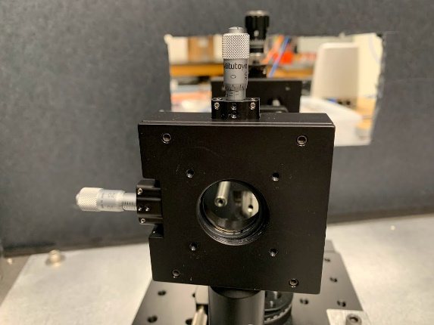 | Couldn't find specs
Thorlabs XRNR1 rotation stage | 1 | https://www.thorlabs.com/thorproduct.cfm?partnumber=XRNR1
Thorlabs TBB0606 translation stage | 1 | https://www.thorlabs.com/thorproduct.cfm?partnumber=TBB0606
Thorlabs SM1Z translation mount | 1 | https://www.thorlabs.com/thorProduct.cfm?partNumber=SM1Z#ad-image-0
Lens to couple into fiber | 1 |  | Maybe this: https://www.thorlabs.com/thorproduct.cfm?partnumber=TRS127-020-A
Fiber port mount | 1 | 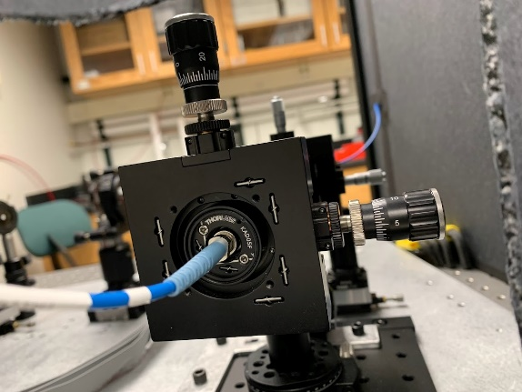 | Couldn't find specs
Generic posts and holders | ~9
Thorlabs RSHT1.5 post holder | 1 | https://www.thorlabs.com/thorproduct.cfm?partnumber=RSHT1.5
Small linear translation stage | 5 |  | Couldn't find specs; similar to: https://www.thorlabs.com/thorproduct.cfm?partnumber=MT1B#ad-image-0
P1-630PM-FC-2-PM fiber | 2 | https://www.thorlabs.com/thorproduct.cfm?partnumber=P1-630PM-FC-2
Not attached to main breadboard:
Thorlabs S1FC635PM laser source and associated cables |  | https://www.thorlabs.com/thorproduct.cfm?partnumber=S1FC635PM
Thorlabs S120C power meter and associated cables | 1 | https://www.thorlabs.com/thorproduct.cfm?partnumber=S120C
PM 101 power meter interface and associated cables | 1 | https://www.thorlabs.com/thorproduct.cfm?partnumber=PM101
Tektronix TDS 2012 oscilloscope and associated cables | 1 | https://www.newark.com/tektronix/tds2012c/oscilloscope-digital-storage-2/dp/86R8479
Thorlabs DET02AFC photodetector | 1 | https://www.thorlabs.com/thorproduct.cfm?partnumber=DET02AFC#ad-image-0
Dell Laptop and associated cables | 1 |  | Service tag: DKXK662
Enclosure | 1 | 