100k_NB vs hdc_wkdy
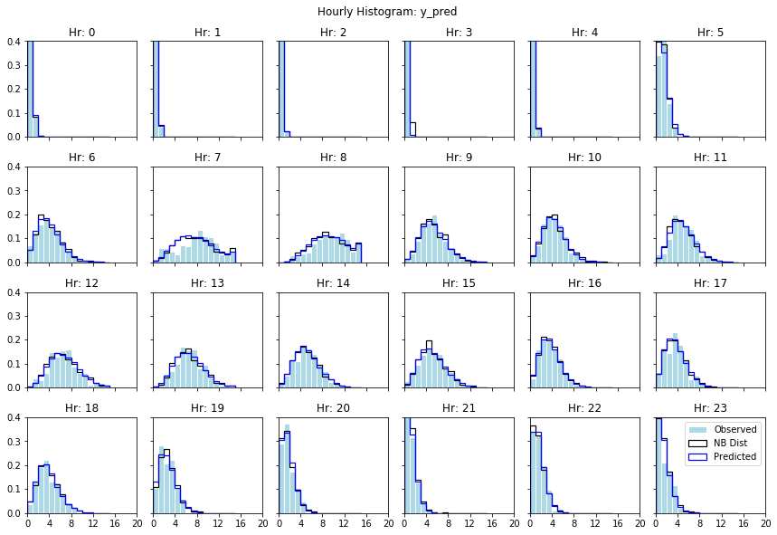
1198024_100ksmpl_10ktune_NB | hdc_wkdy.csv
Note: Predictions and comparisons made from the same dataset.

Average % Error Per Hour |  | Neg Binomial Parameters
Hr | Err | Hr | mu | alpha
0 | 0.1% | 0 | 0.10 | 6.45
1 | 0.1% | 1 | 0.05 | 6.04
2 | 0.0% | 2 | 0.02 | 6.39
3 | 0.0% | 3 | 0.06 | 5.86
4 | 0.0% | 4 | 0.04 | 6.65
5 | 1.6% | 5 | 0.91 | 19.10
6 | 0.7% | 6 | 3.56 | 8.35
7 | 2.4% | 7 | 7.56 | 7.52
8 | 1.2% | 8 | 9.25 | 17.78
9 | 0.9% | 9 | 4.78 | 27.59
10 | 0.6% | 10 | 3.94 | 29.59
11 | 1.1% | 11 | 4.42 | 26.84
12 | 1.6% | 12 | 6.24 | 25.63
13 | 1.3% | 13 | 6.15 | 42.51
14 | 1.0% | 14 | 4.74 | 21.75
15 | 0.9% | 15 | 4.64 | 17.16
16 | 0.6% | 16 | 3.20 | 18.39
17 | 1.3% | 17 | 3.15 | 14.09
18 | 0.8% | 18 | 3.39 | 17.42
19 | 1.2% | 19 | 2.23 | 15.18
20 | 0.8% | 20 | 1.28 | 10.06
21 | 0.2% | 21 | 0.79 | 6.31
22 | 0.4% | 22 | 1.16 | 8.86
23 | 1.5% | 23 | 1.01 | 3.02
Mean | 0.83%
 |  | Mean | 3.03 | 15.36
Plot Params
 |  | StdDev | 2.55 | 9.65

10k_NB_hdc80 vs test20
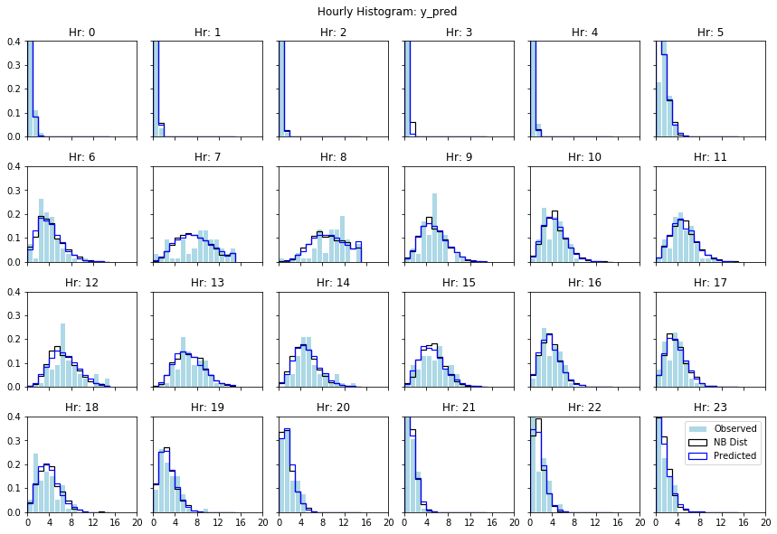
1198112_10k_NB_hdc-wkdy80 | hdc_wkdy20.csv

Average % Error Per Hour |  | Neg Binomial Parameters
Hr | Err | Hr | mu | alpha
0 | 0.6% | 0 | 0.09 | 12.81
1 | 0.2% | 1 | 0.05 | 11.12
2 | 0.1% | 2 | 0.03 | 12.44
3 | 0.1% | 3 | 0.06 | 11.88
4 | 0.4% | 4 | 0.03 | 12.53
5 | 2.9% | 5 | 0.87 | 23.12
6 | 2.6% | 6 | 3.59 | 8.71
7 | 3.6% | 7 | 7.50 | 8.46
8 | 3.5% | 8 | 9.26 | 18.04
9 | 2.7% | 9 | 4.78 | 26.02
10 | 1.9% | 10 | 3.99 | 32.52
11 | 1.6% | 11 | 4.45 | 28.88
12 | 3.0% | 12 | 6.12 | 31.42
13 | 2.1% | 13 | 6.11 | 40.17
14 | 2.3% | 14 | 4.64 | 27.31
15 | 2.1% | 15 | 4.59 | 21.45
16 | 2.0% | 16 | 3.20 | 20.26
17 | 1.9% | 17 | 3.20 | 18.43
18 | 2.8% | 18 | 3.47 | 26.20
19 | 1.4% | 19 | 2.18 | 23.48
20 | 1.2% | 20 | 1.26 | 16.54
21 | 0.6% | 21 | 0.79 | 9.50
22 | 2.6% | 22 | 1.14 | 17.27
23 | 1.5% | 23 | 1.04 | 3.53
Mean | 1.842%
0 | 1.84% | Mean | 3.02 | 19.25
Plot Params
24 | 1.84% | StdDev | 2.54 | 8.87
Percent Error

10k_Poiss_hdc80 vs test20
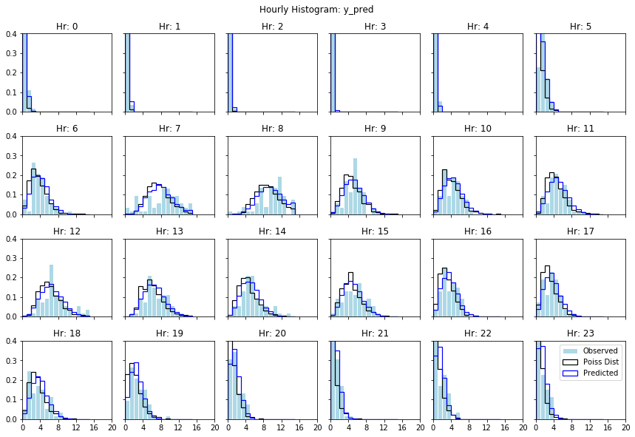
10k_Poiss_hdc80 vs test20 | hdc_wkdy20.csv

Average % Error Per Hour |  | Poisson Parameters
Hr | Err | Hr | mu
0 | 0.7% | 0 | 0.09
1 | 0.2% | 1 | 0.05
2 | 0.1% | 2 | 0.03
3 | 0.1% | 3 | 0.01
4 | 0.3% | 4 | 0.03
5 | 2.6% | 5 | 0.87
6 | 2.1% | 6 | 3.58
7 | 3.9% | 7 | 7.51
8 | 3.0% | 8 | 9.26
9 | 2.5% | 9 | 4.79
10 | 1.8% | 10 | 3.98
11 | 1.8% | 11 | 4.46
12 | 2.8% | 12 | 6.11
13 | 2.0% | 13 | 6.11
14 | 2.3% | 14 | 4.64
15 | 2.5% | 15 | 4.60
16 | 1.7% | 16 | 3.20
17 | 1.8% | 17 | 3.20
18 | 3.1% | 18 | 3.46
19 | 1.9% | 19 | 2.17
20 | 1.4% | 20 | 1.26
21 | 0.8% | 21 | 0.79
22 | 2.9% | 22 | 1.14
23 | 2.6% | 23 | 1.03
Mean | 1.839%
0 | 1.84% | Mean | 3.02
Plot Params
24 | 1.84% | StdDev | 2.54
Percent Error

200k_NB_hdc20 vs test80
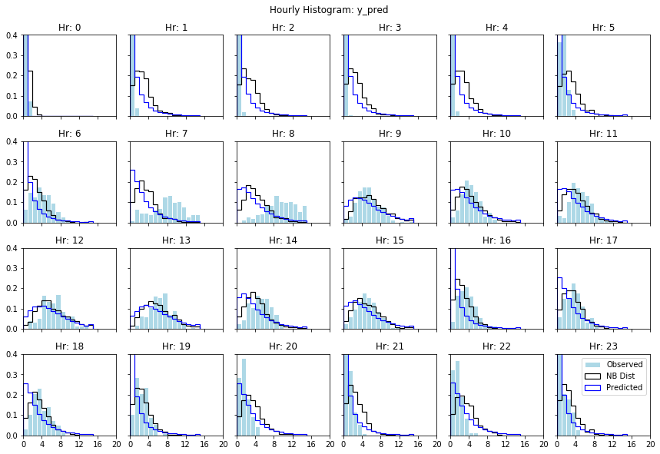
1198112_10k_NB_hdc-wkdy80 | hdc_wkdy20.csv

Average % Error Per Hour |  | Neg Binomial Parameters
Hr | Err | Hr | mu | alpha
0 | 1.1% | 0 | 0.40 | 4.57
1 | 6.3% | 1 | 2.36 | 3.85
2 | 6.7% | 2 | 2.36 | 3.86
3 | 6.8% | 3 | 2.35 | 3.85
4 | 6.6% | 4 | 2.37 | 3.84
5 | 3.8% | 5 | 2.42 | 3.81
6 | 6.3% | 6 | 2.38 | 3.83
7 | 7.8% | 7 | 3.05 | 4.80
8 | 8.4% | 8 | 3.90 | 5.08
9 | 3.4% | 9 | 5.26 | 5.41
10 | 4.4% | 10 | 3.92 | 5.09
11 | 4.8% | 11 | 3.89 | 5.10
12 | 3.9% | 12 | 5.78 | 5.50
13 | 3.8% | 13 | 5.77 | 5.50
14 | 4.7% | 14 | 3.91 | 5.09
15 | 3.6% | 15 | 4.65 | 5.27
16 | 6.6% | 16 | 2.37 | 3.84
17 | 4.2% | 17 | 3.06 | 4.80
18 | 5.1% | 18 | 3.04 | 4.80
19 | 5.9% | 19 | 2.37 | 3.85
20 | 3.2% | 20 | 3.06 | 4.80
21 | 1.9% | 21 | 2.36 | 3.86
22 | 3.6% | 22 | 3.04 | 4.82
23 | 1.7% | 23 | 2.37 | 3.86
Mean | 4.91%
 |  | Mean | 3.18 | 4.54
Plot Params
 |  | StdDev | 1.23 | 0.63

10k_NB_hdc-wkdy20 vs test80
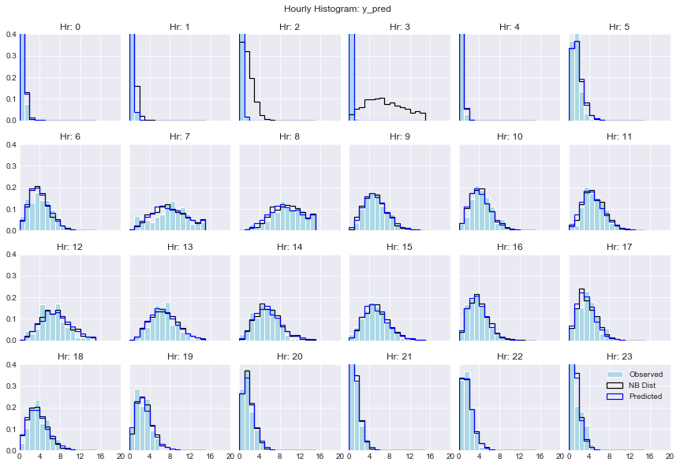
1199445_10k_NB_hdc-wkdy20 | hdc_wkdy80.csv

Average % Error Per Hour |  | Neg Binomial Parameters
Hr | Err | Hr | mu | alpha
0 | 0.8% | 0 | 0.16 | 11.98
1 | 0.1% | 1 | 0.18 | 11.85
2 | 0.1% | 2 | 1.17 | 10.19
3 | 0.1% | 3 | 7.49 | 3.34
4 | 0.4% | 4 | 0.08 | 12.51
5 | 1.6% | 5 | 1.07 | 20.89
6 | 1.4% | 6 | 3.42 | 17.51
7 | 2.3% | 7 | 7.87 | 7.96
8 | 1.1% | 8 | 9.27 | 21.33
9 | 0.8% | 9 | 4.73 | 26.44
10 | 1.5% | 10 | 3.78 | 21.78
11 | 1.4% | 11 | 4.33 | 21.53
12 | 2.0% | 12 | 6.76 | 18.88
13 | 1.5% | 13 | 6.32 | 28.77
14 | 1.5% | 14 | 5.16 | 17.83
15 | 0.8% | 15 | 4.86 | 16.79
16 | 0.5% | 16 | 3.24 | 21.27
17 | 1.6% | 17 | 3.00 | 16.77
18 | 1.8% | 18 | 3.11 | 11.94
19 | 1.6% | 19 | 2.46 | 13.74
20 | 0.9% | 20 | 1.35 | 13.30
21 | 0.5% | 21 | 0.80 | 13.93
22 | 0.5% | 22 | 1.25 | 7.91
23 | 1.9% | 23 | 0.90 | 10.85
Mean | 1.07%
0 | 1.07% | Mean | 3.45 | 15.80
Plot Params
23 | 1.07% | StdDev | 2.62 | 5.98

10k_Poiss_hdc-wkdy20 vs test80
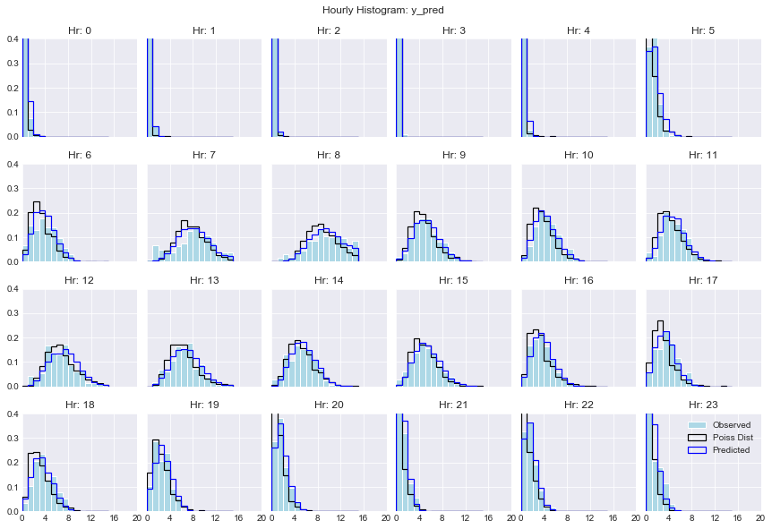
1199600_10k_Poiss_hdc-wkdy20 | hdc_wkdy80.csv

Average % Error Per Hour |  | Poisson Parameters
Hr | Err |  | mu
0 | 1.0% | 0 | 0.16
1 | 0.1% | 1 | 0.04
2 | 0.0% | 2 | 0.02
3 | 0.1% | 3 | 0.00
4 | 0.5% | 4 | 0.06
5 | 1.4% | 5 | 1.07
6 | 2.0% | 6 | 3.42
7 | 2.3% | 7 | 7.82
8 | 1.4% | 8 | 9.25
9 | 0.8% | 9 | 4.73
10 | 1.0% | 10 | 3.76
11 | 1.2% | 11 | 4.31
12 | 1.9% | 12 | 6.74
13 | 1.3% | 13 | 6.30
14 | 1.4% | 14 | 5.15
15 | 0.7% | 15 | 4.84
16 | 0.8% | 16 | 3.23
17 | 1.0% | 17 | 3.00
18 | 1.4% | 18 | 3.09
19 | 1.9% | 19 | 2.46
20 | 0.8% | 20 | 1.34
21 | 0.9% | 21 | 0.80
22 | 0.6% | 22 | 1.24
23 | 2.1% | 23 | 0.90
Mean | 1.06%
0 | 1.06% | Mean | 3.07
Plot Params
 | mu
 | 0.16
 | 0.04
 | 0.02
 | 0.00
 | 0.06
 | 1.07
 | 3.42
 | 7.82
 | 9.25
 | 4.73
 | 3.76
 | 4.31
 | 6.74
 | 6.30
 | 5.15
 | 4.84
 | 3.23
 | 3.00
 | 3.09
 | 2.46
 | 1.34
 | 0.80
 | 1.24
 | 0.90
23 | 1.06% | StdDev | 2.61
Err %

