100k_NB vs hdc_wkdy
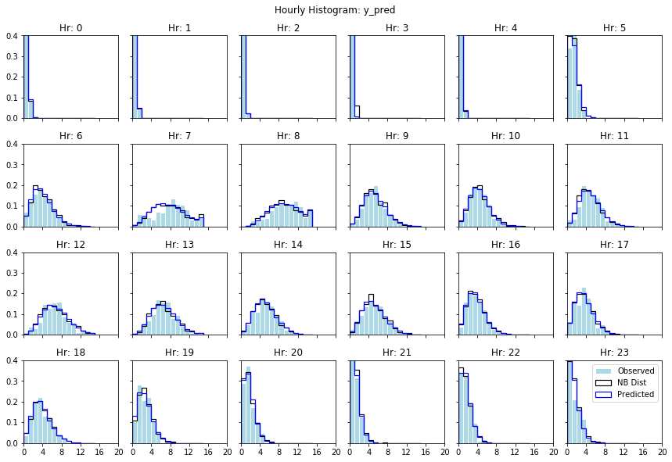
1198024_100ksmpl_10ktune_NB | hdc_wkdy.csv
Note: Predictions and comparisons made from the same dataset.

Average % Error Per Hour |  | Neg Binomial Parameters
Hr | Err | Hr | mu | alpha
0 | 0.1% | 0 | 0.10 | 6.45
1 | 0.1% | 1 | 0.05 | 6.04
2 | 0.0% | 2 | 0.02 | 6.39
3 | 0.0% | 3 | 0.06 | 5.86
4 | 0.0% | 4 | 0.04 | 6.65
5 | 1.6% | 5 | 0.91 | 19.10
6 | 0.7% | 6 | 3.56 | 8.35
7 | 2.4% | 7 | 7.56 | 7.52
8 | 1.2% | 8 | 9.25 | 17.78
9 | 0.9% | 9 | 4.78 | 27.59
10 | 0.6% | 10 | 3.94 | 29.59
11 | 1.1% | 11 | 4.42 | 26.84
12 | 1.6% | 12 | 6.24 | 25.63
13 | 1.3% | 13 | 6.15 | 42.51
14 | 1.0% | 14 | 4.74 | 21.75
15 | 0.9% | 15 | 4.64 | 17.16
16 | 0.6% | 16 | 3.20 | 18.39
17 | 1.3% | 17 | 3.15 | 14.09
18 | 0.8% | 18 | 3.39 | 17.42
19 | 1.2% | 19 | 2.23 | 15.18
20 | 0.8% | 20 | 1.28 | 10.06
21 | 0.2% | 21 | 0.79 | 6.31
22 | 0.4% | 22 | 1.16 | 8.86
23 | 1.5% | 23 | 1.01 | 3.02

 |  | Mean | 3.03 | 15.36
 |  | StdDev | 2.55 | 9.65

