Duration_Fit
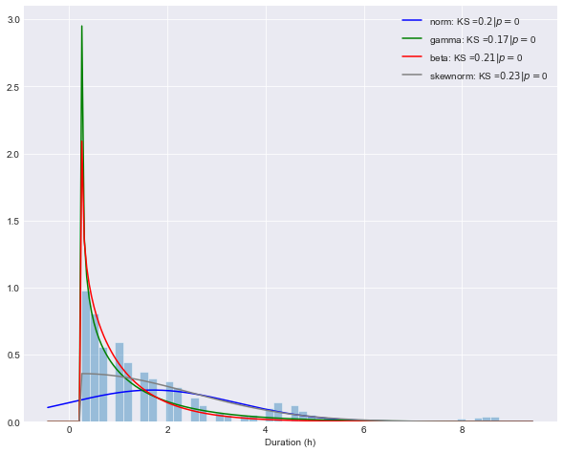
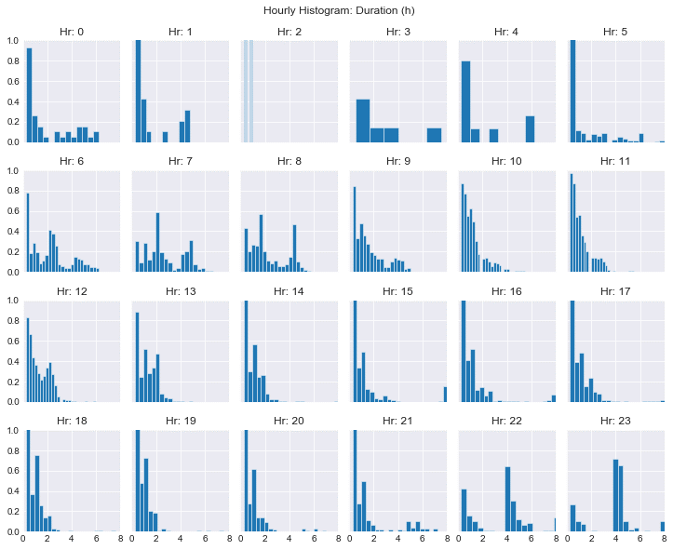
Mean Profile
21,476 EV Sessions: All Days 2018
 |  |  | Hr | Mean
 |  |  | 0 | 2.0119
 |  |  | 1 | 1.58333
 |  |  | 2 | 0.444444
 |  |  | 3 | 2.41667
 |  |  | 4 | 1.825
 |  |  | 5 | 1.22289
 |  |  | 6 | 2.221
 |  |  | 7 | 2.6411
 |  |  | 8 | 2.24263
 |  |  | 9 | 1.6152
 |  |  | 10 | 1.14583
 |  |  | 11 | 1.08433
 |  |  | 12 | 1.26678
 |  |  | 13 | 1.27657
 |  |  | 14 | 1.42816
 |  |  | 15 | 2.29255
 |  |  | 16 | 1.54279
 |  |  | 17 | 1.07512
 |  |  | 18 | 1.06478
 |  |  | 19 | 0.968835
 |  |  | 20 | 0.935165
 |  |  | 21 | 1.31507
 |  |  | 22 | 3.63068
Beta Distribution |  |  | 23 | 4.00231
 | alpha | 0.82793077596
 | beta | 104.17229479
 | loc | 0.25
 | scale | 106.62593545
Gamma Distribution
 | alpha | 0.6767
 | loc | 0.2500
 | beta | 1.5459599321
Skewnorm Distribution
 | alpha | 10947895.643
 | loc | 0.24999891643
 | scale | 2.2237117325

norm: KstestResult(statistic=0.1959888899164135, pvalue=0.0)
gamma: KstestResult(statistic=0.16585956415949843, pvalue=0.0)
beta: KstestResult(statistic=0.2081428311185889, pvalue=0.0)
skewnorm: KstestResult(statistic=0.2343268788729434, pvalue=0.0)

Energy_Fit
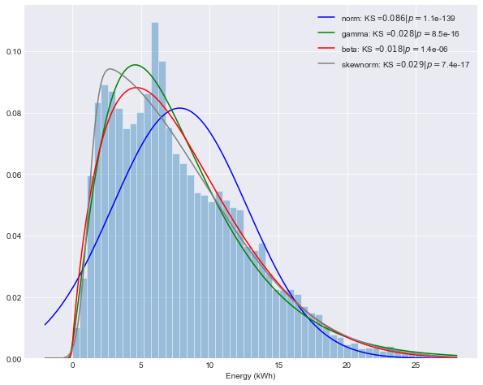
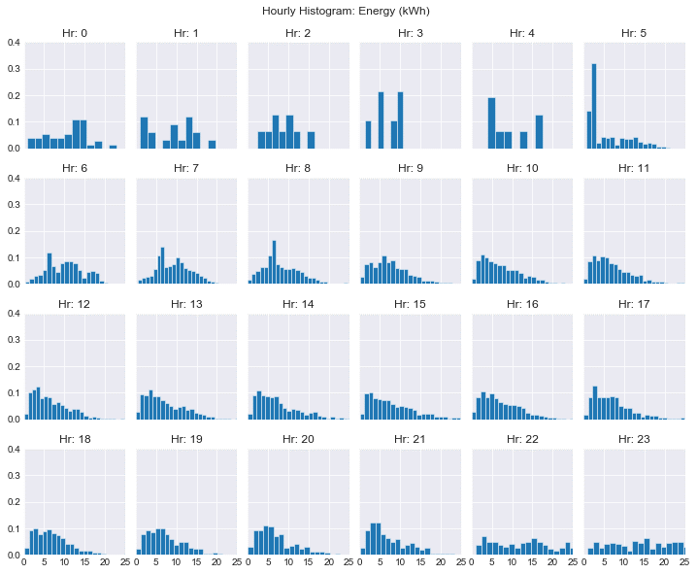
Mean Profile
21,794 EV Sessions: All Days 2018
 |  |  | Hr | Mean
 |  |  | 0 | 10.5319
 |  |  | 1 | 9.0085
 |  |  | 2 | 9.08933
 |  |  | 3 | 6.82733
 |  |  | 4 | 9.86075
 |  |  | 5 | 5.9742
 |  |  | 6 | 10.1968
 |  |  | 7 | 9.27833
 |  |  | 8 | 8.13506
 |  |  | 9 | 7.61574
 |  |  | 10 | 7.24692
 |  |  | 11 | 7.02009
 |  |  | 12 | 6.67224
 |  |  | 13 | 7.18639
 |  |  | 14 | 7.50355
 |  |  | 15 | 7.98305
 |  |  | 16 | 7.33366
 |  |  | 17 | 7.1774
 |  |  | 18 | 7.13665
 |  |  | 19 | 7.37594
 |  |  | 20 | 7.03368
 |  |  | 21 | 7.18701
 |  |  | 22 | 12.1645
Beta Distribution |  |  | 23 | 13.8335
 | alpha | 1.8940415625
 | beta | 7.4340852569
 | loc | -0.066028987022
 | scale | 38.82606102
Gamma Distribution
 | alpha | 2.4882517554
 | loc | -0.24833598776
 | beta | 3.2395974601
Skewnorm Distribution
 | alpha | 13.267701284
 | loc | 1.1484465363
 | scale | 8.2706662184

norm: KstestResult(statistic=0.08577098483412476, pvalue=1.0945013268650187e-139)
gamma: KstestResult(statistic=0.028494194385572325, pvalue=8.538440170209631e-16)
beta: KstestResult(statistic=0.01801774086612734, pvalue=1.4308856958793096e-06)
skewnorm: KstestResult(statistic=0.02946121634064114, pvalue=7.420977774994082e-17)

