StartHr
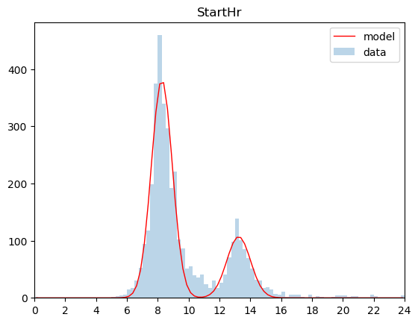
 | expected | model
mu1 | 8.25 | 8.26
sigma1 | 1.14 | 0.68
A1 | 339.00 | 381.59
mu2 | 13.25 | 13.24
sigma2 | 1.99 | 0.77
A2 | 101.00 | 107.04

EndHr
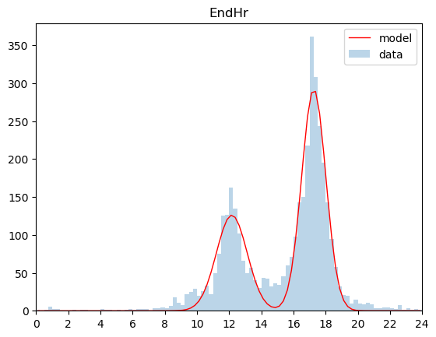
 | expected | model
mu1 | 12.00 | 12.17
sigma1 | 1.92 | 0.96
A1 | 162.00 | 126.02
mu2 | 17.25 | 17.26
sigma2 | 1.10 | 0.75
A2 | 308.00 | 292.22

Charging
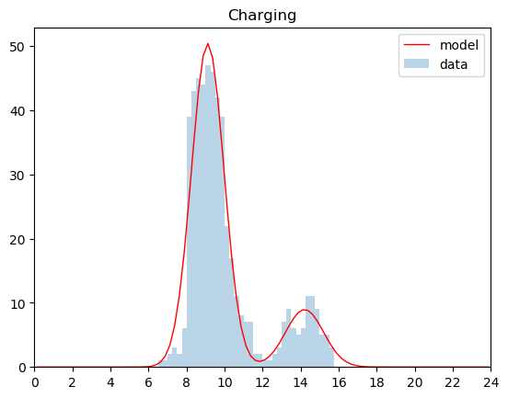
 | expected | model
mu1 | 9.00 | 9.11
sigma1 | 0.89 | 0.86
A1 | 47.00 | 50.41
mu2 | 14.25 | 14.21
sigma2 | 0.81 | 1.00
A2 | 11.00 | 8.95

Connected
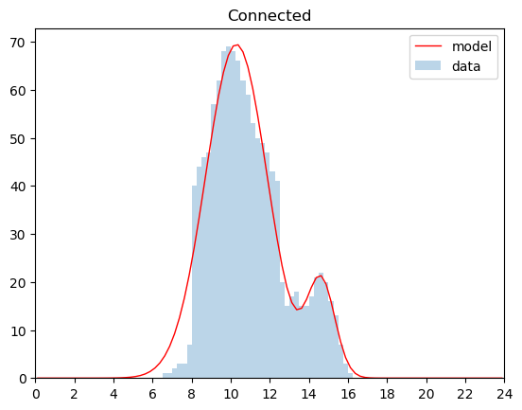
 | expected | model
mu1 | 10.25 | 10.286790219
sigma1 | 1.3421144538 | 1.5736524351
A1 | 66 | 69.461848658
mu2 | 14.25 | 14.628019979
sigma2 | 0.68627493408 | 0.70614882977
A2 | 21 | 19.756545286

