Ticker replace
what's in the holdings | Replacement
CASHAUD | AUD Curncy
CASHCAD | CAD Curncy
CASHCHF | CHF Curncy
CASHGBP | GBP Curncy
CASHGEL | GEL Curncy
CASHHKD | HKD Curncy
CASHIDR | IDR Curncy
CASHJPY | JPY Curncy
CASHMXN | MXN Curncy
CASHNOK | NOK Curncy
CASHSEK | SEK Curncy
CASHSGD | SGD Curncy
CASHUSD | USD Curncy
CASHEUR | EUR Curncy
CASHZAR | ZAR Curncy
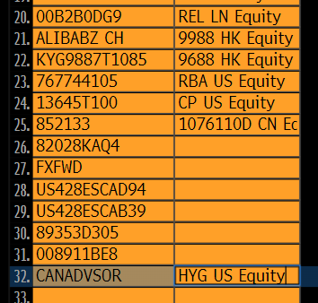
CASHKRW | KRW Curncy
CASHDKK | DKK Curncy
CASHILS | ILS Curncy
CASHTHB | THB Curncy

00B2B0DG9 | REL LN EQUITY
ALIBABZ CH | 9988 HK EQUITY
KYG9887T1085 | 966HK EQUITY
767744105 | RBA US EQUITY
13645T100 | CP US EQUITY
852133 | 1076110D CN EQUITY
CANADVSOR | HYG US EQUITY

