Configs
 | tmc.config | Web.config

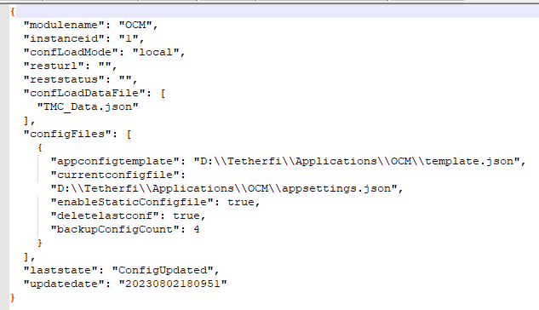

 | TMAC_Data.json

template.json

Deployment steps
Please refer deploymet guide attached in the email for better understanding

1. Download and install dotnet core bundle from here : https://dotnet.microsoft.com/en-us/download/dotnet/thank-you/runtime-aspnetcore-6.0.3-windows-hosting-bundle-installer
2. Create a new application pool for OCM with .NET CLR version as below, and point your OCM application to this application pool

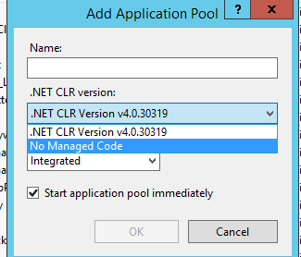

3. check necessary configs in TMC_Data.json and template.json( most of the configs are changed to match the SIT config by referring web.config from SIT) The config changes made are mentioned in the sheet 'Configs'

4. Do not change any configs in the appsettings.json file as it is a dynamic file

