Sheet1
 | Mesin | Harga |  |  |  |  | Residual Error
no | x | y | x^2 | y^2 | xy | y' | |y - y'| | (y - y') ^2 | |y - avgy| | |y - avgy| ^2 | elog(1 + y) | elog(1 + y') | (elog(1 + y) - elog(1 + y')) ^2 | % error | %error ^ 2
1 | 1000 | 10 | 1000000 | 100 | 10000 | 7 | 3 | 9 | 31 | 961 | 2.3978952728 | 2.0794415417 | 0.10141277886 | 0.300 | 0.090
2 | 2000 | 25 | 4000000 | 625 | 50000 | 24 | 1 | 1 | 16 | 256 | 3.258096538 | 3.2188758249 | 0.0015382643403 | 0.040 | 0.002
3 | 3000 | 35 | 9000000 | 1225 | 105000 | 41 | 6 | 36 | 6 | 36 | 3.5835189385 | 3.7376696183 | 0.023762432091 | 0.171 | 0.029
4 | 4000 | 55 | 16000000 | 3025 | 220000 | 58 | 3 | 9 | 14 | 196 | 4.0253516907 | 4.0775374439 | 0.002723352834 | 0.055 | 0.003
5 | 5000 | 80 | 25000000 | 6400 | 400000 | 75 | 5 | 25 | 39 | 1521 | 4.3944491547 | 4.3307333403 | 0.0040597050029 | 0.063 | 0.004
TOTAL | 15000 | 205 | 55000000 | 11375 | 785000 | 205 | 18 | 80 | 106 | 2970 | 17.659311595 | 17.444257769 | 0.13349653313 | 0.628 | 0.128

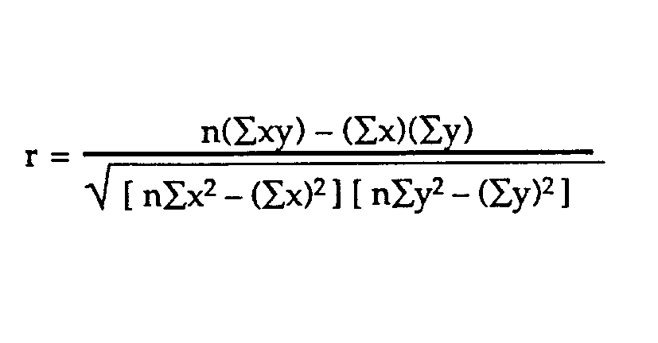
 | b/m/gradien/slope
 | 0.017 | 0.017

 | a/c/tpotY
 | -10 | -10

 | r/correlation/co-relation
 | 0.98644005042 | 0.98644005042

 | Matrix Linear Regression Evaluation
 | max error | 6

 | Mean Absolute Error
 | 3.6

 | Mean Squared Error |  | Root Mean Squared Error
 | 16 |  | 4

 | Median Absolute Error
 | 3

 | Mean Squared Logarithmic Error |  |  | RMSLE
 | 0.026699306626 |  |  | 0.16339922468

 | R2 Score |  |  | Mean Absolute Percentage Error |  |  |  | dekat dengan RMSLE
 | Coef of Determination |  |  | 0.126
 | 1 - (MSE Model / MSE Baseline)
 | 0.97306397306

 | Mean Squared Percentage Error |  |  | dekat dengan MSLE
 | 0.026

