Sheet1
10sec traffic

 |  |  |  |  |  |  |  |  |  |  |  |  |  |  |  |  |  |  |  |  | Theoretical speed |  |  | 650 | kbit/s

 |  |  |  |  |  |  |  |  |  |  |  |  |  |  |  |  |  |  |  |  | TIM groups |  |  | 16

 |  |  |  |  |  |  |  |  |  |  |  |  |  |  |  |  |  |  |  |  | RAW slots |  |  | 1

 |  |  | Maximum contention based on EDCA queue buildup |  |  |  |  |  |  |  |  | Equivalent in Nsta |  |  |  |  |  |  |  |  | Traffic interval |  |  | 10 | s

 |  |  |  |  | Group |  |  |  |  |  |  |  |  |  |  |  |  |  |  |  | Traffic size |  |  | 100 | bytes
 |  |  | Raw slot | 1 | 2 | 4 | 8 | 12 | 16 |  |  | Raw slot | 1 | 2 | 4 | 8 | 12 | 16
 |  |  | 1 | 744 | 679 | 359 | 179 | 124 | 94 |  |  | 1 | 745 | 1360 | 1440 | 1440 | 1500 | 1520 |  |  | Contention |  |  | 59
 |  |  | 2 | 699 | 349 | 184 | 89 | 59 | 44 |  |  | 2 | 1400 | 1400 | 1480 | 1440 | 1440 | 1440
 |  |  | 5 | 234 | 119 | 59 | 24 | 19 | 9 |  |  | 5 | 1175 | 1200 | 1200 | 1000 | 1200 | 800 |  |  | Beacon interval |  |  | 102400 | µs
 |  |  | 10 | 9 | 39 | 19 | 9 | NULL | NULL |  |  | 10 | 100 | 800 | 800 | 800 | #VALUE! | #VALUE!
 |  |  |  |  |  |  |  |  |  |  |  |  |  |  |  |  |  |  |  |  | RAW slot time |  |  | 97700 | µs |  |  | Datarate traffic |  |  | 0.078125 | kbit/s

 |  |  | Median send/receive time according to max contention |  |  |  |  |  |  |  |  | Max error |  |  |  |  |  |  |  |  | DTIMCycle |  |  | 1638400 | µs |  |  | Total datarate traffic |  |  | 4.6875 | kbit/s

 |  |  |  |  | Group |  |  |  |  |  |  |  |  | Group |  |  |  |  |  |  | Througput per DTIM cycle |  |  | 1064.96 | kbit |  |  | Datarate traffic per DTIM cycle |  |  | 7.68 | kbit
 |  |  | Raw slot | 1 | 2 | 4 | 8 | 12 | 16 |  |  | Raw slot | 1 | 2 | 4 | 8 | 12 | 16
 |  |  | 1 | 42 | 78 | 143 | 403 | 1098 | 1465 |  |  | 1 | 4 | 8 | 16 | 32 | 48 | 64 |  |  | Througput per RAW slot |  |  | 63.505 | kbit
 |  |  | 2 | 55 | 110 | 222 | 818 | 1138 | 1483 |  |  | 2 | 8 | 16 | 32 | 64 | 96 | 128
 |  |  | 5 | 76 | 263 | 615 | 566 | 1811 | 822 |  |  | 5 | 20 | 40 | 80 | 160 | 240 | 320 |  |  | Nr of RAW slots in traffic interval |  |  | 6.103515625
 |  |  | 10 | 88 | 221 | 565 | 597 | x | x |  |  | 10 | 40 | 80 | 160 | 320 | 480 | 640

 |  |  | Median doze time |  |  |  |  |  |  |  |  |  |  |  |  |  |  |  |  |  |  | Theoretical rates
 |  |  |  |  |  |  |  |  |  |  |  |  |  |  |  |  |  |  |  |  |  |  |  |  |  |  |  |  | Theoretical kbit/s |  |  |  |  | Practical kbit/s of 10sec sensors
 |  |  | Raw slot | 1 | 2 | 4 | 8 | 12 | 16 |  |  |  |  |  |  |  |  |  |  |  | 0 | 0.65 | 63.505 |  | 38.760375977 |  |  |  |  |  |  |  |  |  | Group
 |  |  | 1 | 17.37 | 47.24 | 73.21 | 86.62 | 91 | 93.14 |  |  |  |  |  |  |  |  |  |  |  | 1 | 1.3 | 127.01 |  | 77.520751953 |  |  | Raw slot | 1 | 2 | 4 | 8 | Raw slot | 1 | 2 | 4 | 8
 |  |  | 2 | 40.23 | 68.34 | 84.02 | 91.87 | 94.5 | 95.75 |  |  |  |  |  |  |  |  |  |  |  | 2 | 1.95 | 190.515 |  | 116.28112793 |  |  | 1 | 620.17 | 310.08 | 155.04 | 77.52 | 1 | 58.203125 | 53.125 | 28.125 | 14.0625
 |  |  | 5 | 61.58 | 80.34 | 89.99 | 94.9 | 96.52 | 97.26 |  |  |  |  |  |  |  |  |  |  |  | 3 | 2.6 | 254.02 |  | 155.04150391 |  |  | 2 | 311.67 | 155.83 | 77.92 | 38.96 | 2 | 54.6875 | 27.34375 | 14.453125 | 7.03125
 |  |  | 10 | 82.33 | 85.36 | 92.35 | 96.08 | x | x |  |  |  |  |  |  |  |  |  |  |  | 4 | 3.9 | 381.03 |  | 232.56225586 |  |  | 5 | 126.57 | 63.29 | 31.64 | 15.82 | 5 | 18.359375 | 9.375 | 4.6875 | 1.953125
 |  |  |  |  |  |  |  |  |  |  |  |  |  |  |  |  |  |  |  |  | 5 | 5.2 | 508.04 |  | 310.08300781 |  |  | 10 | 64.87 | 32.44 | 16.22 | 8.11 | 10 | 0.78125 | 3.125 | 1.5625 | 0.78125
 |  |  |  |  |  |  |  |  |  |  |  |  |  |  |  |  |  |  |  |  | 6 | 5.8 | 566.66 |  | 345.86181641
20sec traffic |  |  |  |  |  |  |  |  |  |  |  |  |  |  |  |  |  |  |  |  | 7 | 6.5 | 635.05 |  | 387.60375977
 |  |  |  |  |  |  |  |  |  |  |  |  |  |  |  |  |  |  |  |  | 8 | 7.8 | 762.06 |  | 465.12451172
 |  |  | Maximum contention based on EDCA queue buildup |  |  |  |  |  |  |  |  | Equivalent in Nsta
 |  |  |  |  |  |  |  |  |  |  |  |  |  |  |  |  |  |  |  |  |  | For IP camera |  |  |  |  |  | For sensor |  |  |  |  |  | Percentage tov theoretical
 |  |  |  |  | Group |  |  |  |  |  |  |  |  |  |  |  |  |  |  |  |  | 4 groups 5 slots |  |  |  | Perc |  | 4 groups 5 slots
 |  |  | Raw slot | 1 | 2 | 4 | 8 | 12 | 16 |  |  | Raw slot | 1 | 2 | 4 | 8 | 12 | 16 |  |  |  | MCS0 | 10.9 | 31.6 |  | 34.493670886 |  | MCS0 | 8.9 | 31.6 |  | 28.164556962 | Raw slot | 1 | 2 | 4 | 8
 |  |  | 1 | 699 | 699 | 639 | 324 | 219 | 164 |  |  | 1 | 700 | 1400 | 2560 | 2600 | 2640 | 2640 |  |  |  | MCS4 | 81.4 | 189.85 |  | 42.875954701 |  | MCS4 | 81.4 | 189.85 |  | 42.875954701 | 1 | 9.3850877884 | 17.132509251 | 18.140303913 | 18.140303913
 |  |  | 2 | 694 | 649 | 329 | 174 | 119 | 84 |  |  | 2 | 1390 | 2600 | 2640 | 2800 | 2880 | 2720 |  |  |  | MCS8 | 160 | 379 |  | 42.216358839 |  | MCS8 | 160 | 379 |  | 42.216358839 | 2 | 17.546608178 | 17.546608178 | 18.549271502 | 18.04793984
 |  |  | 5 | 394 | 229 | 119 | 59 | 34 | 24 |  |  | 5 | 1975 | 2300 | 2400 | 2400 | 2100 | 2000 |  |  |  |  |  |  |  |  |  |  |  |  |  |  | 5 | 14.505053622 | 14.813671785 | 14.813671785 | 12.344726487
 |  |  | 10 | 9 | 89 | 39 | 19 | 14 | 9 |  |  | 10 | 100 | 1800 | 1600 | 1600 | 1800 | 1600 |  |  |  |  |  |  |  |  |  |  |  |  |  |  | 10 | 1.2042751769 | 9.634201415 | 9.634201415 | 9.634201415

 |  |  |  |  |  |  |  |  |  |  |  |  |  |  |  |  |  |  |  |  |  | 2 groups 5 slots |  |  |  | Perc |  | 2 groups 5 slots
 |  |  |  |  |  |  |  |  |  |  |  |  |  |  |  |  |  |  |  |  |  | MCS0 | 41.1 | 63 |  | 65.238095238 |  | MCS0 | 41.1 | 63 |  | 65.238095238
 |  |  |  |  |  |  |  |  |  |  |  |  |  |  |  |  |  |  |  |  |  | MCS4 | 181.5 | 379 |  | 47.889182058 |  | MCS4 | 181.5 | 379 |  | 47.889182058
 |  |  |  |  |  |  |  |  |  |  |  |  |  |  |  |  |  |  |  |  |  | MCS8 | 255.2 | 759 |  | 33.623188406 |  | MCS8 | 255.2 | 759 |  | 33.623188406

 |  |  |  |  |  |  |  |  |  |  |  |  |  |  |  |  |  |  |  |  |  |  |  |  | 4 GROUPS 5 SLOTS SENSOR
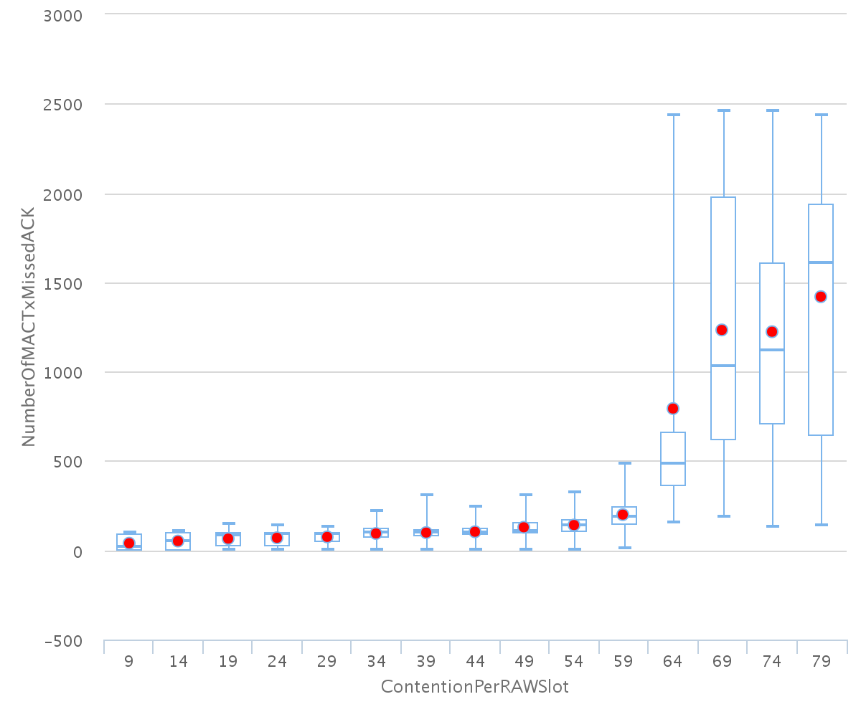
30sec traffic

 |  |  | Maximum contention based on EDCA queue buildup |  |  |  |  |  |  |  |  | Equivalent in Nsta

 |  |  |  |  | Group
 |  |  | Raw slot | 1 | 2 | 4 | 8 | 12 | 16 |  |  | Raw slot | 1 | 2 | 4 | 8 | 12 | 16
 |  |  | 1 | 699 | 999 | 899 | 439 | 314 | 224 |  |  | 1 | 700 | 2000 | 3600 | 3520 | 3780 | 3600
 |  |  | 2 | 699 | 944 | 474 | 234 | 154 | 119 |  |  | 2 | 1400 | 3780 | 3800 | 3760 | 3720 | 3840
 |  |  | 5 | 404 | 339 | 169 | 84 | 54 | 39 |  |  | 5 | 2025 | 3400 | 3400 | 3400 | 3300 | 3200
 |  |  | 10 | 24 | 129 | 64 | 34 | 19 | 14 |  |  | 10 | 250 | 2600 | 2600 | 2800 | 2400 | 2400

40sec traffic

 |  |  | Maximum contention based on EDCA queue buildup |  |  |  |  |  |  |  |  | Equivalent in Nsta

 |  |  |  |  | Group
 |  |  | Raw slot | 1 | 2 | 4 | 8 | 12 | 16 |  |  | Raw slot | 1 | 2 | 4 | 8 | 12 | 16
 |  |  | 1 | 699 | 699 | 699 | 579 | 394 | 289 |  |  | 1 | 700 | 1400 | 2800 | 4640 | 4740 | 4640
 |  |  | 2 | 699 | 699 | 629 | 309 | 204 | 154 |  |  | 2 | 1400 | 2800 | 5040 | 4960 | 4920 | 4960
 |  |  | 5 | 404 | 404 | 224 | 114 | 74 | 54 |  |  | 5 | 2025 | 4050 | 4500 | 4600 | 4500 | 4400
 |  |  | 10 | 24 | 174 | 94 | 44 | 29 | 19 |  |  | 10 | 250 | 3500 | 3800 | 3600 | 3600 | 3200

60sec traffic

 |  |  | Maximum contention based on EDCA queue buildup |  |  |  |  |  |  |  |  | Equivalent in Nsta

 |  |  |  |  | Group
 |  |  | Raw slot | 1 | 2 | 4 | 8 | 12 | 16 |  |  | Raw slot | 1 | 2 | 4 | 8 | 12 | 16
 |  |  | 1 | 699 | 699 | 699 | 854 | 549 | 429 |  |  | 1 | 700 | 1400 | 2800 | 6840 | 6600 | 6880
 |  |  | 2 | 699 | 699 | 894 | 424 | 289 | 214 |  |  | 2 | 1400 | 2800 | 7160 | 6800 | 6960 | 6880
 |  |  | 5 | 404 | 404 | 329 | 164 | 89 | 74 |  |  | 5 | 2025 | 4050 | 6600 | 6600 | 5400 | 6000
 |  |  | 10 | 24 | 199 | 134 | 64 | 39 | 29 |  |  | 10 | 250 | 4000 | 5400 | 5200 | 4800 | 4800
Possible contention in 5 slots over various nr of TIM groups
Max contention behaviour with increasing traffic interval
 | 16 TIM groups, 5 slots | 16 TIM groups, 2 slots | 16 TIM groups, 10 slots | 16 TIM groups, 1 slot
10 | 9 | 44 | 0 | 94
20 | 24 | 84 | 9 | 164
30 | 39 | 119 | 14 | 224
40 | 54 | 154 | 19 | 289
60 | 74 | 214 | 29 | 429
 |  |  |  |  |  |  | 10
 |  |  |  |  |  |  | 20
 |  |  |  |  |  |  | 30
 |  |  |  |  |  |  | 40
 |  |  |  |  |  |  | 60

 | 10 sec 200 bytes:

 | Maximum contention based on EDCA queue buildup

 |  |  | Group
 | Raw slot | 1 | 2 | 4 | 8 | 12 | 16
 | 1 | 149 | 149 | 149 | 144 | 94 | 74
 | 2 | 149 | 149 | 134 | 64 | 44 | 29
 | 5 | 149 | 84 | 39 | 19 | 14 | 9
 | 10 | 69 | 29 | 114 | -1 | -1 | -1

 | 10 sec 100 bytes |  |  |  |  |  |  |  | 20 sec 200 bytes: |  |  |  |  |  |  |  | 30sec 300 bytes |  |  |  |  |  |  |  | 40sec 400 bytes

 | Maximum contention based on EDCA queue buildup |  |  |  |  |  |  |  | Maximum contention based on EDCA queue buildup |  |  |  |  |  |  |  | Maximum contention based on EDCA queue buildup |  |  |  |  |  |  |  | Maximum contention based on EDCA queue buildup

 |  |  | Group |  |  |  |  |  |  |  | Group |  |  |  |  |  |  |  | Group |  |  |  |  |  |  |  | Group
 | Raw slot | 1 | 2 | 4 | 8 | 12 | 16 |  | Raw slot | 1 | 2 | 4 | 8 | 12 | 16 |  | Raw slot | 1 | 2 | 4 | 8 | 12 | 16 |  | Raw slot | 1 | 2 | 4 | 8 | 12 | 16
 | 1 |  | 679 | 359 | 179 | 124 | 94 |  | 1 |  | 634 | 544 | 264 | 184 | 144 |  | 1 |  |  |  | 319 | 229 | 174 |  | 1 |  |  |  | 364 | 254 | 194
 | 2 | 699 | 349 | 184 | 89 | 59 | 44 |  | 2 | 149 | 524 | 264 | 134 | 84 | 64 |  | 2 |  |  | 309 | 154 | 99 | 79 |  | 2 |  |  |  | 169 | 109 | 79
 | 5 | 234 | 119 | 59 | 24 | 19 | 9 |  | 5 | 334 | 169 | 74 | 39 | 24 | 19 |  | 5 |  |  | 84 | 39 | 24 | 19 |  | 5 |  |  |  | 44 | 29 | 19
 | 10 | 9 | 39 | 19 | 9 | N/A | N/A |  | 10 | 109 | 54 | 29 | 14 | N/A | N/A |  | 10 |  |  | N/A | N/A | N/A | N/A |  | 10 |  |  | N/A | N/A | N/A | N/A

 |  |  |  |  | 200b payload difference % tov 10sec

 |  |  |  |  |  |  | Group |  |  |  |  |  |  |  |  |  |  |  |  |  |  |  | Maximum number of stations 16 TIM groups over various nr of slots
 |  |  |  |  | Raw slot | 1 | 2 | 4 | 8 | 12 | 16
 |  |  |  |  | 1 | N/A | N/A | 151.53 | 147.49 | 148.39 | 153.19
 |  |  |  |  | 2 | N/A | 150.14 | 143.48 | 150.56 | 142.37 | 145.45
 |  |  |  |  | 5 | 142.74 | 142.02 | 125.42 | 162.50 | 126.32 | 211.11
 |  |  |  |  | 10 | 1211.11 | 138.46 | 152.63 | 155.56

 |  |  |  |  | 300b payload difference % tov 10sec

 |  |  |  |  |  |  | Group
 |  |  |  |  | Raw slot | 1 | 2 | 4 | 8 | 12 | 16
 |  |  |  |  | 1 | #DIV/0! | 0.00 | 0.00 | 178.21 | 184.68 | 185.11
 |  |  |  |  | 2 | 0.00 | 0.00 | 167.93 | 173.03 | 167.80 | 179.55
 |  |  |  |  | 5 | 0.00 | 0.00 | 142.37 | 162.50 | 126.32 | 211.11
 |  |  |  |  | 10 | 0.00 | 0.00 | #VALUE! | #VALUE! | #VALUE! | #VALUE!

 |  |  |  |  | 400b payload difference % tov 10sec
 | 1
 | 2 |  |  |  |  |  | Group
 | 3 |  |  |  | Raw slot | 1 | 2 | 4 | 8 | 12 | 16
 | 4 |  |  |  | 1 | #DIV/0! | 0.00 | 0.00 | 203.35 | 204.84 | 206.38
 |  |  |  |  | 2 | 0.00 | 0.00 | 0.00 | 189.89 | 184.75 | 179.55
 |  |  |  |  | 5 | 0.00 | 0.00 | 0.00 | 183.33 | 152.63 | 211.11
 |  |  |  |  | 10 | 0.00 | 0.00 | #VALUE! | #VALUE! | #VALUE! | #VALUE!
 |  |  | 16 TIM SLOT PAYLOAD INCREASE
 | 1 RAWslot | 2 RAWslots | 5 RAW slots
1 | 94 | 44 | 9
2 | 144 | 64 | 19
3 | 174 | 79 | 19
4 | 194 | 79 | 19

