spg_ks400b6
 |  |  |  |  |  |  |  |  |  |  |  |  |  |  |  |  | Setup Data Sheet |  |  |  |  |  |  |  |  |  |  |  |  |  |  | Rod End Bearing

MACHINE : | {{Machine}} |  |  |  |  |  |  |  |  | PART NO : |  | {{PN}} |  |  | REV : | {{Revision}} |  | PROCESS : |  |  | {{Process_Code}} {{Process}} |  |  |  | SETUP DATA SHEET REV. |  |  |  | PREPARED | CHECKED | APPROVED
CYCLE TIME : | {{CT}} | sec |  |  |  |  |  |  |  | C/N : |  | {{CN}} |  |  |  |  |  | PROGRAM NO : |  |  | {{Program_no}} |  |  |  | {{Setup_Data_Sheet_REV}}
CATEGORY : | {{Category}} |  |  |  |  |  |  |  |  | MAT'L TYPE : |  | {{Material}} |  |  |  |  |  | PROGRAM NAME : |  |  | {{Program_name}}
NOTE :

REV. | ECN NO. |  |  |  |  | DATE |  |  | DESCRIPTION |  |  |  |  |  |  |  |  |  |  |  |  |  |  |  | REMARK |  |  |  | SAMPLE NO :
{{REV}} | {{ECN_NO}} |  |  |  |  | {{ECN_Date}} |  |  | {{DESCRIPTION}} |  |  |  |  |  |  |  |  |  |  |  |  |  |  |  | {{REMARK}}

 |  |  |  |  |  |  |  |  |  |  |  |  |  |  |  |  |  |  |  |  |  |  |  |  |  |  |  |  | REASON OF CHANGE :

TOOLING & GRINDING CONDITION
 |  |  |  |  |  |  |  |  |  |  |  |  |  |  |  |  |  |  |  |  |  |  |  |  |  |  |  |  | SPHERICAL GRINDING AREA
GRIND CONDITION |  |  |  |  |  |  |  |  |  | T01 | STOCKER CHUTE |  | T02 | WORK DRIVER |  |  |  | T03 | LOADING CHUTE |  |  | T04 | PILOT PIN ASSY |  |  | T05 | PLUG

#01 | APPROACH |  | {{sh1}} | mm | #11 |  | {{sh11}} | mm/s |  | 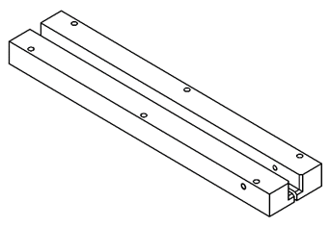 |  |  | 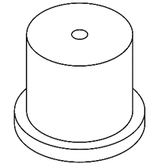 |  |  |  |  | 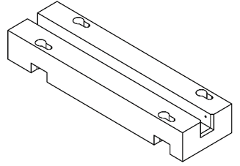 |  |  |  | 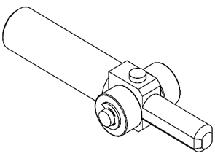 |  |  |  | 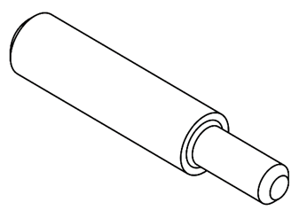
#02 | FEED 1 (GE) |  | {{sh2}} | mm | #12 |  | {{sh12}} | mm/s
#03 | FEED 2 |  | {{sh3}} | mm | #13 |  | {{sh13}} | mm/s
#04 | FEED 3 |  | {{sh4}} | mm | #14 |  | {{sh14}} | mm/s
#05 | FEED 3 RET |  | {{sh5}} | mm
#06 | FEED 4 |  | {{sh6}} | mm | #16 |  | {{sh16}} | mm/s
#07 | FEED4 RET |  | {{sh7}} | mm |  |  |  |  |  | Tooling No : |  | {{Tooling_No_1}} | Tooling No : |  | {{Tooling_No_2}} |  |  | Tooling No : |  | {{Tooling_No_3}} |  | Tooling No : |  | {{Tooling_No_4}} |  | Tooling No : |  | {{Tooling_No_5}}
#08 | FEED 5 |  | {{sh8}} | mm | #18 |  | {{sh18}} | mm/s |  | Maker : |  | {{No_1_Maker}} | Maker : |  | {{No_2_Maker}} |  |  | Maker : |  | {{No_3_Maker}} |  | Maker : |  | {{No_4_Maker}} |  | Maker : |  | {{No_5_Maker}}
#09 | FEED 5 RET |  | {{sh9}} | mm |  |  |  |  |  | T06 | WORK GUIDE |  | T07 | FRONT SHOE |  |  |  | T08 | REAR SHOE |  |  | T09 | FACE PLATE |  |  | T10 | ROTARY DRESS

#10 | SPARK OUT |  | {{sh10}} | sec |  |  |  |  |  | 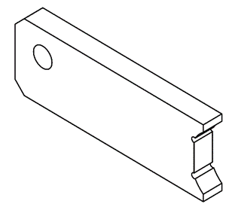 |  |  | 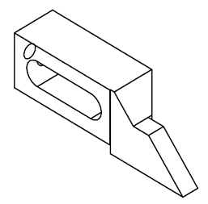 |  |  |  |  | 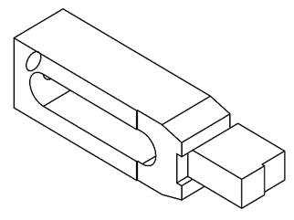 |  |  |  | 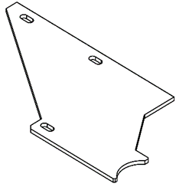 |  |  |  | 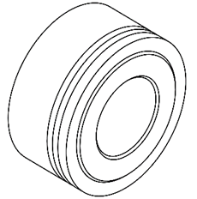
#41 | WORK SPEED |  |  |  |  |  | {{sh41}} | min-1
#42 | G.WHEEL SPEED |  |  |  |  |  | {{sh42}} | min-1
#43 | CYCLE TIME OVER |  |  |  |  |  | {{sh43}} | sec
DRESS CONDITION
#21 | DRESS COMPENSATION |  |  |  |  |  | {{sh21}} | mm
#22 | FEED COMPENSATION |  |  |  |  |  | {{sh22}} | mm |  | Tooling No : |  | {{Tooling_No_6}} | Tooling No : |  | {{Tooling_No_7}} |  |  | Tooling No : |  | {{Tooling_No_8}} |  | Tooling No : |  | {{Tooling_No_9}} |  | Tooling No : |  | {{Tooling_No_10}}
#23 | CUTTING SPEED |  |  |  |  |  | {{sh23}} | mm/s |  | Maker : |  | {{No_6_Maker}} | Maker : |  | {{No_7_Maker}} |  |  | Maker : |  | {{No_8_Maker}} |  | Maker : |  | {{No_9_Maker}} |  | Maker : |  | {{No_10_Maker}}
#24 | RETRACT AMOUNT |  |  |  |  |  | {{sh24}} | mm

#25 | SPARK OUT |  |  |  |  |  | {{sh25}} | sec
#26 | SPARK OUT END |  |  |  |  |  | {{sh26}} | sec
#27 | MAN. DRESS COUNT |  |  |  |  |  | {{sh27}} | time
#28 | AUTO DRESS COUNT |  |  |  |  |  | {{sh28}} | time
#29 | AUTO DRESS INTERVAL |  |  |  |  |  | {{sh29}} | pcs
#30 | ROTARY DRESS SPEED |  |  |  |  |  | {{sh30}} | min-1
#31 | G.WHEEL SPEED |  |  |  |  |  | {{sh31}} | min-1

 |  |  |  |  |  |  |  |  |  |  |  |  |  |  |  |  |  |  |  |  |  |  |  |  |  |  |  |  | GRINDING WHEEL DETAILS
 |  |  |  |  |  |  |  |  |  |  |  |  |  |  |  |  |  |  |  |  |  |  |  |  |  |  |  |  | WHEEL SPEC | {{GW_Spec}}
 |  |  |  |  |  |  |  |  |  |  |  |  |  |  |  |  |  |  |  |  |  |  |  |  |  |  |  |  | WHEEL SIZE | {{GW_Size}}
NMB Minebea Thai Ltd.

