Instructions-Examples
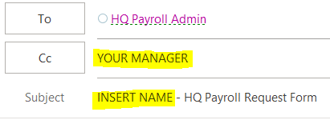
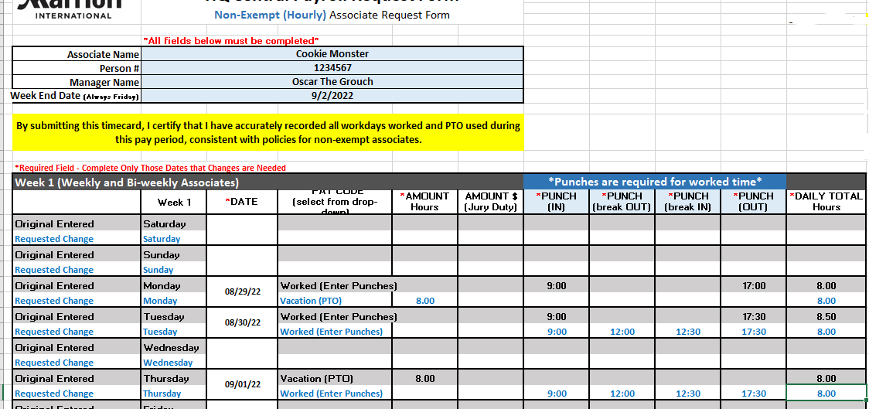
 | HQ Central Payroll Request Form
 |  | EXAMPLES:
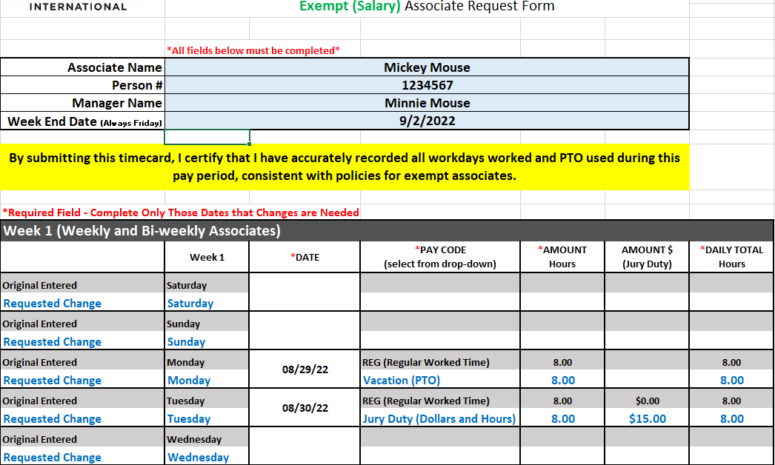

Audience | Marriott Headquarters and Above Property associates using Mosaic or ATLAS HQ.

Notes | All payroll corrections require the HQ Central Payroll Request Form to be completed.
 | Manager approval of this form is required for processing.
 | Forms will not be accepted if incomplete and/or manager is missing from the submission.
 | Please direct any questions about this form to HQ Central Payroll.
 | HQPayrollAdmin@marriott.com

Instructions | Choose the Exempt tab if you are paid salary, or the Non-Exempt tab if you are paid hourly.
 | Complete all required fields.
 | Send completed forms to: HQ Central Payroll + CC your manager.
 | Use the subject line: YOUR NAME - HQ Payroll Request Form
 | HQPayrollAdmin@marriott.com

