bug report
№ | Summary | Descriprion | Steps to reproduce | Severity | Priority
1 | PHP error appears in window after input SQL request in lield of login | If enter SQL request in lield of login and press [Поехали] button PHP error appears in Actual result: Warning: mysqli_num_rows() expects parameter 1 to be mysqli_result, boolean given in C:\OpenServer\domains\megatask\index.php on line 15 Expected result: Window with text Error appears Requirement ID: Reproduced on: Chrome Reproducibility: always Workaround: no | 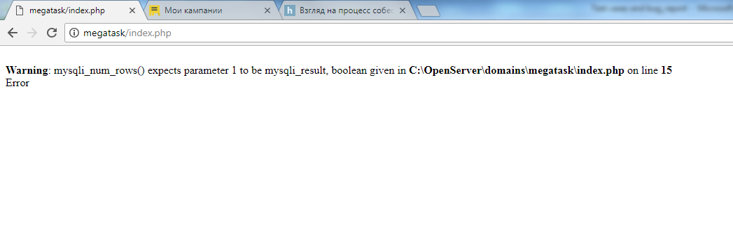 1. Open page via URL http://megatask/ 2. Enter DB request (SELECT * FROM users WHERE u_ul LIKE ‘a%’) in field "Логин" 3. Enter correct password (b) in field "Пароль" 4. Press [Поехали] button | minor

Test case
ID | Priority | Req. ID | Module | Sub-Module | Test description | Expected result | Result | Comment
 |  |  | Login form |  | Open link “пользовательским соглашением!” Steps: 1. Open page via URL http://megatask/ 2. Click link “пользовательским соглашением!” | 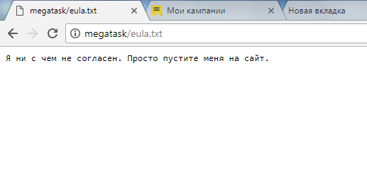 1. Login form opens 2. Window with text opens | passed
 |  |  | Login form |  | Enter correct login and password press [Поехали] button Steps: 1. Open page via URL http://megatask/ 2. Enter correct login (a) in field "Логин" 3. Enter correct password (b) in field "Пароль" 4. Press [Поехали] button | 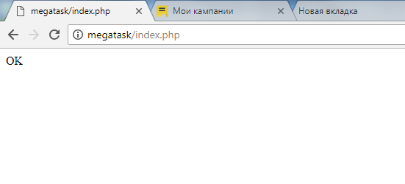 1. Login form opens 2. Text appear in field 3. Bullet appear in field 4. Window with text OK appears | passed
 |  |  | Login form |  | Enter correct login and incorrect password press [Поехали] button Steps: 1. Open page via URL http://megatask/ 2. Enter correct login (a) in field "Логин" 3. Enter incorrect password (c) in field "Пароль" 4. Press [Поехали] button | 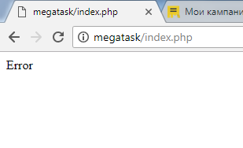 1. Login form opens 2. Text appear in field 3. Bullet appear in field 4. Window with text Error appears | passed
 |  |  | Login form |  | Enter incorrect login and correct password press [Поехали] button Steps: 1. Open page via URL http://megatask/ 2. Enter incorrect login (c) in field "Логин" 3. Enter correct password (b) in field "Пароль" 4. Press [Поехали] button | 1. Login form opens 2. Text appear in field 3. Bullet appear in field 4. Window with text Error appear | passed
 |  |  | Login form |  | Leave both field empty and press [Поехали] button Steps: 1. Open page via URL http://megatask/ 2. Press [Поехали] button | 1. Login form opens 2. Pop-up appears "Вы не указали логин!"/TBD | passed | Question: Wold you like to massage about only login or login and password?
 |  |  | Login form |  | Leave login field empty and press [Поехали] button Steps: 1. Open page via URL http://megatask/ 2. Enter correct password (b) in field "Пароль" 3. Press [Поехали] button | 1. Login form opens 2. Bullet appear in field 3. Pop-up appears "Вы не указали логин!" | passed
 |  |  | Login form |  | Leave password field empty and press [Поехали] button Steps: 1. Open page via URL http://megatask/ 2. Enter correct login (a) in field "Логин" 3. Press [Поехали] button | 1. Login form opens 2. Text appear in field 3. Pop-up appears "Вы не указали пароль!" | passed
 |  |  | Login form |  | Enter incorrect login and password press [Поехали] button Steps: 1. Open page via URL http://megatask/ 2. Enter incorrect login (c) in field "Логин" 3. Enter incorrect password (c) in field "Пароль" 4. Press [Поехали] button | 1. Login form opens 2. Text appear in field 3. Bullet appear in field 4. Window with text Error appears | passed
 |  |  | Login form |  | Enter in login field DB request enter correct password and press [Поехали] button Steps: 1. Open page via URL http://megatask/ 2. Enter DB request (SELECT * FROM users WHERE u_ul LIKE ‘a%’) in field "Логин" 3. Enter correct password (b) in field "Пароль" 4. Press [Поехали] button | 1. Login form opens 2. Text appear in field 3. Bullet appear in field 4. Window with text Error appears | failed
 |  |  | Login form |  | Enter in login field DB request “DROP TABLE users” enter correct password and press [Поехали] button Steps: 1. Open page via URL http://megatask/ 2. Enter DB request (“DROP TABLE users”) in field "Логин" 3. Enter correct password (b) in field "Пароль" 4. Press [Поехали] button | 1. Login form opens 2. Text appear in field 3. Bullet appear in field 4. Window with text Error appears | passed
 |  |  | Login form |  | Enter in login field different simbols enter correct password and press [Поехали] button Steps: 1. Open page via URL http://megatask/ 2. Enter simbols (“♣☺♂” , “”‘~!@#$%^&*()?>,./\<][ /*<!–”", “${code}”;–>” ) in field "Логин" 3. Enter correct password (b) in field "Пароль" 4. Press [Поехали] button | 1. Login form opens 2. Text appear in field 3. Bullet appear in field 4. Window with text Error appears | passed
 |  |  | Login form |  | Enter in login field only gaps enter correct password and press [Поехали] button Steps: 1. Open page via URL http://megatask/ 2. Enter gaps in field "Логин" 3. Enter correct password (b) in field "Пароль" 4. Press [Поехали] button | 1. Login form opens 2. Gaps appear in field 3. Bullet appear in field 4. Window with text Error appears | passed
 |  |  | Login form |  | Enter in login field some gap with correct login enter correct password and press [Поехали] button Steps: 1. Open page via URL http://megatask/ 2. Enter gap in field "Логин" 3. Enter correct login (a) in field "Логин" 4. Enter correct password (b) in field "Пароль" 5. Press [Поехали] button | 1. Login form opens 2. Gaps appear in field 3. Text appears in field 4. Bullet appear in field 5. Window with text Error appears | passed
 |  |  | Login form |  | Enter correct but uppercase login and correct password press [Поехали] button Steps: 1. Open page via URL http://megatask/ 2. Enter correct login (A) in field "Логин" 3. Enter correct password (b) in field "Пароль" 4. Press [Поехали] button | 1. Login form opens 2. Text appears in field 3. Bullet appear in field 4. Window with text Error appears | passed

