target_dashboard
Gender and Mental Health Flags
% With Mental Health Flag
Gender | No Flag | Mental Health Flag | Grand Total | % With Mental Health Flag
Female | 102 | 273 | 375 | 73%
Male | 320 | 493 | 813 | 61%
Other | 10 | 44 | 54 | 81%
Grand Total | 432 | 810 | 1242 | 65%

mh_share and mental health flags
% with mental health flags

Mh_share | No Flag | Mental Health Flag | Grand Total | % With Mental Health Flag
0 | 22 | 16 | 38 | 42%
1 | 11 | 16 | 27 | 59%
2 | 24 | 45 | 69 | 65%
3 | 24 | 34 | 58 | 59%
4 | 21 | 36 | 57 | 63%
5 | 66 | 90 | 156 | 58%
6 | 51 | 64 | 115 | 56%
7 | 76 | 111 | 187 | 59%
8 | 56 | 143 | 199 | 72%
9 | 38 | 97 | 135 | 72%
10 | 43 | 158 | 201 | 79%
Grand Total | 432 | 810 | 1242 | 65%

pivot
total count who work at tech companies
Row Labels | Count of tech_company
No | 343
Yes | 899
Grand Total | 1242

Total count of gender

Row Labels | Count of gender
Female | 375
Male | 813
Other | 54
Grand Total | 1242

Average age by Gender

Row Labels | Average of age
Female | 34
Male | 36
Other | 33
Grand Total | 35

Total count of responses about their Benefits

Row Labels | Count of benefits
I don't know | 308
No | 153
Yes | 781
Grand Total | 1242

Total count of responses regards to HMO coverage to Mental Health

Row Labels | Count of mental_health
Yes | 553
No | 345
Possibly | 257
Don't Know | 87
Grand Total | 1242

Total count of employees tackles mental health to their employers

Row Labels | Count of mh_coworker_discussion
No | 832
Yes | 410
Grand Total | 1242

 | count of benefits | MH coverage
No | 153 | 345
Yes | 781 | 553

dashboard
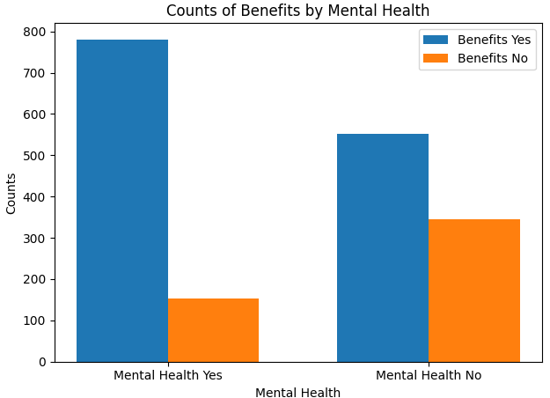
Exploratory Data Analysis

total population who work at tech companies
 | Total
No | 343
Yes | 899
Total population of employees tackles mental health to their employers
 | Total
No | 832
Yes | 410
Total count of responses regards to HMO coverage to Mental Health
 | Total
Yes | 553
No | 345
Possibly | 257
Don't Know | 87
Average age by Gender
 | Total
Female | 34
Male | 36
Other | 33

Total count of gender
 | Total
Female | 375
Male | 813
Other | 54
Total population of responses about their Benefits
 | Total
I don't know | 308
No | 153
Yes | 781

