pivot
total count who work at tech companies
Row Labels | Count of tech_company
No | 343
Yes | 899
Grand Total | 1242

Total count of gender

Row Labels | Count of gender
Female | 375
Male | 813
Other | 54
Grand Total | 1242

Average age by Gender

Row Labels | Average of age
Female | 34
Male | 36
Other | 33
Grand Total | 35

Total count of responses about their Benefits

Row Labels | Count of benefits
I don't know | 308
No | 153
Yes | 781
Grand Total | 1242

Total count of responses regards to HMO coverage to Mental Health

Row Labels | Count of mental_health
Yes | 553
No | 345
Possibly | 257
Don't Know | 87
Grand Total | 1242

Total count of employees tackles mental health to their employers

Row Labels | Count of mh_coworker_discussion
No | 832
Yes | 410
Grand Total | 1242

 | count of benefits | MH coverage
No | 153 | 345
Yes | 781 | 553

dashboard
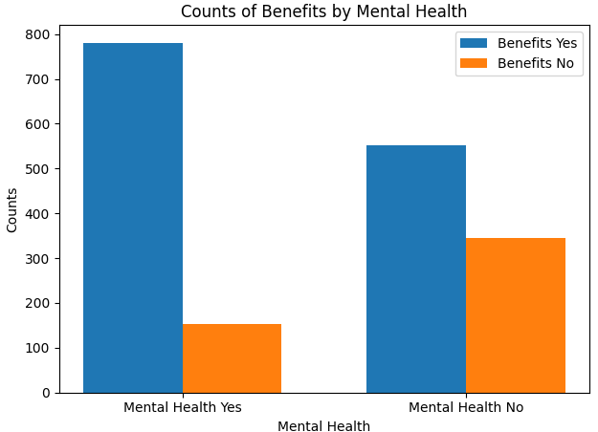
Exploratory Data Analysis

total population who work at tech companies
 | Total
No | 343
Yes | 899
Total population of employees tackles mental health to their employers
 | Total
No | 832
Yes | 410
Total count of responses regards to HMO coverage to Mental Health
 | Total
Yes | 553
No | 345
Possibly | 257
Don't Know | 87
Average age by Gender
 | Total
Female | 34
Male | 36
Other | 33

Total count of gender
 | Total
Female | 375
Male | 813
Other | 54
Total population of responses about their Benefits
 | Total
I don't know | 308
No | 153
Yes | 781

