Summary
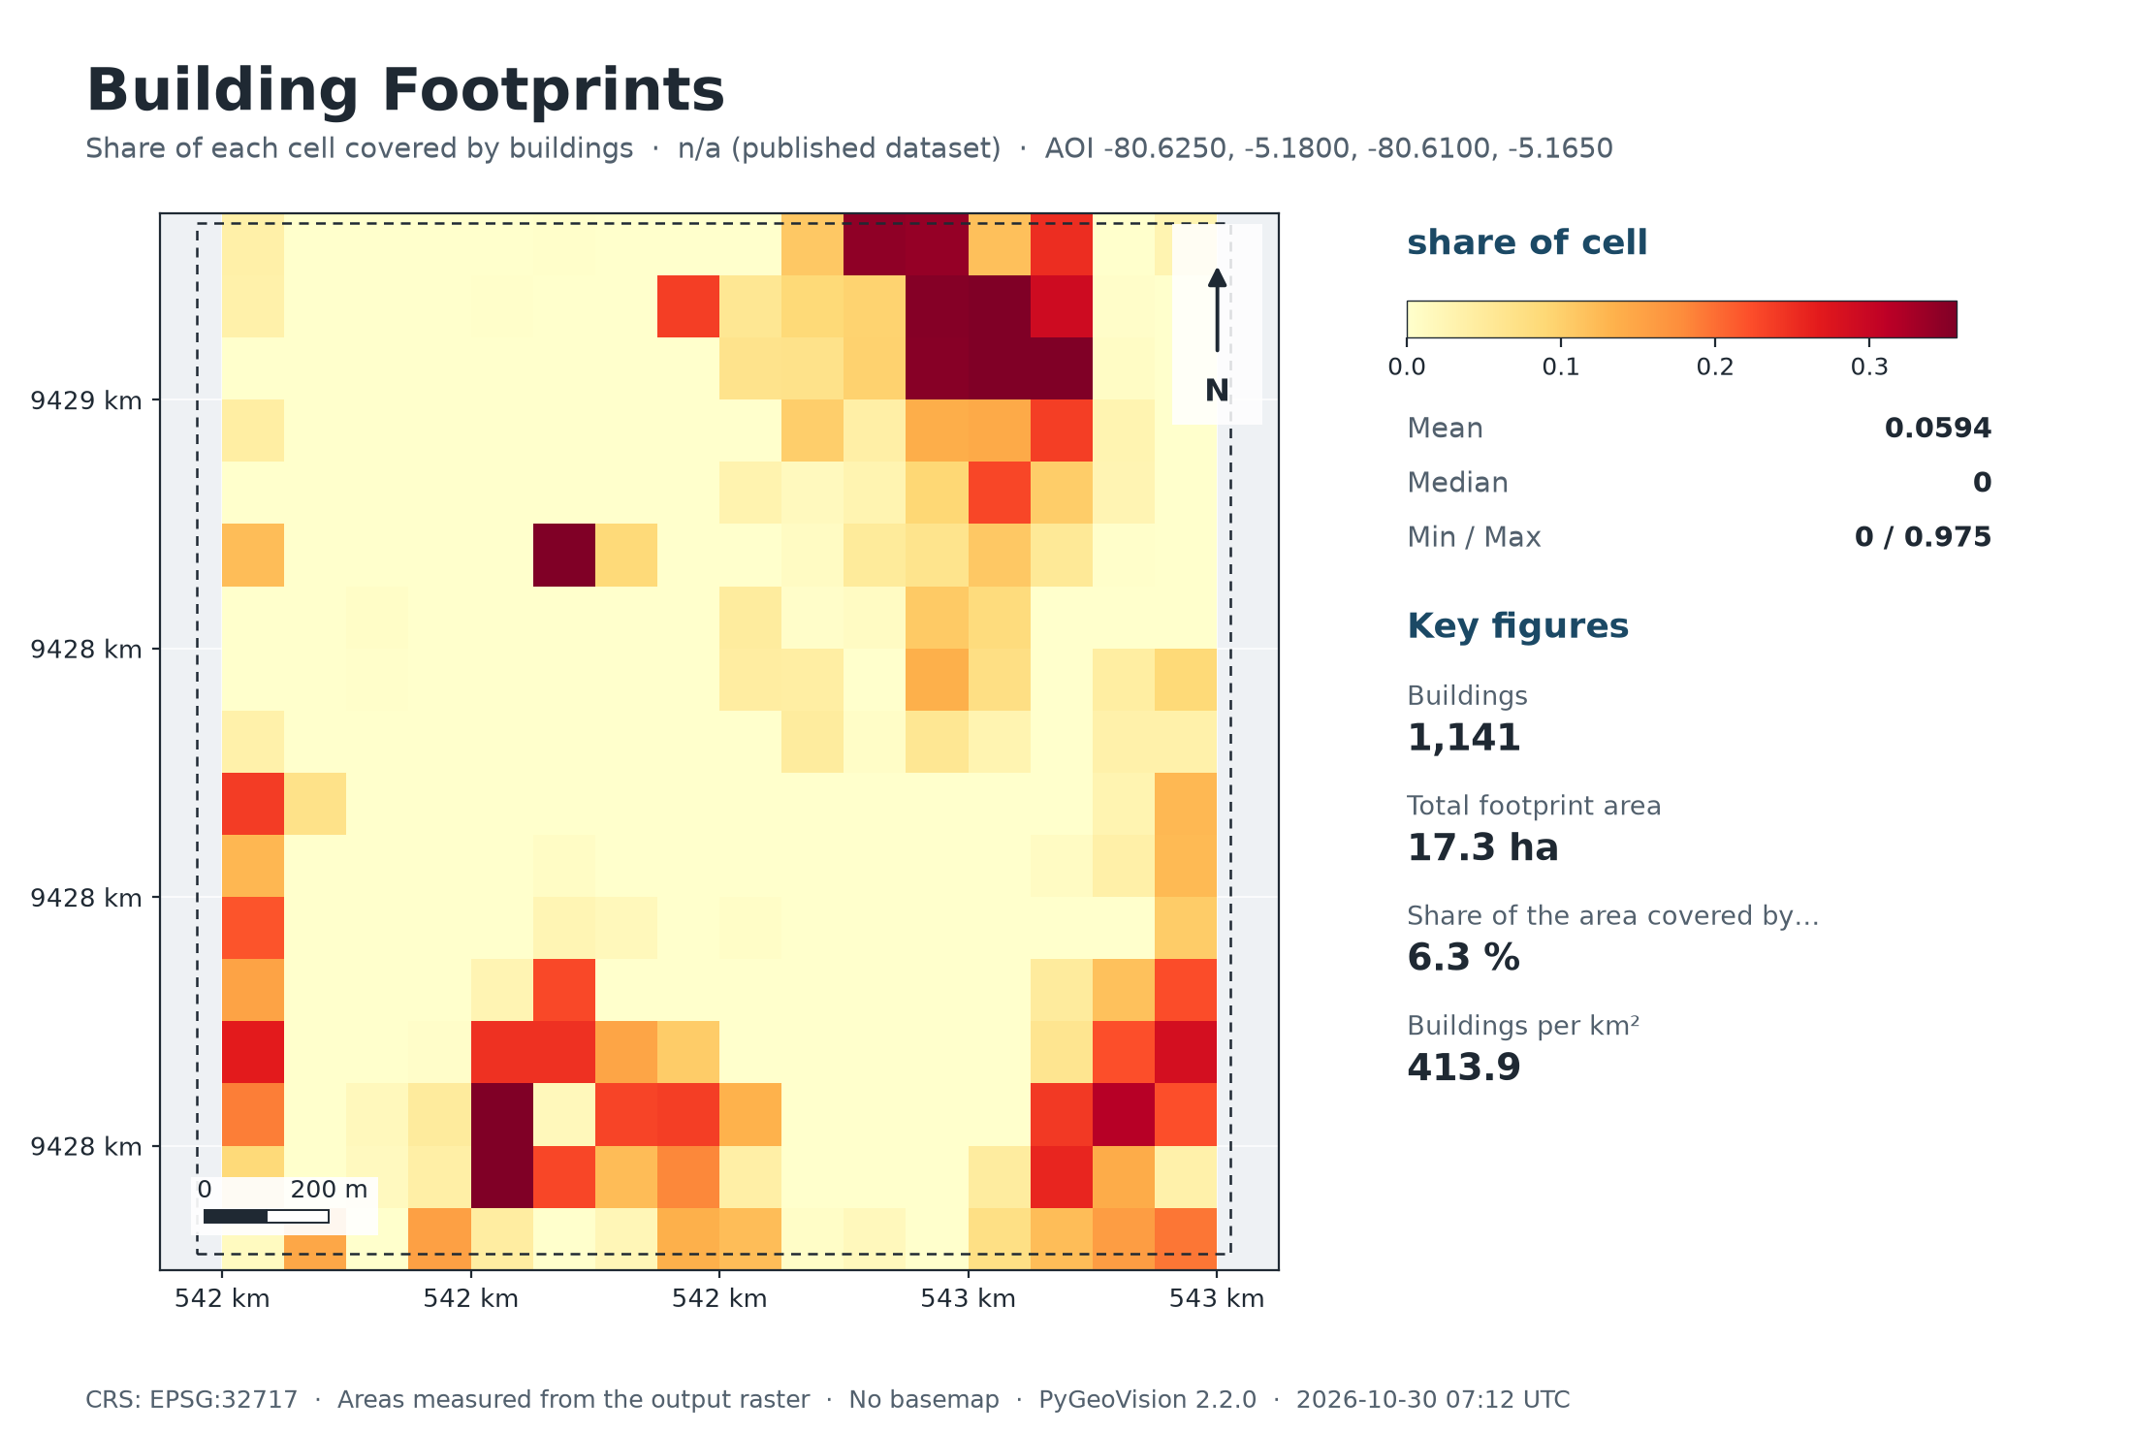
Building Footprints
n/a (published dataset) · 2.8 km²

1,141 | 17.3 ha |  | 6.3 % | 413.9
Buildings | Total footprint area |  | Share of the area covered by buildings | Buildings per km²

Executive summary
• 1,141 buildings from Google Open Buildings v3 fall inside the area, covering 17.3 ha (6.3 % of the area; 414 per km²).
• These are the dataset's polygons, not detections on your own imagery.
Google Open Buildings v3: machine-learning detections on 50 cm satellite imagery (mostly 2022-2023) with a per-building confidence; the dataset keeps detections of 0.65 and above.

Study area
Area of interest (west, south, east, north) |  | -80.6250, -5.1800, -80.6100, -5.1650
Centre |  | -5.1725°, -80.6175°
Area of interest |  | 2.76 km²
Period |  | n/a (published dataset)
Output grid |  | 18 × 17 pixels, EPSG:32717

Map

Maps
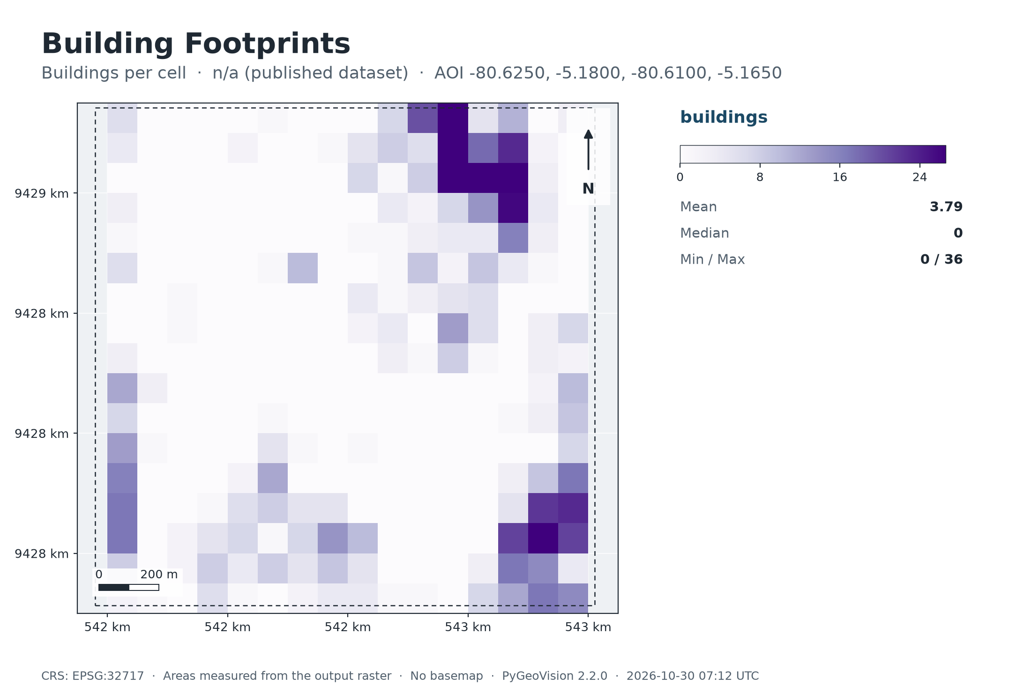
Map: Building Footprints

Summary chart
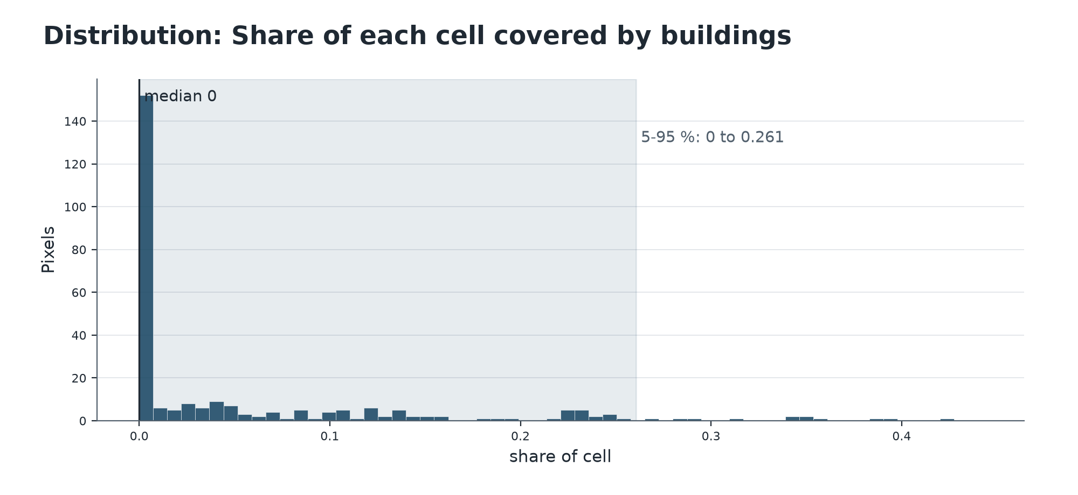

Map: Buildings per cell

