Summary
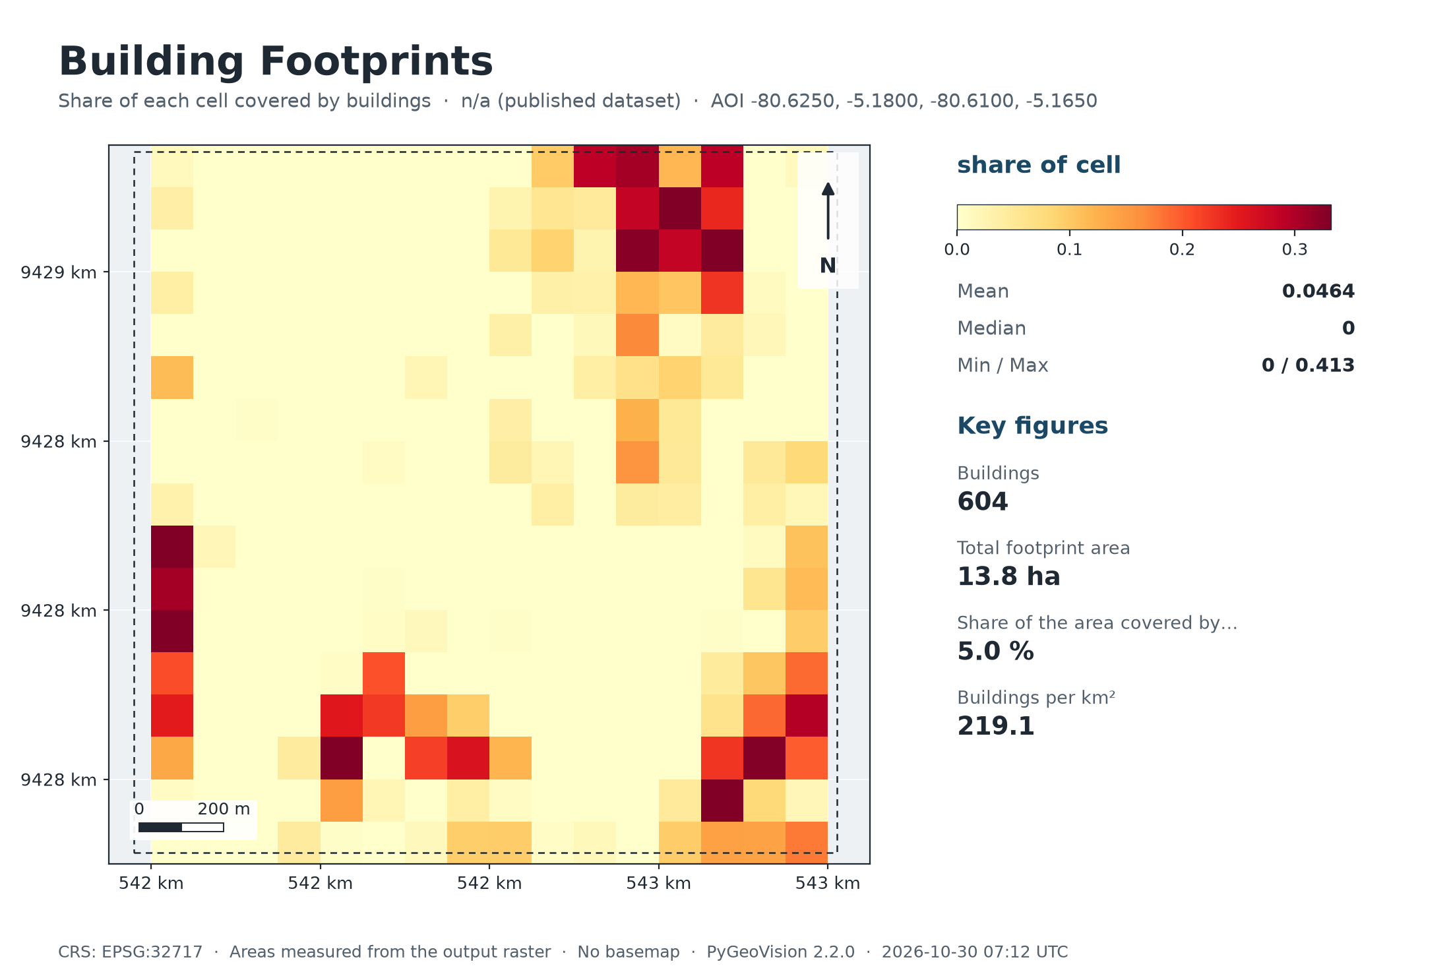
Building Footprints
n/a (published dataset) · 2.8 km²

604 | 13.8 ha |  | 5.0 % | 219.1
Buildings | Total footprint area |  | Share of the area covered by buildings | Buildings per km²

Executive summary
• 604 buildings from Microsoft ML Building Footprints fall inside the area, covering 13.8 ha (5.0 % of the area; 219 per km²).
• These are the dataset's polygons, not detections on your own imagery.
Microsoft Global ML Building Footprints: machine-learning detections on Bing/Maxar/Vexcel imagery of various dates (about 1% false positives reported by the project); building heights where available.

Study area
Area of interest (west, south, east, north) |  | -80.6250, -5.1800, -80.6100, -5.1650
Centre |  | -5.1725°, -80.6175°
Area of interest |  | 2.76 km²
Period |  | n/a (published dataset)
Output grid |  | 18 × 17 pixels, EPSG:32717

Map

Maps
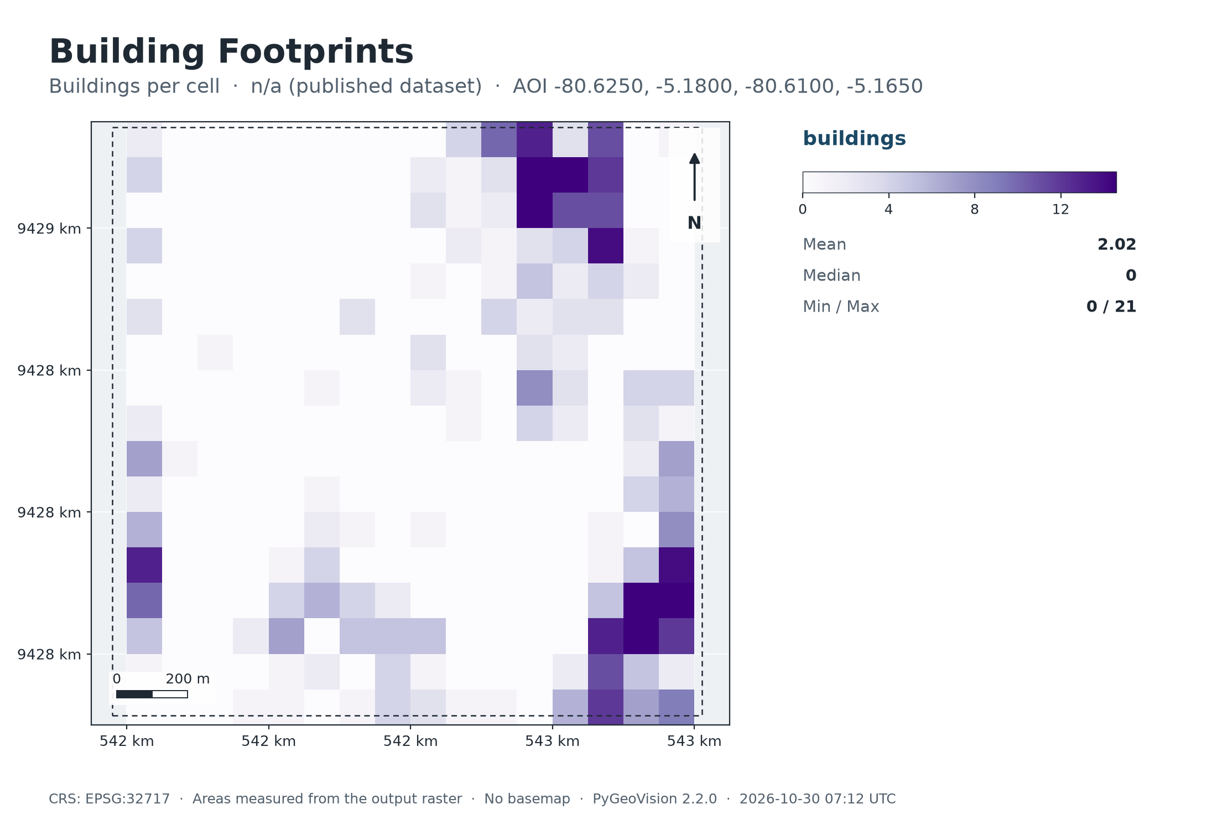
Map: Building Footprints

Summary chart
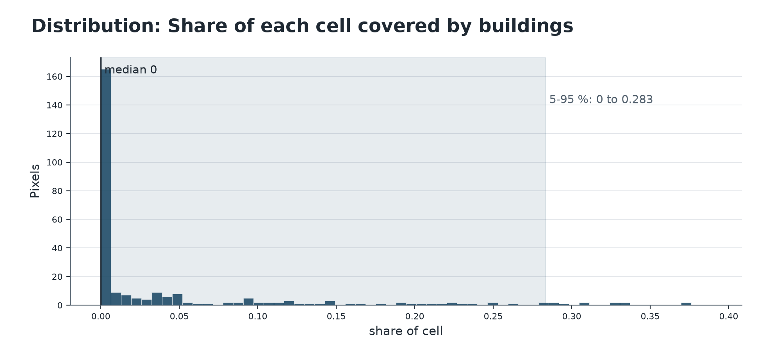

Map: Buildings per cell

