Summary
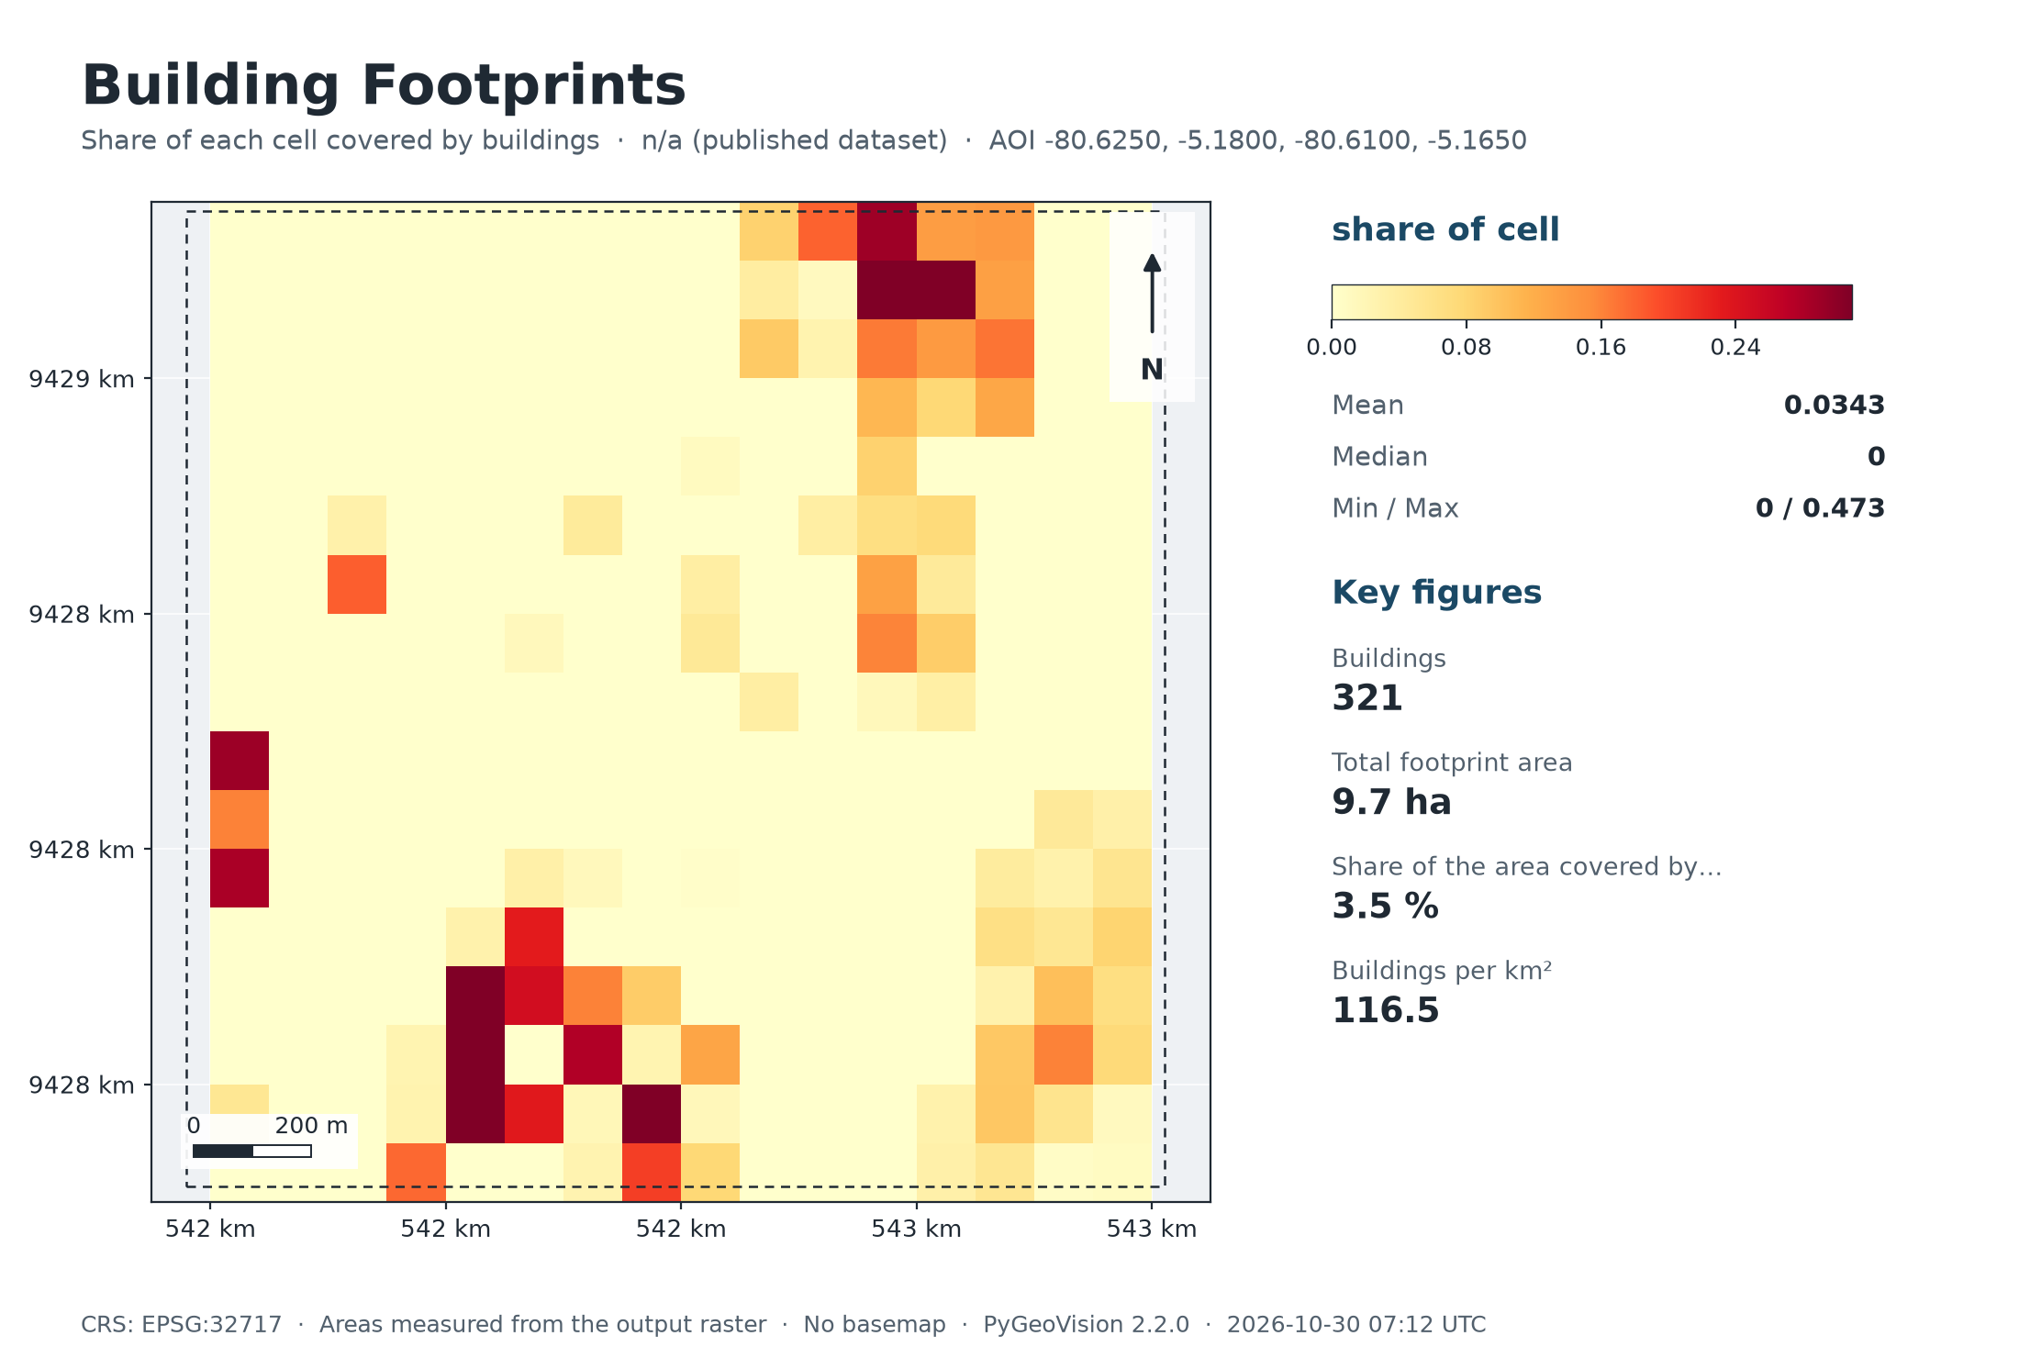
Building Footprints
n/a (published dataset) · 2.8 km²

321 | 9.7 ha |  | 3.5 % | 116.5
Buildings | Total footprint area |  | Share of the area covered by buildings | Buildings per km²

Executive summary
• 321 buildings from OpenStreetMap fall inside the area, covering 9.7 ha (3.5 % of the area; 116 per km²).
• These are the dataset's polygons, not detections on your own imagery.
OpenStreetMap: volunteered data. Completeness varies a great deal between places -- good in many towns, thin in rural areas; buildings mapped as multipolygon relations are not included.

Study area
Area of interest (west, south, east, north) |  | -80.6250, -5.1800, -80.6100, -5.1650
Centre |  | -5.1725°, -80.6175°
Area of interest |  | 2.76 km²
Period |  | n/a (published dataset)
Output grid |  | 18 × 17 pixels, EPSG:32717

Map

Maps
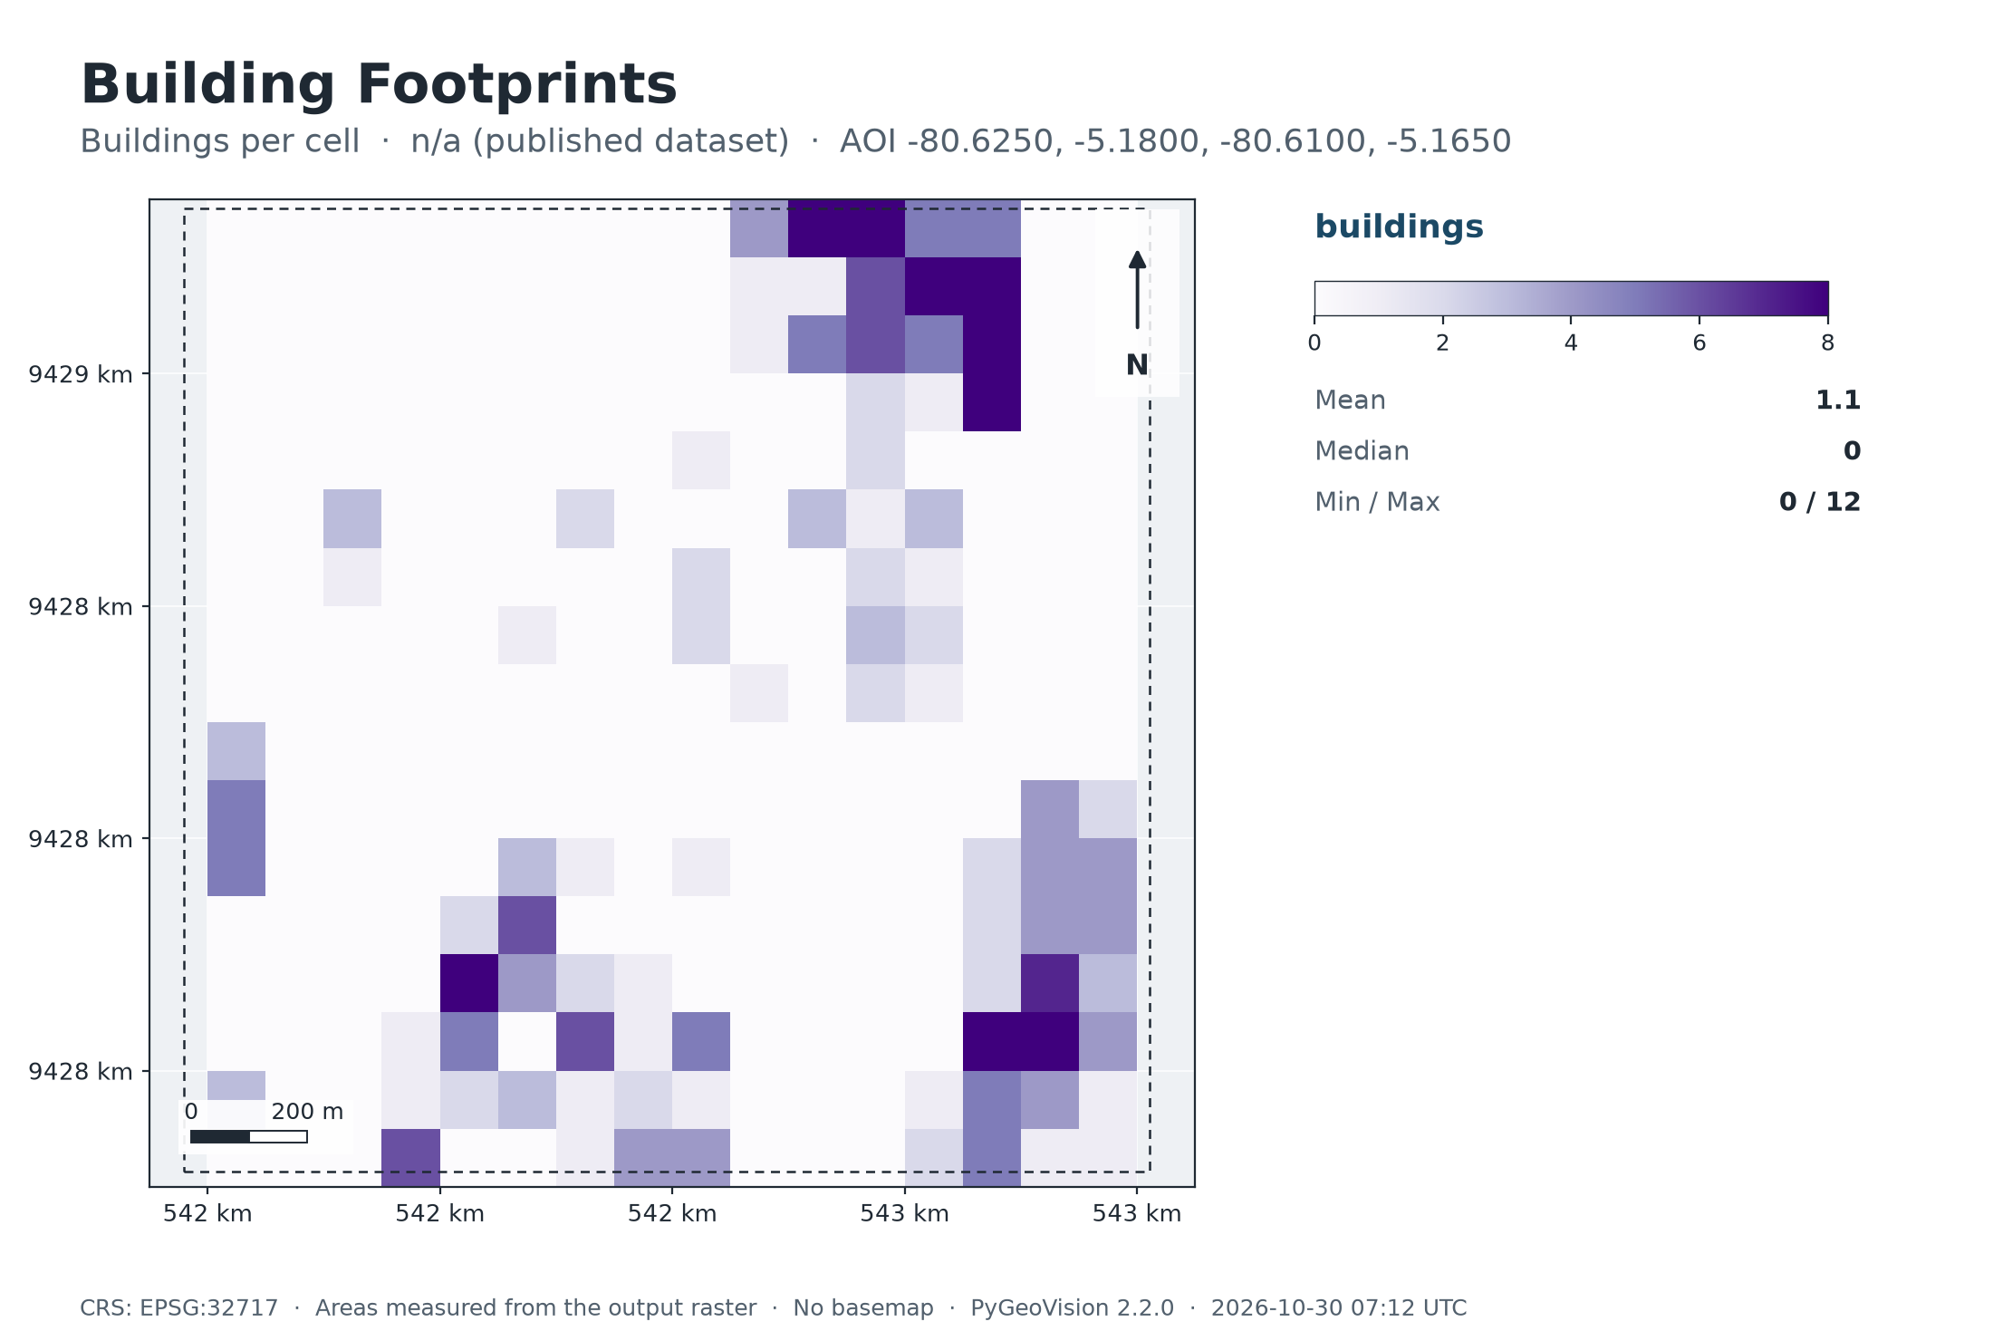
Map: Building Footprints

Summary chart
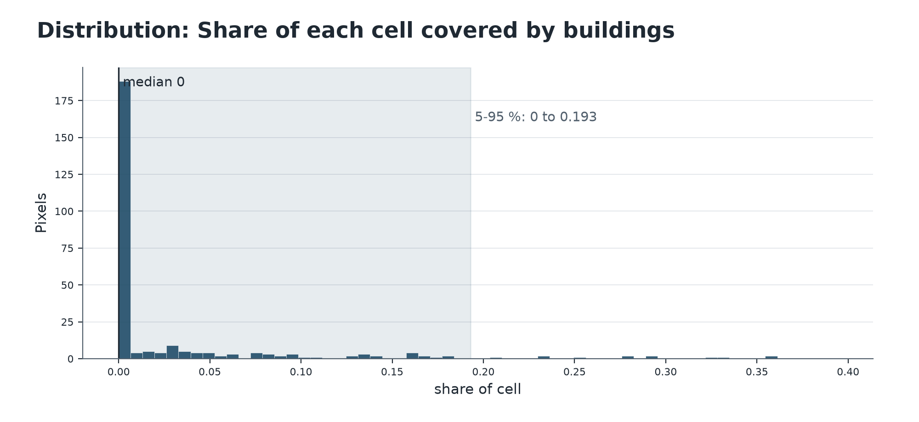

Map: Buildings per cell

