Summary
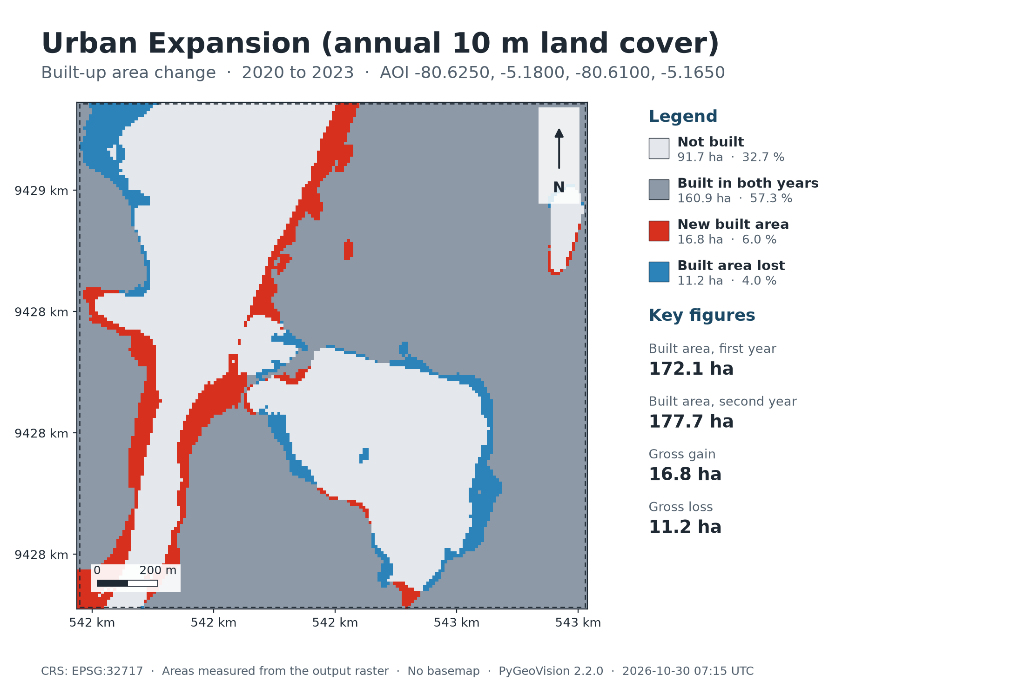
Urban Expansion (annual 10 m land cover)
2020 to 2023 · 2.8 km²

172.1 ha | 177.7 ha |  | 16.8 ha | 11.2 ha
Built area, first year | Built area, second year |  | Gross gain | Gross loss

Executive summary
• Built-up area went from 172.1 ha in 2020 to 177.7 ha in 2023: gross gain 16.8 ha, gross loss 11.2 ha, net 5.6 ha.
• Compound annual growth of the built-up area: 1.1 % per year.
Impact Observatory / Esri 10 m Annual Land Use Land Cover (v02, Sentinel-2 based, CC BY 4.0). Each year is classified independently, so a year-to-year difference contains classifier disagreement as well as real change; single-pixel flips are expected.

Study area
Area of interest (west, south, east, north) |  | -80.6250, -5.1800, -80.6100, -5.1650
Centre |  | -5.1725°, -80.6175°
Area of interest |  | 2.76 km²
Period |  | 2020 to 2023
Output grid |  | 168 × 167 pixels, EPSG:32717
Raster extent area |  | 2.81 km²
Valid (cloud-free) share |  | 100.0 %

Map

Classes
Class areas: Built-up area change
Class areas: Built-up area change
 | Class | Value | Pixels | Area (ha) | Share of valid area | Share of AOI
 | Not built | 0 | 9,173 | 91.7 |  | 32.7%
 | Built in both years | 1 | 16,089 | 160.9 |  | 57.3%
 | New built area | 2 | 1,677 | 16.8 |  | 6.0%
 | Built area lost | 3 | 1,117 | 11.2 |  | 4.0%
 | Total
Valid area 280.6 ha of 280.6 ha (28,056 of 28,056 pixels). Areas are measured from the output raster.

Maps
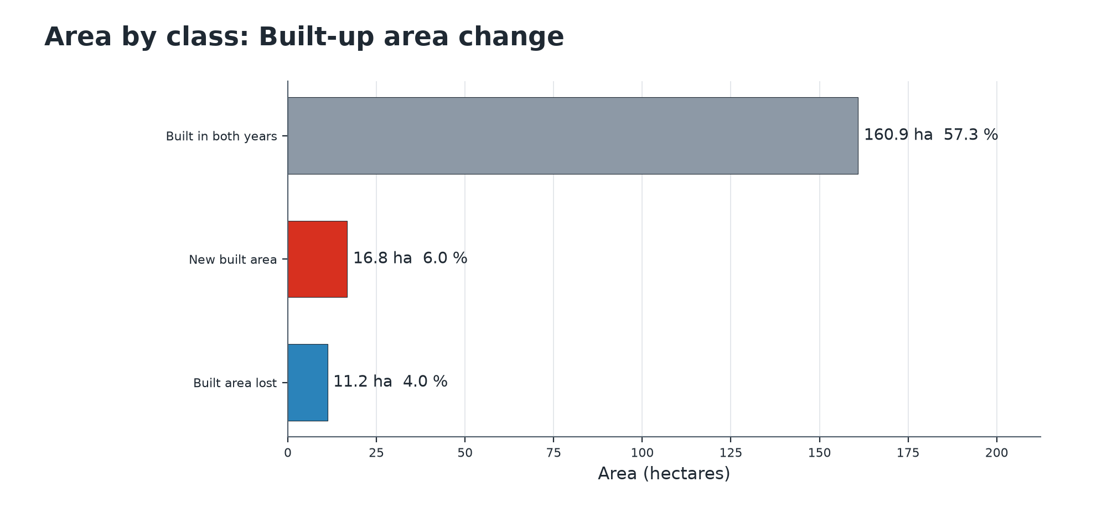
Map: Urban Expansion (annual 10 m land cover)

Summary chart

