Product Details Content
Seller Data

Category | Sub Category | Product | Product Quantity | Description | Price (Rs) | Discount (%)
Seeds | Field Crops | Hybrid Maize Y - 4KG | 4 KG | Sowing Season: Khariff Seed Characteristics: High Yielding, Wider Adaptability Seed Rate: 8- 9 Kg per Acre Yield: 23- 26 Quintal per Hectare Duration: 85 - 90 days | 1200 | 10%
 | Fruit Crops | Water Melon Gaya-H - 50 GM | 50 GM | Fruit Shape: Oblong, Speciality: Sweet taste, Fruit Weight: 7-9 kg, Maturity: 75-80 days | 400 | 25%
Fertilizers | Nano Fertilizers | Urea Nanosakthi -500 ML | 500 ML | Equivalent to 1 bag of Urea granules. Nano particle size: around 50 nm, which effectively increases bioavailability of nitrogen. Makes crop healthier and more vigor | 300 | 10%
 | Water Soluble Fertilizers | N:P:K (19-19-19) - 1 KG | 1 KG | Suitable for all crops 100% water soluble Easily mixes with Pesticides and Fungicides | 170 | 10%
Pesticides | Bio Pesticides | Azo DX - 1 KG | 1 KG | For management of bacterial pathogens and nematodes . Bacteria: Pseudomonas fluorescens Talc-based formulation Also helps in Nitrogen fixation | 220 | 10%
 | Herbicides | Glypho -41 - 1L | 1 L | Effective against non perenial and annual weeds Post emergence, non selective Herbicide Where to Use: Wider range of non cropped area, orchards | 600 | 2%

 |  |  |  | Benefits (+) Crops (+) How to Use (+) Manufacturer (+) *Emergency Response (+)

 |  |  |  | Please include above 3 items below the Description of each product . (+) would be a dummy with no action initiation

 |  |  |  | *Only for Herbicides

Agri Machinery | Power Sprayers | Aspee 16L 8Ah 12V Duo Electro 2 in 1 Battery Sprayer ADE001/8AHBR | 1 No | No.1 Brand Battery Powered Pump: Electric Motor Operated 12V, 3.1 Liter/Min. Free Flow Discharge Voltage: 12V Weight: 7 Kg L x W x H (in mm): 355 X 178 X 508 Price Inclusive of GST | 6000 | 2%

Agri Tools | Irrigation | Falcon Sprinkler and connector set | 1 No | Falcon Sprinkler and connector set Features:Including 1/2" hose connector, 1/2" waterstop hose connector, 1/2" & 3/4" tap adaptor,adjustable hose nozzle. | 350 | 10% | 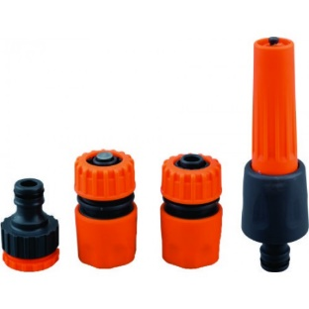

Allied Products | Tarpaulin | Silpaulin 250 GSM Black HDPE Tarpaulin Sheet/ 18ft X 24ft/ Heavy Duty Waterproof | 1 No | Brand: Silpaulin Colour: 100% Pure Virgin Natural Black Size: 18ft x 24ft. Waterproof, HDPE Thickness: 300 Micron/250 GSM. Aluminum Eyelet at every corner UV Treated, suitable for any weather Heavy duty, tough, durable, flexible | 4600 | 40% | 