观察者模式
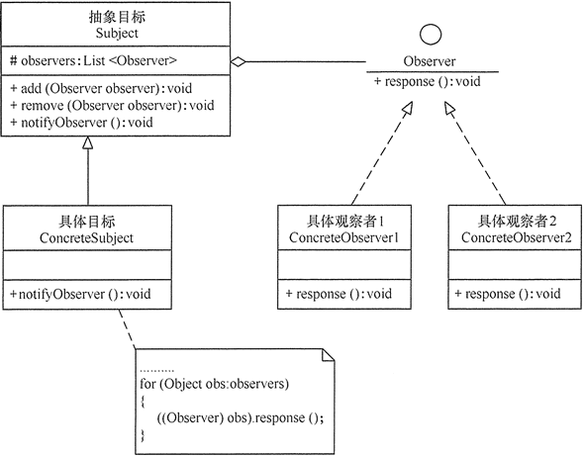
观察者模式
定义 | 定义了对象间的一对多依赖，让多个观察者对象同时监听某一个主题对象，当主题对象发生变化时，他的所有依赖者（观察者）都会收到通知并更新
适用场景 | 关联行为场景，建立一套触发机制
优点 | 观察者和被观察者之间建立一个抽象的耦合
 | 观察者模式支持广播通信
缺点 | 观察者之间有过多的细节依赖，提高时间消耗及程序复杂度
 | 使用要得当，要避免循环调用

实现观察者模式时要注意具体目标对象和具体观察者对象之间不能直接调用，否则将使两者之间紧密耦合起来，这违反了面向对象的设计原则。
1. 模式的结构
观察者模式的主要角色如下。
1. 抽象主题（Subject）角色：也叫抽象目标类，它提供了一个用于保存观察者对象的聚集类和增加、删除观察者对象的方法，以及通知所有观察者的抽象方法。
2. 具体主题（Concrete Subject）角色：也叫具体目标类，它实现抽象目标中的通知方法，当具体主题的内部状态发生改变时，通知所有注册过的观察者对象。
3. 抽象观察者（Observer）角色：它是一个抽象类或接口，它包含了一个更新自己的抽象方法，当接到具体主题的更改通知时被调用。
4. 具体观察者（Concrete Observer）角色：实现抽象观察者中定义的抽象方法，以便在得到目标的更改通知时更新自身的状态。

迭代器模式
迭代器模式
迭代器模式：提供一个方法去顺序访问一个集合中的元素，而又不暴露这些元素的内部表示
在软件模式中的聚合对象一般有两个功能，一个就是进行基本的存储元素。另一个功能就是经行遍历的功能。但是其实第二个功能可以将其变化，或者说将其抽离出来作为一个专门的方法进行使用。
这也是为啥有迭代器模式的原因，JAVA中也有迭代模式的实现。
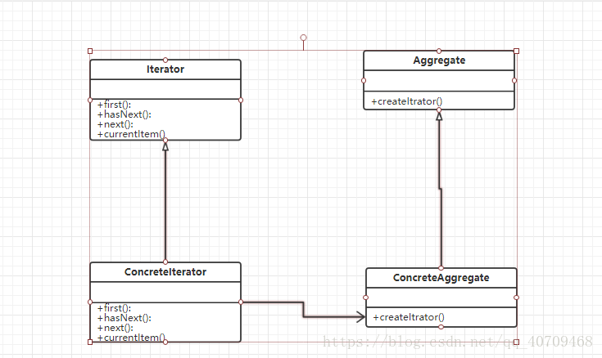

1、Iterator 抽象迭代类，一般为接口或者抽象类，在此类中一般有FIRST（）方法，用来获得第一个元素，NEXT（）方法：获得下一个元素。hasNext()方法用来判断是否有下一个元素，currentItem()方法：当前元素。

2、ConcreteIterator:具体迭代类，实现了父类的具体方法。并且在迭代的时候其实是一个游标在指向当前的元素的位置，通常标识的位置是一个非负整数。

3、Aggregate:抽象聚合类，用于存储具体的元素。并且声明了创建游标的方法。

4、ConcreteIterator:具体聚合类，实现了父类的方法。并且创建了一个具体的迭代器对象。

迭代器模式的实现
关键点就是进行分离，将耦合在一起的功能，分成两个部分。
1、抽象聚合类。包含了创建的迭代器的工厂方法模式.
package iteratorPattern;

import java.util.*;

public abstract class AbstractObjectList {
 | //创建一个object 的arraylist集合
 | protected List<Object> objectList = new ArrayList<Object>();
 | public AbstractObjectList(List<Object> list) {
 |  | // TODO Auto-generated constructor stub
 |  | this.objectList=list;
 | }
 | //添加方法。
 | public void AddObject(Object o) {
 |  | this.objectList.add(o);
 | }
 | //删除方法。
 | public void RemoveObject(Object o) {
 |  | this.objectList.remove(o);
 | }
 | //获取到list
 | public List<Object> getObjectList(){
 |  | return objectList;
 | }
 | //获取arrayList
 | //获取迭代器的工厂方法
 | public abstract AbstractIterator createIterator();

}
2、抽象迭代器类，这次实现的是正向和反向两个遍历的方式，其实都差不多。通过游标，其实就是数组的下标类似。来进行遍历。
package iteratorPattern;

public abstract class AbstractIterator {
 | //抽象迭代器类
 | //移到下一个元素
 | public abstract void next();

 | //移到上一个元素
 | public abstract void previous();

 | //获取上一个元素返回object
 | public abstract Object getPrevious();

 | //获取下一个元素放回OBJECT
 | public abstract Object getNext();
 | //是否是第一个元素boolean
 | public abstract boolean isNext();
 | //是否是最后一个元素
 | public abstract boolean isFrist();

}
3、具体聚合类：实现父类的方法，其次工厂类指定的是我这次需要用到的迭代器。可以进行扩展！
package iteratorPattern;

import java.util.List;

public class ConcreteObjectList extends AbstractObjectList {

 | public ConcreteObjectList(List<Object> list) {
 |  | super(list);
 |  | // TODO Auto-generated constructor stub
 | }

 | @Override
 | public AbstractIterator createIterator() {
 |  | // TODO Auto-generated method stub

 |  | return new ProducteIterator(this);
 | }

}
4、具体的迭代器类：这个里面有迭代所需要的方法，是核心类。
package iteratorPattern;

import java.util.ArrayList;
import java.util.List;

public class ProducteIterator extends AbstractIterator {
 | private List<Object> objectList = new ArrayList<Object>();
 | private int cursor1; | //游标
 | private int cursor2; | //游标2

 | public ProducteIterator(ConcreteObjectList obj) {
 |  | // TODO Auto-generated constructor stub
 |  | this.objectList=obj.getObjectList();
 |  | cursor1=0;
 |  | cursor2=objectList.size()-1;
 | }
 | @Override
 | public void next() {
 |  | // TODO Auto-generated method stub
 |  | if(cursor1<objectList.size()) {
 |  |  | cursor1++;
 |  | }
 | }

 | @Override
 | public void previous() {
 |  | // TODO Auto-generated method stub
 |  | if(cursor2>-1) {
 |  |  | cursor2--;
 |  | }
 | }

 | @Override
 | public Object getPrevious() {
 |  | // TODO Auto-generated method stub
 |  | return objectList.get(cursor2);
 | }

 | @Override
 | public Object getNext() {
 |  | // TODO Auto-generated method stub
 |  | return objectList.get(cursor1);
 | }

 | @Override
 | public boolean isNext() {
 |  | // TODO Auto-generated method stub
 |  | return (cursor1==objectList.size());
 | }

 | @Override
 | public boolean isFrist() {
 |  | // TODO Auto-generated method stub
 |  | return (cursor2==-1);
 | }

}
5、Client，测试类，这个就不用说了吧？
package iteratorPattern;

import java.util.ArrayList;
import java.util.List;

public class Client {
 | public static void main(String[] args) {
 |  | List<Object> list1 =new ArrayList<Object>();
 |  | AbstractObjectList list = new ConcreteObjectList(list1);
 |  | list.AddObject("倚天剑");
 |  | list.AddObject("屠龙刀");
 |  | list.AddObject("断肠草");
 |  | list.AddObject("葵花宝典");
 |  | list.AddObject("还我漂漂拳");

 |  | AbstractIterator iterator =list.createIterator();
 |  | System.out.println("正向遍历");

 |  | while(!iterator.isNext()) {
 |  |  | System.out.print(iterator.getNext()+"\t\t");
 |  |  | iterator.next();
 |  | }

 |  | //反向遍历
 |  | System.out.println("反向遍历");
 |  | while(!iterator.isFrist()) {
 |  |  | System.out.print(iterator.getPrevious()+"\t\t");
 |  |  | iterator.previous();
 |  | }
 | }
}

迭代器模式的优缺点和使用场景
优点：

第一解耦，象在JAVA中的迭代模式其实用的是COLLECTION继承了Iterator这个类。给自己提供了一个遍历器。我们通过自己进行创建遍历器，可以很方便。
其次，遍历的算法可以通过自己来定义。还可以定义N多种算法进行遍历。
由于引入了抽象迭代器，所以我们进行扩展的时候会比较方便，不用修改源码。符合开闭原则。
缺点:

有利有弊，当你进行分离一个类能解决的功能的时候，就势必会增加系统类的数量！
设计抽象迭代器的时候比较困难，因为需要考虑以后的如何扩展，哇！想想都觉得头大。
使用场景：

需要为一个集合，（聚合对象）提供N种不同的遍历方式的时候。
觉得别人代码垃圾，想要重构的时候。
为不同的聚合类，提供统一的遍历方法的接口的时候。

桥接模式
桥接模式
桥接（Bridge）是用于把抽象部分与实现部分解耦，使得二者可以独立变化。这种类型的设计模式属于结构型模式，它通过提供抽象化和实现化之间的桥接结构，来实现二者的解耦。
这种模式涉及到一个作为桥接的接口，使得实体类的功能独立于接口实现类。这两种类型的类可被结构化改变而互不影响。
通过组合的方式建立两个类之间联系，而不是继承
使用场景
抽象和具体实现之间增加更多的灵活性
一个类在两个（或多个）独立变化的维度，且这两个（或多个）维度都需要独立进行扩展
不希望使用继承，或因为多层继承导致系统类的个数剧增
优点
分离抽象部分机器具体实现部分
提高了系统的可扩展性
符合开闭原则
符合合成复用原则
缺点
增加了系统的理解于设计难度
需要正确地识别出系统中两个独立变化的维度
组合模式 | 适配器模式
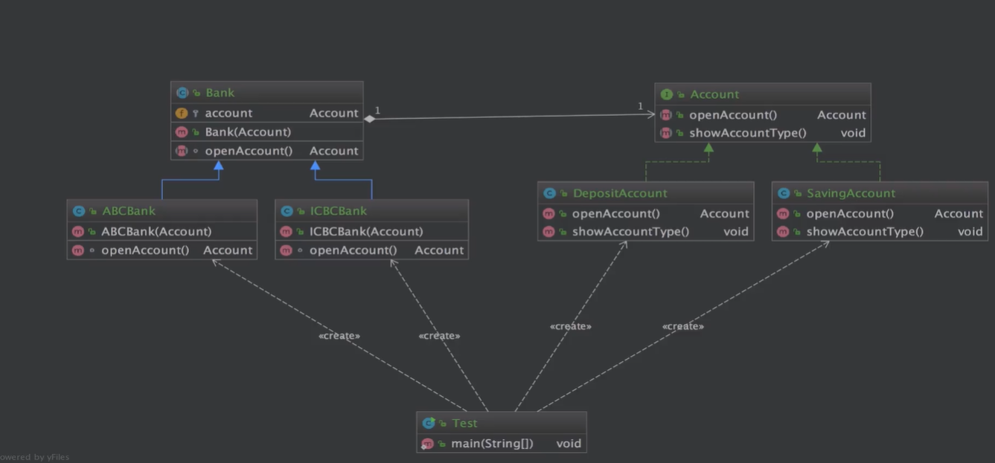

Account

DepositAccount

SavingAccount

Bank

ABCBank

ICBCBank

Test

