作業流程圖
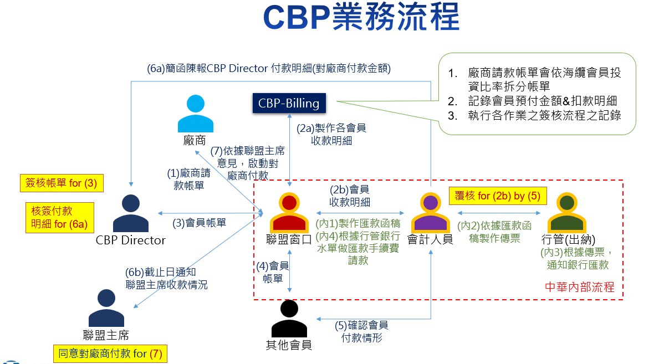

CBP fee invoice
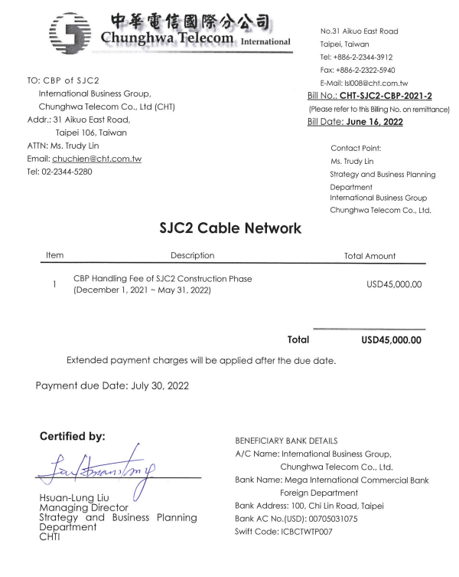

開帳發票(draft)
No. 31, Ai-kuo East Road,
Taipei, 106, Taiwan
Tel:+886-2-2344-5280

SJC2 Cable Network Central Billing Party Invoice

TO: China Mobile International Limited
Addr: Level 30, Tower 1, Kowloon Commerce Centre,
No.51 Kwai Cheong Road, Kwai Chung,
New Territories, Hong Kong
ATTN: Anthony Wong
E-Mail: anthonywong@cmi.chinamobile.com
Tel: +852 67656790
Invoice No.: SJC2-CBP-CMI-14A
(Please Refer To This Invoice No. on Remittance)
Issue Date: June 16, 2022
Due Date: July 30, 2022

(Currency: USD)

Supplier | INV. Ref. No. | Description | Amount Billed | % | Your share
CHT | CHT-SJC2-CBP-2021-2 | CBP Handling Fee (2021 Dec 1 ~ 2022 May 31) | 45,000.00 | 28.5714% | 12,857.14
 | SJC2 NSC-BM Jun 2022 | MWG cost | 100,000.00 | 26.3173% | 26,317.32
 |  | Prepaid bank charge for SJC2-CBP-CMI-14A-2 | 33.50 | 100.00% | 33.50
Total |  |  |  |  | 39,207.96
Certified by:
{{name}}
_________________________________
Hsuan-Lung Liu
Director, SJC2 CBP
International Business Group,
Chunghwa Telecom Co., Ltd.
Tel: +886-2-2344-3912
Fax: +886-2-2322-5940
E-Mail: lsl008@cht.com.tw
Payment by Telegraphic Transfer to
A/C Name: SJC2 Central Billing Party of Chunghwa
Telecom (International Business Group)
A/C No. : 054007501968
SWIFT Code: BKTWTWTP054
Bank Name: Bank of Taiwan, Hsinyi Branch
Bank Address: 88, Sec. 2, Sinyi Road, Taipei

開帳發票(draft-CBP logo)

 |  |  |  | No. 31, Ai-kuo East Road,
 |  |  |  | Taipei, 106, Taiwan
 |  |  |  | Tel: +886-2-2344-5280
 |  |  |  | Fax: +886-2-2322-5940

TPE Cable Network Upgrade #12 Central Billing Party
Invoice

TO: China United Network Communications |  |  |  | Invoice No.: TPEUPG12-CU-00
Group Company Limited, International Dept. |  |  |  | (Please Refer To This Invoice No. on Remittance)
ADDR: No 21 Jinrong St., Xicheng District, Beijing 100033 |  |  |  | Issue Date: | 31-Oct-22
ATTN: Mr. Wang Kai |  |  |  | Due Date: | 5-Dec-22
E-mail: wangkai@chinaunicom.cn
Tel.: +86-10-66259017
+86-15611112768

Supplier | Inv. Number | Description | Amount Billed | Liability | Your share (USD)
CIENA | 502646 | BM0: Contract Agreement | 163,412.01 | 14.67861250% | 23,986.62
CIENA | 6903038 | BM0: Contract Agreement | 27,487.59 | 14.67861250% | 4,034.80
CIENA | 15088 | BM0: Contract Agreement | 15,890.00 | 14.67861250% | 2,332.43
CIENA | 15088 | Services Tax of Japan | 1,589.00 | 14.67861250% | 233.24
CHT | TPE-UPG12-221021 | CBP Fee for UPG#12 (BM0) | 6,000.00 | 14.67861250% | 880.72
Total |  |  |  |  | 31,467.81

Certified by: |  |  | Payment shall be paid in full by wire transfer to,
 |  |  | Bank Name: Mega International Commercial Bank Co., Ltd
 |  |  | Branch Name: Head Office Foreign Department
 |  |  | Branch Address: 100 Chi Lin Rd., Taipei, Taiwan, 104
 |  |  | A/C Name:
Hsuan-Lung Liu |  |  | International Business Group Chunghwa Telecom Co., Ltd.
Director, TPE Upgrade CBP |  |  | Company Addr: 31 Aikuo E. Rd., Taipei, Taiwan, 106
International Business Group, |  |  | AC No.: 00753-110022
Chunghwa Telecom Co., Ltd. |  |  | Swift Code: ICBCTWTP007
Tel: +886-2-2344-3912
Fax: +886-2-2344-5940
E-Mail: lsl008@cht.com.tw

開帳發票(signed)
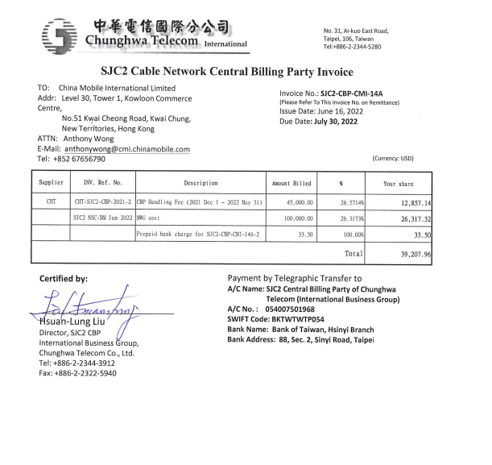

開帳發票(signed-CBP logo)
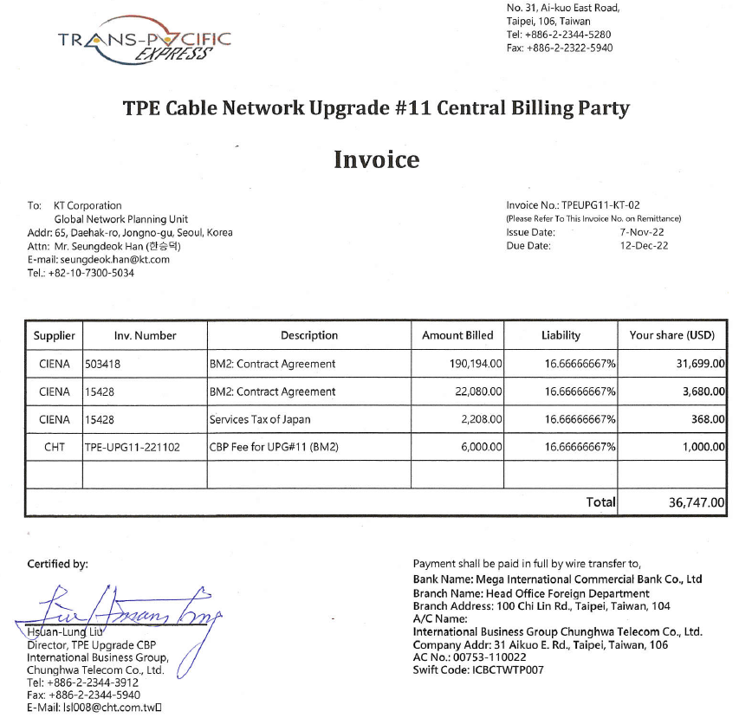

匯款函稿
