Project Timeline
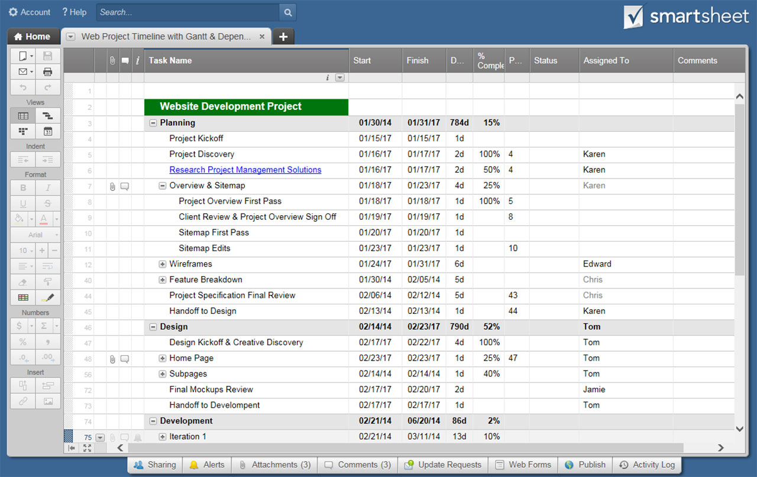
TODAY
PROJECT TIMELINE
Enter the date of the first Monday of each month ----> | Q1 |  |  |  |  |  |  |  |  |  |  |  |  |  |  | Q2 |  |  |  |  |  |  |  |  |  |  |  |  |  |  | Q3 |  |  |  |  |  |  |  |  |  |  |  |  | Q4
 | JANUARY |  |  |  |  | FEBRUARY |  |  |  |  | MARCH |  |  |  |  | APRIL |  |  |  |  | MAY |  |  |  |  | JUNE |  |  |  |  | JULY |  |  |  |  | AUGUST |  |  |  | SEPTEMBER |  |  |  | OCTOBER |  |  |  |  | NOVEMBER |  |  |  | DECEMBER
 | 2 | 9 | 16 | 23 | 30 | 6 | 13 | 20 | 27 | 34 | 6 | 13 | 20 | 27 |  | 3 | 10 | 17 | 24 |  | 1 | 8 | 15 | 22 | 29 | 5 | 12 | 19 | 26 |  | 3 | 10 | 17 | 24 | 31 | 7 | 14 | 21 | 28 | 4 | 11 | 18 | 25 | 2 | 9 | 16 | 23 | 30 | 6 | 13 | 20 | 27 | 4 | 11 | 18 | 25
PROJECT WEEK |  |  |  |  |  |  |  |  | 1 | 2 | 3 | 4 | 5 | 6 | 7 | 8 | 9 | 10 | 11 | 12 | 13 | 14 | 15 | 16 | 17 | 18 | 19 | 20 | 21 | 22 | 23 | 24 | 25 | 26
Project Charter
PROJECT END
PHASE ONE
Plan Review
Project Conception and Initiation
Initiation

Scope and Goal Setting
Budget
PHASE TWO
Project Definition and Planning
Work Bkdwn Structure
Gantt Chart
Communication Plan
Risk Management
Status and Tracking
KPIs
PHASE THREE
Project Launch of Execution
Quality
Forecasts

Objective Execution
Quality Deliverables
PHASE FOUR
Project Performance and Control
Effort and Cost Tracking
Performance
Postmortem
Project Punchlist
PHASE FIVE
Project Close
Report

CLICK HERE TO CREATE PROJECT TIMELINE TEMPLATES IN SMARTSHEET

BLANK - Project Timeline
TODAY
PROJECT TIMELINE
Enter the date of the first Monday of each month ----> | Q1 |  |  |  |  |  |  |  |  |  |  |  |  |  |  | Q2 |  |  |  |  |  |  |  |  |  |  |  |  |  | Q3 |  |  |  |  |  |  |  |  |  |  |  |  | Q4
 | JANUARY |  |  |  |  | FEBRUARY |  |  |  |  | MARCH |  |  |  |  | APRIL |  |  |  |  | MAY |  |  |  |  | JUNE |  |  |  | JULY |  |  |  |  | AUGUST |  |  |  | SEPTEMBER |  |  |  | OCTOBER |  |  |  |  | NOVEMBER |  |  |  | DECEMBER
 | 2 | 9 | 16 | 23 | 30 | 6 | 13 | 20 | 27 | 34 | 6 | 13 | 20 | 27 |  | 3 | 10 | 17 | 24 |  | 1 | 8 | 15 | 22 | 29 | 5 | 12 | 19 | 26 | 3 | 10 | 17 | 24 | 31 | 7 | 14 | 21 | 28 | 4 | 11 | 18 | 25 | 2 | 9 | 16 | 23 | 30 | 6 | 13 | 20 | 27 | 4 | 11 | 18 | 25
PROJECT WEEK | 1 | 2 | 3 | 4 | 5 | 6 | 7 | 8 | 9 | 10 | 11 | 12 | 13 | 14 | 15 | 16 | 17 | 18 | 19 | 20 | 21 | 22 | 23 | 24 | 25 | 26
Project Charter
PROJECT END
PHASE ONE
Plan Review
Project Conception and Initiation
Initiation

Scope & Goal Setting
Budget
PHASE TWO
Project Definition and Planning
Work Bkdwn Structure
Gantt Chart
Communication Plan
Risk Management
Status and Tracking
KPIs
PHASE THREE
Project Launch of Execution
Quality
Forecasts

Objective Execution
Quality Deliverables
Effort & Cost Tracking
PHASE FOUR
Project Performance and Control
Performance
Post Mortem
Project Punchlist
Report
PHASE FIVE
Project Close

