Mind Map
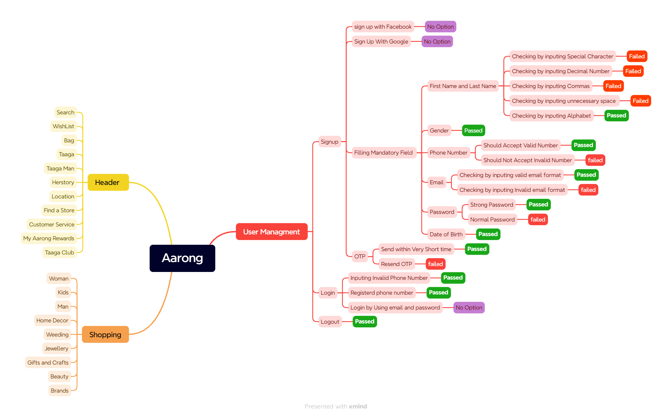

Test Summary
Test Case Report
Test Case Report
Project Name | Aarong
Module Name | SignUp and login
Test Case Version
Written By | Apurba Roy Ajay
Executed By | Apurba Roy Ajay
Reviewed By | Ehsanul Alam Sabbir

TEST EXECUTION REPORT

Test Case | PASS | FAIL | Not Executed | Out Of Scope | Total TC
 | 22 | 13 |  |  | 35
Grand Total | 22 | 13 | 0 | 0 | 35

