combined
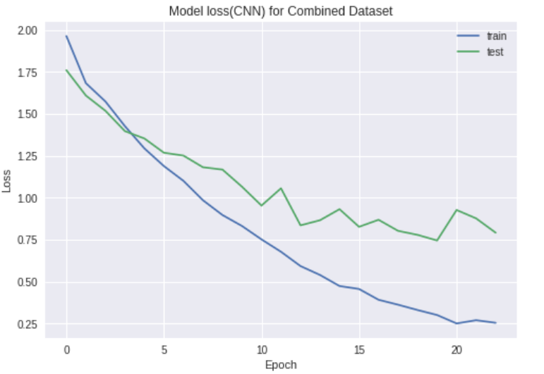
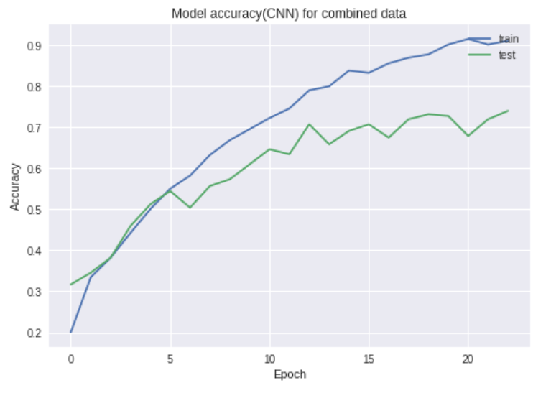
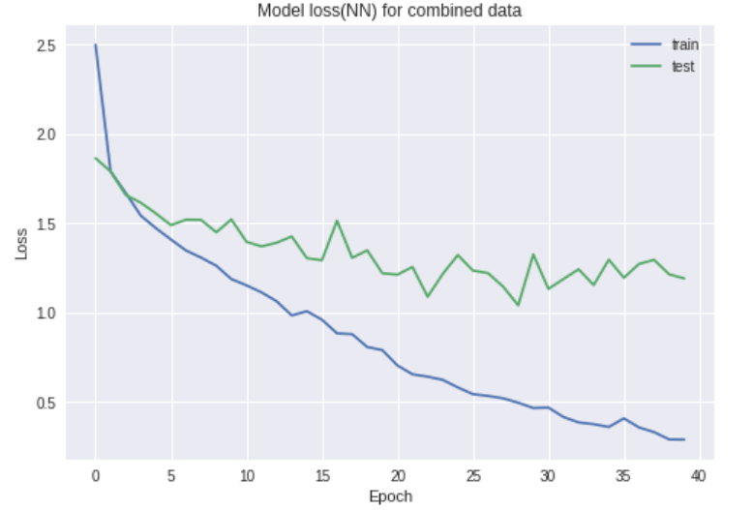
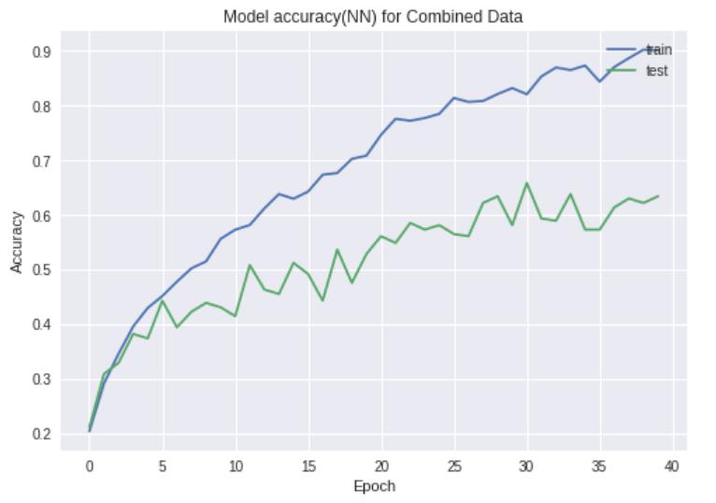
Configuration
 | Model | run no. | Train Loss | Train Accuracy | Test Loss | Test Accuracy | Accuracy
Combined | Random Guess |  |  |  |  |  | 0.12
 | SVM | 1 |  | 0.93 |  | 0.36 | 0.41
 | gamma=0.01, kernel='rbf' | 2 |  | 0.49 |  | 0.34
 | decision_function_shape='ovo' | 3 |  | 0.77 |  | 0.36
 |  | 4 |  | 0.81 |  | 0.34
 |  | 5 |  | 0.88 |  | 0.36
 | NN | 1 | 0.28 | 0.9 | 1.19 | 0.63 | 0.62
 | 2 hidden layers,rely,softmax | 2 | 0.29 | 0.89 | 1.3 | 0.61
 | adam | 3 | 0.26 | 0.9 | 1.3 | 0.59
 |  | 4 | 0.25 | 0.91 | 1.1 | 0.63
 |  | 5 | 0.29 | 0.89 | 1.31 | 0.62
 | CNN | 1 | 0.25 | 0.91 | 0.75 | 0.74 | 0.74
 | 3 conv 2 d with max pooling. | 2 | 0.27 | 0.89 | 0.74 | 0.77
 | 1 dense 128 nodes,relu,softmax | 3 | 0.18 | 0.93 | 1.03 | 0.73
 | adam,dropout 0.5 | 4 | 0.16 | 0.94 | 0.91 | 0.72
 | batch size 128, epochs=23 | 5 | 0.16 | 0.94 | 0.9 | 0.76

