Trade Journal
s.no | coin | profit/loss | date | image | Reason
1 | avax | 63 | 5/9/2026 | 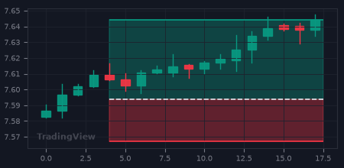 | trailing stop loss hit
2 | xrp | 118 | 5/9/2026 | 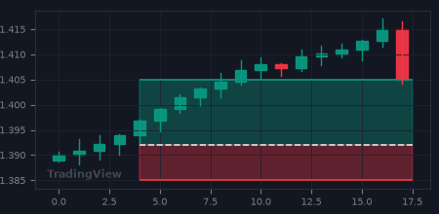 | tp hit
3 | xrp | -72 | 5/9/2026 | 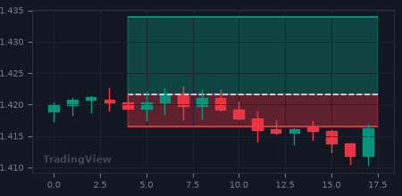 | stop loss hit
4 | sol | 188 | 5/9/2026 | 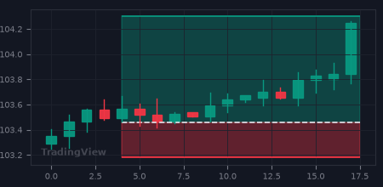 | trailing stop loss hit
5 | btc | 1 | 5/9/2026 | 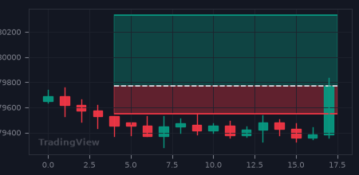 | trailing breakeven hit
6 | btc | 16 | 5/9/2026 | 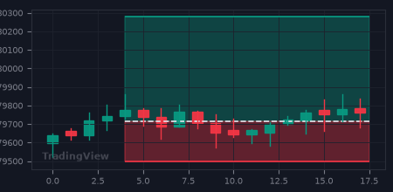 | 90-min stagnation scratch
7 | btc | 32 | 5/9/2026 | 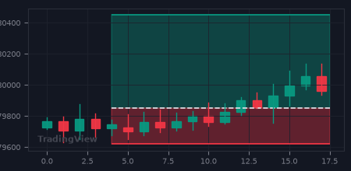 | trailing stop loss hit
8 | sol | 98 | 6/9/2026 | 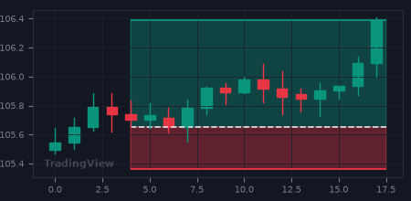 | tp hit
9 | eth | -68 | 6/9/2026 | 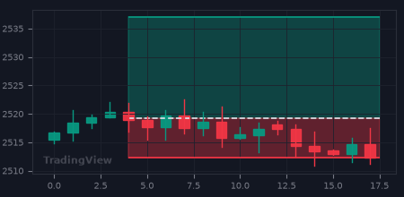 | stop loss hit

