Contents
 |  | Single User Throughput in 5G NR

Information

Title | Single User Throughput in 5G NR
Objective | To compare throughput for different spectrum options
Status | Approved for release

Contents

Sheet | Description
Contents | This contents sheet
Inputs | Input parameters used in calculation sheets
DL linkLevel | Calculation sheet for Downlink throughput calculations
UL linkLevel | Calculation sheet for Uplink throughput calculations
Sources | Sources of equations and parameters taken from 3gpp references

Terms and conditions
The terms and conditions on which OFCOM is making available the model are set out below. The SUT model provided has been developed to calculate the single user throughput for different spectrum scenarios and compare against differentservice throughput requirements. All right, title and interest in the provided model (the ‘Model’) constructed in Excel to calculate SUT are owned by OFCOM. Such title and interest is protected by United Kingdom intellectual property laws and international treaty provisions. While you may freely use the Model for the purposes for which it is provided, as set out in the accompanying model documentation, it is not to be modified in any way or used for commercial gain or otherwise without the prior written permission of OFCOM. No representation or warranty is given as to the accuracy, completeness or correctness of the provided Model and it is provided 'as is'. It is provided without any representation or endorsement made and without warranty of any kind, whether express or implied, including but not limited to the implied warranties of satisfactory quality, fitness for a particular purpose, non-infringement, compatibility, security and accuracy. OFCOM does not accept any responsibility for any loss, disruption or damage to your data or your computer system which may occur whilst using the Model or material derived from the Model. OFCOM does not warrant that the functions contained in the Model will be uninterrupted or error free. Also, OFCOM does not warrant that defects will be corrected, or that the Model provided is free of viruses. In no event will OFCOM be liable for any loss or damage including, without limitation, indirect or consequential loss or damage, or any loss or damages whatsoever arising from use or loss of use of, data or profits arising out of or in connection with the use or otherwise of the provided Model. By using this Model, you agree to the above.

DL linkLevel
Downlink Link Level Throughput Calculations
 |  |  |  | Plot configurations check
 | Parameter |  |  | DL 0.75 New - SINR
 | BS type | Macro | change on Inputs sheet | Macro | TRUE
 | DL/UL ratio | 75% | DL_ratio | 75% | TRUE
 | Scale Power | No | DL_scale | No | TRUE
 | Plot | SINR per layer (dB) | DL_Plot | SINR per layer (dB) | TRUE
 | Plot title | Downlink SUT Distribution (Downlink 75%)

 | Services | Mbps | Plot?
 | Mobile broadband live video | 300 | Yes | Yes | TRUE
 | Professional mobile video 8K 2D; Cloud VR 2K@90fps | 100 | Yes | Yes | TRUE
 | Cloud computer games for connected vehicles with 4K 3D graphics; Professional mobile video 4K 3D; Cloud VR 1018p@60fps | 50 | Yes | Yes | TRUE
 | Professional mobile video 4K 2D | 25 | Yes | Yes | TRUE
 | Cloud VR 720p@30fps | 20 | Yes | Yes | TRUE
...
Downlink SUT Distribution (Downlink 75%)
 | 100 MHz TDD 4x4 SU-MIMO | 80 MHz TDD 4x4 SU-MIMO | 40 + 40 MHz 4x4 SU-MIMO | 50 MHz TDD 4x4 SU-MIMO | 40 MHz TDD 4x4 SU-MIMO | Mobile broadband live video | Professional mobile video 8K 2D; Cloud VR 2K@90fps | Cloud computer games for connected vehicles with 4K 3D graphics; Professional mobile video 4K 3D; Cloud VR 1018p@60fps | Scenario 6, DL | Professional mobile video 4K 2D | Cloud VR 720p@30fps
-10 | 24.32 | 19.34 | 17.76 | 11.85 | 9.44 | 300 | 100 | 50 |  | 25 | 20
-9 | 30.26 | 24.06 | 22.09 | 14.74 | 11.75 | 300 | 100 | 50 |  | 25 | 20
-8 | 37.55 | 29.85 | 27.41 | 18.29 | 14.58 | 300 | 100 | 50 |  | 25 | 20
-7 | 46.43 | 36.91 | 33.89 | 22.62 | 18.03 | 300 | 100 | 50 |  | 25 | 20
-6 | 57.19 | 45.46 | 41.75 | 27.86 | 22.21 | 300 | 100 | 50 |  | 25 | 20
-5 | 70.13 | 55.74 | 51.19 | 34.16 | 27.23 | 300 | 100 | 50 |  | 25 | 20
-4 | 85.53 | 67.98 | 62.43 | 41.67 | 33.21 | 300 | 100 | 50 |  | 25 | 20
-3 | 103.68 | 82.42 | 75.69 | 50.51 | 40.26 | 300 | 100 | 50 |  | 25 | 20
-2 | 124.84 | 99.24 | 91.13 | 60.82 | 48.47 | 300 | 100 | 50 |  | 25 | 20
-1 | 149.21 | 118.60 | 108.92 | 72.69 | 57.93 | 300 | 100 | 50 |  | 25 | 20
0 | 176.90 | 140.62 | 129.13 | 86.18 | 68.69 | 300 | 100 | 50 |  | 25 | 20
1 | 207.97 | 165.31 | 151.81 | 101.32 | 80.75 | 300 | 100 | 50 |  | 25 | 20
2 | 242.38 | 192.66 | 176.93 | 118.08 | 94.11 | 300 | 100 | 50 |  | 25 | 20
3 | 279.98 | 222.55 | 204.38 | 136.40 | 108.71 | 300 | 100 | 50 |  | 25 | 20
4 | 320.59 | 254.83 | 234.02 | 156.19 | 124.48 | 300 | 100 | 50 |  | 25 | 20
5 | 363.96 | 289.30 | 265.68 | 177.31 | 141.32 | 300 | 100 | 50 |  | 25 | 20
6 | 409.79 | 325.73 | 299.13 | 199.64 | 159.11 | 300 | 100 | 50 |  | 25 | 20
7 | 457.79 | 363.89 | 334.17 | 223.03 | 177.75 | 300 | 100 | 50 |  | 25 | 20
8 | 507.68 | 403.54 | 370.59 | 247.33 | 197.12 | 300 | 100 | 50 |  | 25 | 20
9 | 559.16 | 444.46 | 408.17 | 272.41 | 217.11 | 300 | 100 | 50 |  | 25 | 20
10 | 611.99 | 486.45 | 446.73 | 298.15 | 237.62 | 300 | 100 | 50 |  | 25 | 20
11 | 665.94 | 529.33 | 486.11 | 324.43 | 258.57 | 300 | 100 | 50 |  | 25 | 20
12 | 720.81 | 572.95 | 526.17 | 351.16 | 279.88 | 300 | 100 | 50 |  | 25 | 20
13 | 776.44 | 617.17 | 566.77 | 378.27 | 301.48 | 300 | 100 | 50 |  | 25 | 20
14 | 832.69 | 661.88 | 607.83 | 405.67 | 323.32 | 300 | 100 | 50 |  | 25 | 20
15 | 889.44 | 706.99 | 649.26 | 433.32 | 345.35 | 300 | 100 | 50 |  | 25 | 20
16 | 946.59 | 752.42 | 690.98 | 461.16 | 367.54 | 300 | 100 | 50 |  | 25 | 20
17 | 1004.07 | 798.11 | 732.93 | 489.16 | 389.86 | 300 | 100 | 50 |  | 25 | 20
18 | 1061.81 | 844.00 | 775.08 | 517.29 | 412.28 | 300 | 100 | 50 |  | 25 | 20
19 | 1119.75 | 890.06 | 817.38 | 545.52 | 434.78 | 300 | 100 | 50 |  | 25 | 20
20 | 1177.86 | 936.25 | 859.80 | 573.83 | 457.34 | 300 | 100 | 50 |  | 25 | 20
21 | 1236.11 | 982.55 | 902.32 | 602.21 | 479.95 | 300 | 100 | 50 |  | 25 | 20
22 | 1294.46 | 1028.93 | 944.91 | 630.64 | 502.61 | 300 | 100 | 50 |  | 25 | 20
23 | 1352.90 | 1075.38 | 987.57 | 659.10 | 525.30 | 300 | 100 | 50 |  | 25 | 20
24 | 1411.40 | 1121.88 | 1030.27 | 687.61 | 548.02 | 300 | 100 | 50 |  | 25 | 20
25 | 1469.96 | 1168.43 | 1073.02 | 716.14 | 570.75 | 300 | 100 | 50 |  | 25 | 20
26 | 1528.56 | 1215.01 | 1115.79 | 744.68 | 593.51 | 300 | 100 | 50 |  | 25 | 20
27 | 1587.20 | 1261.62 | 1158.60 | 773.25 | 616.27 | 300 | 100 | 50 |  | 25 | 20
28 | 1627.55 | 1293.70 | 1188.05 | 792.91 | 631.94 | 300 | 100 | 50 |  | 25 | 20
29 | 1627.55 | 1293.70 | 1188.05 | 792.91 | 631.94 | 300 | 100 | 50 |  | 25 | 20
30 | 1627.55 | 1293.70 | 1188.05 | 792.91 | 631.94 | 300 | 100 | 50 |  | 25 | 20
31 | 1627.55 | 1293.70 | 1188.05 | 792.91 | 631.94 | 300 | 100 | 50 |  | 25 | 20
32 | 1627.55 | 1293.70 | 1188.05 | 792.91 | 631.94 | 300 | 100 | 50 |  | 25 | 20
40 | 1627.55 | 1293.70 | 1188.05 | 792.91 | 631.94 | 300 | 100 | 50 |  | 25 | 20
 |  |  |  |  |  | Service Lines
 |  |  |  |  |  | Mobile broadband live video | Professional mobile video 8K 2D; Cloud VR 2K@90fps | Cloud computer games for connected vehicles with 4K 3D graphics; Professional mobile video 4K 3D; Cloud VR 1018p@60fps | Professional mobile video 4K 2D | Cloud VR 720p@30fps
 |  |  |  |  |  | 300 | 100 | 50 | 25 | 20
 |  |  |  |  |  | 300 | 100 | 50 | 25 | 20
 |  |  |  |  |  | 300 | 100 | 50 | 25 | 20
 |  |  |  |  |  | 300 | 100 | 50 | 25 | 20
 |  |  |  |  |  | 300 | 100 | 50 | 25 | 20
 |  |  |  |  |  | 300 | 100 | 50 | 25 | 20
 |  |  |  |  |  | 300 | 100 | 50 | 25 | 20
 |  |  |  |  |  | 300 | 100 | 50 | 25 | 20
 |  |  |  |  |  | 300 | 100 | 50 | 25 | 20
 |  |  |  |  |  | 300 | 100 | 50 | 25 | 20
 |  |  |  |  |  | 300 | 100 | 50 | 25 | 20 | 172.5
 |  |  |  |  |  | 300 | 100 | 50 | 25 | 20
 |  |  |  |  |  | 300 | 100 | 50 | 25 | 20
 |  |  |  |  |  | 300 | 100 | 50 | 25 | 20
 |  |  |  |  |  | 300 | 100 | 50 | 25 | 20
 |  |  |  |  |  | 300 | 100 | 50 | 25 | 20
 |  |  |  |  |  | 300 | 100 | 50 | 25 | 20
 |  |  |  |  |  | 300 | 100 | 50 | 25 | 20
 |  |  |  |  |  | 300 | 100 | 50 | 25 | 20
 |  |  |  |  |  | 300 | 100 | 50 | 25 | 20
 |  |  |  |  |  | 300 | 100 | 50 | 25 | 20
 |  |  |  |  |  | 300 | 100 | 50 | 25 | 20
 |  |  |  |  |  | 300 | 100 | 50 | 25 | 20
 |  |  |  |  |  | 300 | 100 | 50 | 25 | 20
 |  |  |  |  |  | 300 | 100 | 50 | 25 | 20
 |  |  |  |  |  | 300 | 100 | 50 | 25 | 20
 |  |  |  |  |  | 300 | 100 | 50 | 25 | 20
 |  |  |  |  |  | 300 | 100 | 50 | 25 | 20
 |  |  |  |  |  | 300 | 100 | 50 | 25 | 20
 |  |  |  |  |  | 300 | 100 | 50 | 25 | 20
 |  |  |  |  |  | 300 | 100 | 50 | 25 | 20
 |  |  |  |  |  | 300 | 100 | 50 | 25 | 20
 |  |  |  |  |  | 300 | 100 | 50 | 25 | 20
 |  |  |  |  |  | 300 | 100 | 50 | 25 | 20
 |  |  |  |  |  | 300 | 100 | 50 | 25 | 20
 |  |  |  |  |  | 300 | 100 | 50 | 25 | 20
 |  |  |  |  |  | 300 | 100 | 50 | 25 | 20
 |  |  |  |  |  | 300 | 100 | 50 | 25 | 20
 |  |  |  |  |  | 300 | 100 | 50 | 25 | 20
 |  |  |  |  |  | 300 | 100 | 50 | 25 | 20
 |  |  |  |  |  | 300 | 100 | 50 | 25 | 20
 |  |  |  |  |  | 300 | 100 | 50 | 25 | 20
 |  |  |  |  |  | 300 | 100 | 50 | 25 | 20
 |  |  |  |  |  | 300 | 100 | 50 | 25 | 20
 |  |  |  |  |  | 300 | 100 | 50 | 25 | 20
 |  |  |  |  |  | 300 | 100 | 50 | 25 | 20
 |  |  |  |  |  | 300 | 100 | 50 | 25 | 20
 |  |  |  |  |  | 300 | 100 | 50 | 25 | 20
 |  |  |  |  |  | 300 | 100 | 50 | 25 | 20
 |  |  |  |  |  | 300 | 100 | 50 | 25 | 20
 |  |  |  |  |  | 300 | 100 | 50 | 25 | 20

UL linkLevel
...
Uplink SUT Distribution (Uplink 25%)
 | 100 MHz TDD 2x2 SU-MIMO |  | 80 MHz TDD 2x2 SU-MIMO |  | 50 MHz TDD 2x2 SU-MIMO |  | 40 MHz TDD 2x2 SU-MIMO |  | Mobile broadband live video; Cloud computer games for connected vehicles with 4K 3D graphics |  | service 2 |  | Connectivity for drones |  | Scenario 6, DL
-10 | 3.72 | -10 | 2.95 | -10 | 1.81 | -10 | 1.44 | -10 | 50 | -10 | 0 | -10 | 20 | -10
-9 | 4.62 | -9 | 3.68 | -9 | 2.25 | -9 | 1.80 | -9 | 50 | -9 | 0 | -9 | 20 | -9
-8 | 5.74 | -8 | 4.56 | -8 | 2.79 | -8 | 2.23 | -8 | 50 | -8 | 0 | -8 | 20 | -8
-7 | 7.09 | -7 | 5.64 | -7 | 3.46 | -7 | 2.75 | -7 | 50 | -7 | 0 | -7 | 20 | -7
-6 | 8.74 | -6 | 6.95 | -6 | 4.26 | -6 | 3.39 | -6 | 50 | -6 | 0 | -6 | 20 | -6
-5 | 10.71 | -5 | 8.52 | -5 | 5.22 | -5 | 4.16 | -5 | 50 | -5 | 0 | -5 | 20 | -5
-4 | 13.07 | -4 | 10.39 | -4 | 6.37 | -4 | 5.07 | -4 | 50 | -4 | 0 | -4 | 20 | -4
-3 | 15.84 | -3 | 12.59 | -3 | 7.72 | -3 | 6.15 | -3 | 50 | -3 | 0 | -3 | 20 | -3
-2 | 19.07 | -2 | 15.16 | -2 | 9.29 | -2 | 7.41 | -2 | 50 | -2 | 0 | -2 | 20 | -2
-1 | 22.80 | -1 | 18.12 | -1 | 11.11 | -1 | 8.85 | -1 | 50 | -1 | 0 | -1 | 20 | -1
0 | 27.03 | 0 | 21.48 | 0 | 13.17 | 0 | 10.49 | 0 | 50 | 0 | 0 | 0 | 20 | 0
1 | 31.77 | 1 | 25.26 | 1 | 15.48 | 1 | 12.34 | 1 | 50 | 1 | 0 | 1 | 20 | 1
2 | 37.03 | 2 | 29.43 | 2 | 18.04 | 2 | 14.38 | 2 | 50 | 2 | 0 | 2 | 20 | 2
3 | 42.78 | 3 | 34.00 | 3 | 20.84 | 3 | 16.61 | 3 | 50 | 3 | 0 | 3 | 20 | 3
4 | 48.98 | 4 | 38.93 | 4 | 23.86 | 4 | 19.02 | 4 | 50 | 4 | 0 | 4 | 20 | 4
5 | 55.60 | 5 | 44.20 | 5 | 27.09 | 5 | 21.59 | 5 | 50 | 5 | 0 | 5 | 20 | 5
6 | 62.61 | 6 | 49.76 | 6 | 30.50 | 6 | 24.31 | 6 | 50 | 6 | 0 | 6 | 20 | 6
7 | 69.94 | 7 | 55.59 | 7 | 34.07 | 7 | 27.16 | 7 | 50 | 7 | 0 | 7 | 20 | 7
8 | 77.56 | 8 | 61.65 | 8 | 37.79 | 8 | 30.12 | 8 | 50 | 8 | 0 | 8 | 20 | 8
9 | 85.43 | 9 | 67.90 | 9 | 41.62 | 9 | 33.17 | 9 | 50 | 9 | 0 | 9 | 20 | 9
10 | 93.50 | 10 | 74.32 | 10 | 45.55 | 10 | 36.30 | 10 | 50 | 10 | 0 | 10 | 20 | 10
11 | 101.74 | 11 | 80.87 | 11 | 49.57 | 11 | 39.50 | 11 | 50 | 11 | 0 | 11 | 20 | 11
12 | 110.12 | 12 | 87.53 | 12 | 53.65 | 12 | 42.76 | 12 | 50 | 12 | 0 | 12 | 20 | 12
13 | 118.62 | 13 | 94.29 | 13 | 57.79 | 13 | 46.06 | 13 | 50 | 13 | 0 | 13 | 20 | 13
14 | 127.22 | 14 | 101.12 | 14 | 61.98 | 14 | 49.40 | 14 | 50 | 14 | 0 | 14 | 20 | 14
15 | 135.89 | 15 | 108.01 | 15 | 66.20 | 15 | 52.76 | 15 | 50 | 15 | 0 | 15 | 20 | 15
16 | 144.62 | 16 | 114.95 | 16 | 70.45 | 16 | 56.15 | 16 | 50 | 16 | 0 | 16 | 20 | 16
17 | 153.40 | 17 | 121.93 | 17 | 74.73 | 17 | 59.56 | 17 | 50 | 17 | 0 | 17 | 20 | 17
18 | 162.22 | 18 | 128.94 | 18 | 79.03 | 18 | 62.99 | 18 | 50 | 18 | 0 | 18 | 20 | 18
19 | 171.07 | 19 | 135.98 | 19 | 83.34 | 19 | 66.42 | 19 | 50 | 19 | 0 | 19 | 20 | 19
20 | 179.95 | 20 | 143.04 | 20 | 87.67 | 20 | 69.87 | 20 | 50 | 20 | 0 | 20 | 20 | 20
21 | 188.85 | 21 | 150.11 | 21 | 92.00 | 21 | 73.33 | 21 | 50 | 21 | 0 | 21 | 20 | 21
22 | 197.77 | 22 | 157.20 | 22 | 96.35 | 22 | 76.79 | 22 | 50 | 22 | 0 | 22 | 20 | 22
23 | 206.69 | 23 | 164.29 | 23 | 100.70 | 23 | 80.25 | 23 | 50 | 23 | 0 | 23 | 20 | 23
24 | 215.63 | 24 | 171.40 | 24 | 105.05 | 24 | 83.72 | 24 | 50 | 24 | 0 | 24 | 20 | 24
25 | 217.64 | 25 | 172.99 | 25 | 106.03 | 25 | 84.50 | 25 | 50 | 25 | 0 | 25 | 20 | 25
26 | 217.64 | 26 | 172.99 | 26 | 106.03 | 26 | 84.50 | 26 | 50 | 26 | 0 | 26 | 20 | 26
27 | 217.64 | 27 | 172.99 | 27 | 106.03 | 27 | 84.50 | 27 | 50 | 27 | 0 | 27 | 20 | 27
28 | 217.64 | 28 | 172.99 | 28 | 106.03 | 28 | 84.50 | 28 | 50 | 28 | 0 | 28 | 20 | 28
29 | 217.64 | 29 | 172.99 | 29 | 106.03 | 29 | 84.50 | 29 | 50 | 29 | 0 | 29 | 20 | 29
30 | 217.64 | 30 | 172.99 | 30 | 106.03 | 30 | 84.50 | 30 | 50 | 30 | 0 | 30 | 20 | 30
 |  |  |  |  |  |  |  |  |  |  |  |  |  | 31
 |  |  |  |  |  |  |  |  |  |  |  |  |  | 32
 |  |  |  |  |  |  |  |  |  |  |  |  |  | 33
 |  |  |  |  |  |  |  |  |  |  |  |  |  | 34
 |  |  |  |  |  |  |  |  |  |  |  |  |  | 35
 |  |  |  |  |  |  |  |  |  |  |  |  |  | 36
 |  |  |  |  |  |  |  |  |  |  |  |  |  | 37
 |  |  |  |  |  |  |  |  |  |  |  |  |  | 38
 |  |  |  |  |  |  |  |  |  |  |  |  |  | 39
...
 | Service Lines
0 | Mobile broadband live video; Cloud computer games for connected vehicles with 4K 3D graphics | service 2 | Connectivity for drones | service 4 | service 5
0.00 | 50 |  | 20
0.00 | 50 |  | 20
0.00 | 50 |  | 20
0.00 | 50 |  | 20
0.00 | 50 |  | 20
0.00 | 50 |  | 20
0.00 | 50 |  | 20
0.00 | 50 |  | 20
0.00 | 50 |  | 20
0.00 | 50 |  | 20
0.00 | 50 |  | 20
0.00 | 50 |  | 20
0.00 | 50 |  | 20
0.00 | 50 |  | 20
0.00 | 50 |  | 20
0.00 | 50 |  | 20
0.00 | 50 |  | 20
0.00 | 50 |  | 20
0.00 | 50 |  | 20
0.00 | 50 |  | 20
0.00 | 50 |  | 20
0.00 | 50 |  | 20
0.00 | 50 |  | 20
0.00 | 50 |  | 20
0.00 | 50 |  | 20
0.00 | 50 |  | 20
0.00 | 50 |  | 20
0.00 | 50 |  | 20
0.00 | 50 |  | 20
0.00 | 50 |  | 20
0.00 | 50 |  | 20
0.00 | 50 |  | 20
0.00 | 50 |  | 20
0.00 | 50 |  | 20
0.00 | 50 |  | 20
0.00 | 50 |  | 20
0.00 | 50 |  | 20
0.00 | 50 |  | 20
0.00 | 50 |  | 20
0.00 | 50 |  | 20
0.00 | 50 |  | 20

Sources
...
5g NR Max Throughput calculations
Taken from §4.1.2 in 3GPP TS 38.306

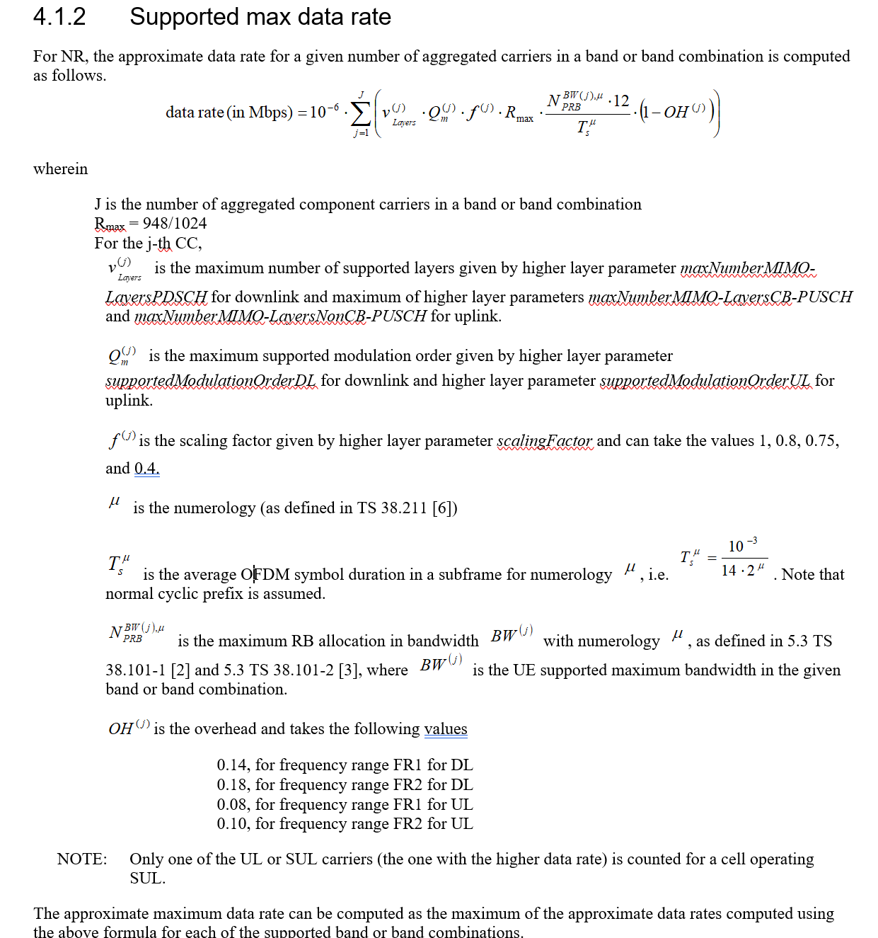
 |  | Table 5.2.2.1-3: 4-bit CQI Table 2 (downlink
 |  | CQI index | modulation | code rate x 1024 | efficiency
 |  | 0 | out of range
 |  | 1 | QPSK | 78 | 0.1523
 |  | 2 | QPSK | 193 | 0.377
 |  | 3 | QPSK | 449 | 0.877
 |  | 4 | 16QAM | 378 | 1.4766
 |  | 5 | 16QAM | 490 | 1.9141
 |  | 6 | 16QAM | 616 | 2.4063
 |  | 7 | 64QAM | 466 | 2.7305
 |  | 8 | 64QAM | 567 | 3.3223
 |  | 9 | 64QAM | 666 | 3.9023
 |  | 10 | 64QAM | 772 | 4.5234
 |  | 11 | 64QAM | 873 | 5.1152
 |  | 12 | 256QAM | 711 | 5.5547
 |  | 13 | 256QAM | 797 | 6.2266
 |  | 14 | 256QAM | 885 | 6.9141
 |  | 15 | 256QAM | 948 | 7.4063
 |  | Table 5.2.2.1-2: 4-bit CQI Table (uplink
 |  | CQI index | modulation | code rate x 1024 | efficiency
 |  | 0 | out of range
 |  | 1 | QPSK | 78 | 0.1523
 |  | 2 | QPSK | 120 | 0.2344
 |  | 3 | QPSK | 193 | 0.377
 |  | 4 | QPSK | 308 | 0.6016
 |  | 5 | QPSK | 449 | 0.877
 |  | 6 | QPSK | 602 | 1.1758
 |  | 7 | 16QAM | 378 | 1.4766
 |  | 8 | 16QAM | 490 | 1.9141
 |  | 9 | 16QAM | 616 | 2.4063
 | Note: total Res Elem from Max Tput is NRB*12/T = NRB*12*14*1000*2^mu | 10 | 64QAM | 466 | 2.7305
 |  | 11 | 64QAM | 567 | 3.3223
 |  | 12 | 64QAM | 666 | 3.9023
 |  | 13 | 64QAM | 772 | 4.5234
 |  | 14 | 64QAM | 873 | 5.1152
 |  | 15 | 64QAM | 948 | 5.5547

