RF14
RF14
Estado Inicial:

Convencion

Usuarios
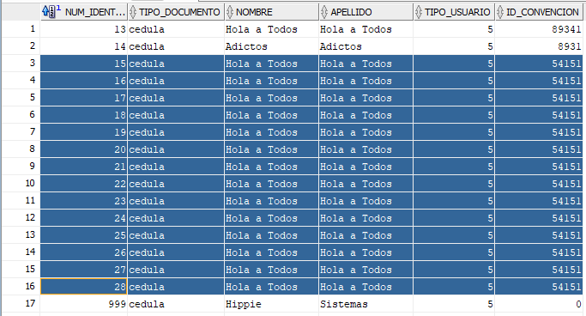

Reservas | Observar la casilla check out

Al identificar al organizador con id 57012 y tipo de documento cedula, se puede dar la salida de la convencion, permitiendo hacer el check out

Despues se accede al id 54151 y los usuarios de la base de datos tendran una hora de check out, sera la actual para defectos del programa
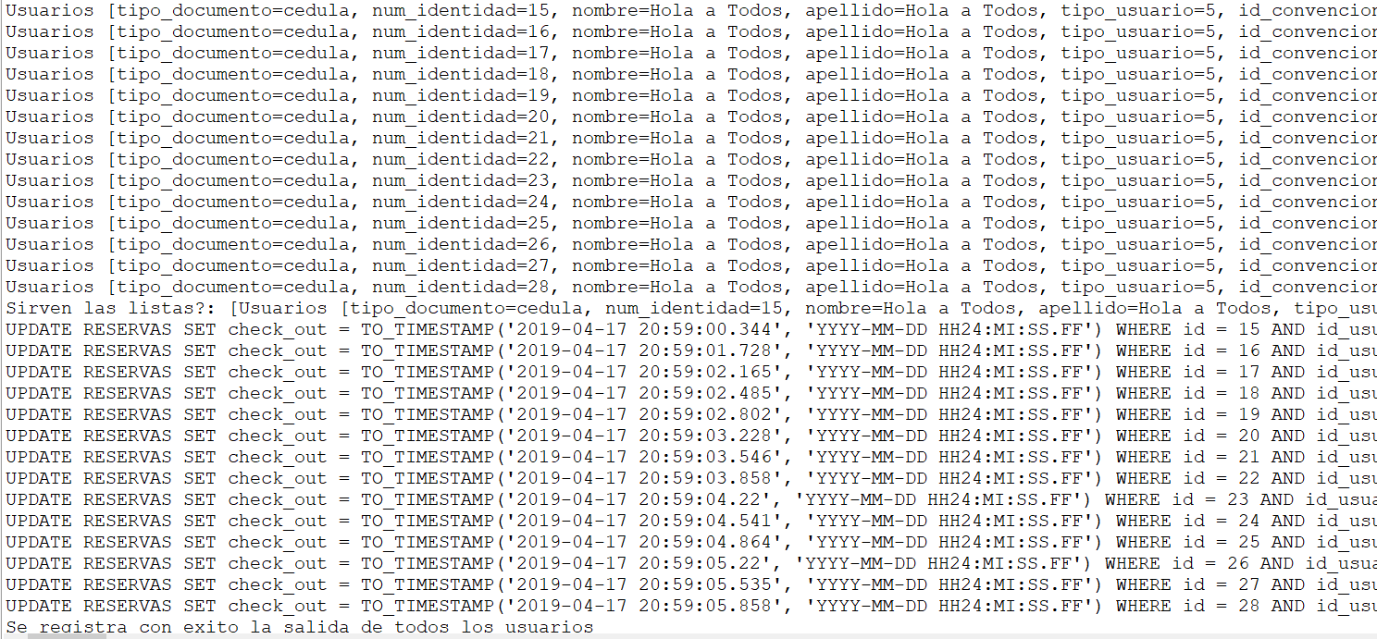

Como se puede ver en consola se hacen estos cambios en la base de datos

He aqui el resultado del cambio en la base de datos

Falla en eliminar el eliminar una reserva de un servicio

