Operation Costs
 |  |  | Custo (M USD/ano) | custo (USD/ano)
Production costs | Direct production costs | Raw material (USD/yr) | 91.9 | 91863936
 |  | Transportation (USD/yr) | 18.4 | 18372787
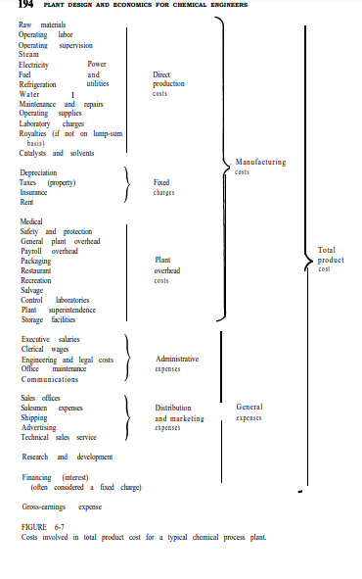
 |  | Labour (USD/yr) | 4.5 | 4475106
 |  | Production administrative work (USD/yr) | 0.67 | 671266
 |  | Maintenance and repairs (USD/yr) | 0.4 | 385224
 |  | Operation Supplies (USD/yr) | 0.06 | 57784
 |  | Eletricity (USD/yr) | 1.1 | 1091765
 |  | Utilities (USD/ano) | 0.22 | 224649
 |  | Royalties/patents (USD/ano) | 0 | 0
 |  | Catalysts (USD/ano) | 0.0 | 0
 | Fixed costs | Amortisation (USD/yr) | 0.6 | 642040
 |  | Property tax (USD/ur) | 1.2 | 1200000
 |  | insurance (USD/ano) | 2.0 | 2000000
 |  | Rent (USD/ano) | 0 | 0
 | Facilities indirect costs | Hospital and medical services (USD/yr) | 2.6 | 2765798
 |  | Expenses and general maintenance (USD/yr)
 |  | Security services (USD/ano)
 |  | Payroll expenses (USD/ano)
 |  | Packaging (USD/ano)
 |  | Recreational and food facilities (USD/ano)
 |  | Rescue services (USD/ano)
 |  | Control laboratories (USD/ano)
 |  | Property safety (USD/ano)
 |  | Factory inspection (USD/ano)
 |  | Warehouse and storage (USD/yr)
 |  | Employee benefits (USD/yr)
General expenses | Admisinstratire expense | Executive and administrative payroll (USD/yr) | 2.6 | 895021
 |  | Office suplies (USD/yr)
 |  | Legal and engineering expenses (USD/yr)
 |  | Office maintenance (USD/yr)
 |  | Comunication (USD/yr)
 | Distribution and marketing | Materials' handling (USD/yr) | 2.6 | 4000000
 |  | Shipping costs (USD/yr)
 |  | Sales office (USD/yr)
 |  | Sales people (USD/yr)
 |  | Sales technical service (USD/ano)
 |  | Advertising (USD/ano)
 | R&D | Salaries (US/ano) | 2.6 | 2793600
 |  | Paychecks (USD/ano)
 |  | Special equipment (USD/ano)
 |  | Consulting expenses (USD/ano)
 | Financing expenses (i.e. interest) (USD/yr) |  | 0 | 0
 | Total |  | 131 | 1.31E+08

Minimum price
1 | -6434638.3114
2 | -5435733.4423
3 | -4543854.095
4 | -3747533.2491
5 | -3036532.4939
6 | -2401710.391
7 | -1834904.942
8 | -1328828.6482
9 | -876974.81452
10 | -473533.89156
Valor mínimo de venda do isobutanol (USD/kg) | 4.734164663
Sodium acetate sales volume (kg/yr) | 27936000
Sodium acetate (USD/yr) | 132253624.02
Revenue (USD/yr) | 1.32E+08
Net result (USD/yr) | 8.15E+05

Fixed capital investment | 6420400
Capital investment | 7553411.7647
Working capital investment | 1133011.7647

Cash flow (USD/ano) | 1253026.2677
interest | 0.12

ano | 0
Net invested amount (USD) | -7553411.7647
Updated anual value | -7553411.7647
Payback period (years)

 |  | 1 | 2 | 3 | 4 | 5 | 6 | 7 | 8 | 9 | 10
 |  | -6434638.3114 | -5435733.4423 | -4543854.095 | -3747533.2491 | -3036532.4939 | -2401710.391 | -1834904.942 | -1328828.6482 | -876974.81452 | -473533.89156
 |  | 1118773.4533 | 998904.86905 | 891879.34736 | 796320.84586 | 711000.75523 | 634822.10289 | 566805.449 | 506076.29375 | 451853.83371 | 403440.92295

 |  | 24,87€/L | =30,97€/kg

Revenue
1 | -1461618.6848
2 | 3977482.2795
3 | 8833822.4261
4 | 13169840.414
5 | 17041285.046
6 | 20497932.039
7 | 23584223.998
8 | 26339841.817
9 | 28800214.871
10 | 30996976.525
Sodium acetate sale price (USD/kg) | 5
Sodium acetate sales volume (kg/yr) | 27936000
Sodium acetate (USD/yr) | 139680000
Revenue (USD/yr) | 1.40E+08
Net result (USD/yr) | 8.24E+06

Fixed capital investment | 6420400
Capital investment | 7553411.7647
Working capital investment | 1133011.7647

Cash flow (USD/ano) | 6822808.2495
interest | 0.12

ano | 0
Net invested amount (USD) | -7553411.7647
Updated anual value | -7553411.7647
Payback period (years) | 1.2687243157 | 6.82

 |  | 1 | 2 | 3 | 4 | 5 | 6 | 7 | 8 | 9 | 10
 |  | -1461618.6848 | 3977482.2795 | 8833822.4261 | 13169840.414 | 17041285.046 | 20497932.039 | 23584223.998 | 26339841.817 | 28800214.871 | 30996976.525
 |  | 6091793.0799 | 5439100.9642 | 4856340.1466 | 4336017.9881 | 3871444.6322 | 3456646.993 | 3086291.9581 | 2755617.8197 | 2460373.0533 | 2196761.6547

Labour
Number of teams | 5 | Production | 40000 kg/dia
Monthly minimum wage (€) | 676.67 | Labour at production (employees-hour/(day*processing step) | 17
Cost (€/yr) | 3925531.8375 | Steps | 4
Cost (USD/yr) | 4475106.2948 | Hours/shift | 8
 |  | Days | 30
 |  | Amount of workers | 255
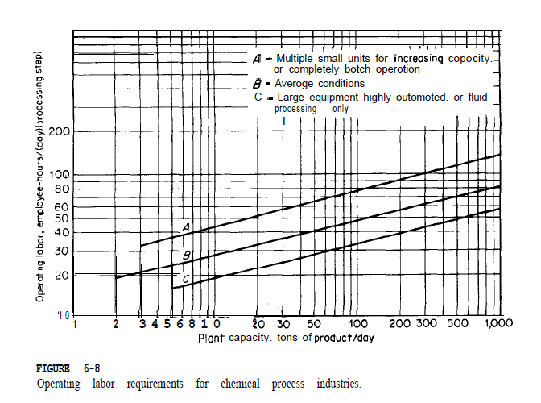
 |  | Conversion rate from EUR to USD | 1.14

