ML_Workflow
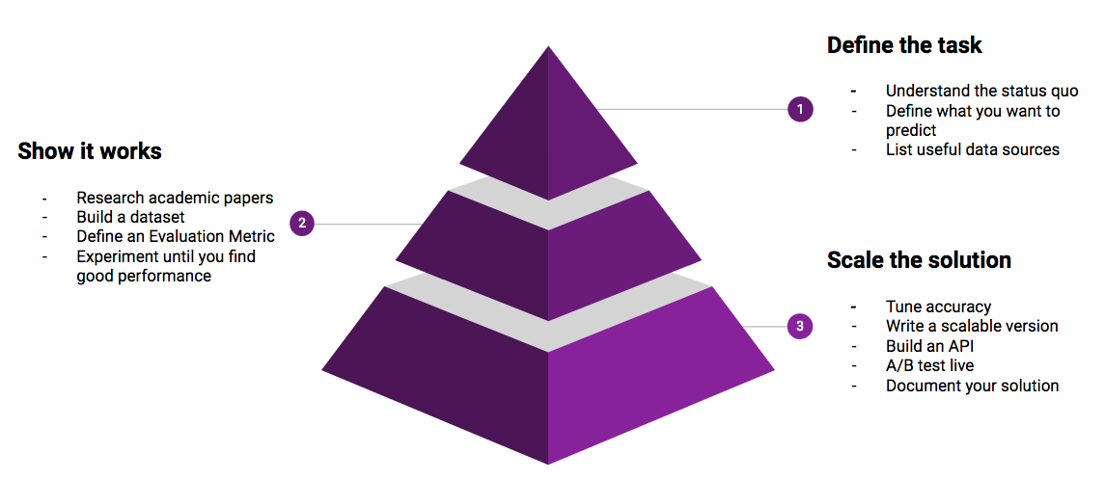
Machine Learning Workflow

Asking the right question | Making Dataset | Algorithm Selection | Model Training | Model Testing

