READ_ME
 | Deanery summary information |  | Date last updated: | 2020-05-29

 |  | Maintenance etc: jamie@critos.co.uk

 |  | Instructions This file holds data about all the churches which will appear on the web page. More particularly, the information on the Data and Configuration sheets between them determine what appears on the web page and what it looks like – more details below. You should update the data regularly. To this end, you can make manual changes in some places, and you can use the RegenerateData button to realign the data in certain columns with the CofE Directory website. Once you have made any changes, use the GenerateFile button to create the data file needed for the web page. The generated file is called churchDetails.js, and it will be placed in the same folder as this spreadsheet. This generated file needs to end up in the 'js' folder under the place where the index.html file for the website appears. If it has not been generated there, you will have to move it therefore. |  |  | Where to look for information To convert postcodes to latitude / longitude, I've used https://gridreferencefinder.com/postcodeBatchConverter/.

 |  | About the data The data has come from a number of sources, not, I suspect, all of them entirely reliable. The sources are reflected by colour-coding in the column headers on the data sheet. The two columns with a RED background must be left unaltered – they're used to connect to the Directory data. Anything with a GREY background came from the Directory website. If the writing in the header is black, this data is not affected by any realignment with the Directory website. If the writing is purple, it is affected by realignment. Anything with a GREEN background is calculated. Individual cells based upon formulae are italicised. Anything with an ORANGE background contains data I have obtained manually. It is usually retained because it supplies values to formulae where data from the Directory is lacking. Anything with a BLUE background came originally from Wikipedia in April 2020. Anything with a YELLOW background is additional 'semi-official' data. You can change anything other than the RED and GREEN columns – although bear in mind there is no real point in making changes to the grey-with-purple writing columns, because any changes you make there will be lost when you carry out the next realignment. This includes the Wikipedia columns – the data there may have originated from Wikipedia, but there's no guarantee it's correct, and you're free to change it. You can change the manually-obtained (ORANGE) columns too. You can delete rows as necessary. You can also add rows, but if you do so a) You need to add appropriate information into the two RED columns if you wish those rows to be included during realignment processing; and b) you need to make sure that formulae and conditional formatting are copied to the new rows.

 |  | Miscellaneous information One of the more obvious issues is with attempting to obtain location information for churches. In some cases, the Directory pages appear to contain information (to be confirmed), and the realignment processing will scrape the necessary data from the pages. In others, we may have a postcode available (although we don't always have even that), and you can do postcode lookups at https://gridreferencefinder.com/postcodeBatchConverter/. (You can convert a whole column of postcodes at once if necessary, which can be helpful – and the conversion process respects blanks in the column, which is of assistance when realigning the results with the contents of a worksheet where some postcodes are missing.) Bear in mind though that even in inner London, postcodes cover a reasonable area, and the latitude and longitude may not correspond precisely to the location of the church. Another possibility is to use what3words. I have had some success here in simply giving the name of a church. The site converts this to a three-word location identifer, and then offers a facility to convert that to a latitude / longitude pair.

 |  | The other sheets The Configuration sheet controls the content and format of the data which appears on the popups on the web page. More details appear on the sheet itself. The FullList sheet contains a snapshot of the data as it stood early on 17-Apr-2020. The Data sheet was subsequently pruned back to contain (largely) churches only, which I suspect reflects the requirements. The FullList sheet contains all of the original rows, which includes things like hospitals and schools.

Configuration
Each row here turns
up as a row on the pop-up.
(When typing, to get new lines in a cell, type Alt-Enter.)
A row may contain just fixed text, or just $...$, or a combination of the two.
Both fixed text and $...$ may be associated with a link where we have the necessary information, via the LinkFrom/LinkTo table.
A line which contains only fixed text and which is not associated with a link is always output.
A line which contains only fixed text and which does have an associated link is output only if the link data is non-blank.
A line which contains $...$ is suppressed in its entirety unless at least one of the fields identified by $...$ is non-blank.
The text may contain HTML markup if you wish.
The special tag optional-header introduces a header which is suppressed if no data follows it.
Each line is terminated with <br>, except for div's and optional-header.
$thing$ is replaced by the value of
the Thing column from the data sheet.
Anything not inside $...$ is treated as
fixed text.
Configuration details |  |  | Use this page to configure the pop-up details – instructions below.
 | PopupDetails
 | <div style="text-align:center;text-decoration:underline;padding-bottom:1em">$Church$</div> $NotesForDisplay$ Postcode: $Postcode$ <div style="color:red">$ResourceChurch$</div> Type: $Churchmanship$ GC: $GC$ $IncumbentPosition$ $Incumbent$ Electoral roll: $ElectoralRoll$ Total income: $TotalIncome$ Common fund payment: $CommonFundPayment$ Population: $WikipediaPopulationOfParish$ Benefice: $WikipediaBenefice$ <optional-header>Links</optional-header> London directory Wikipedia page for church Website for group ministry Google maps <br><div style="text-align:center"><input type="button" value="LimitToRadius" onclick="limitToRadius($UniqueId$);"></div> |  |  | 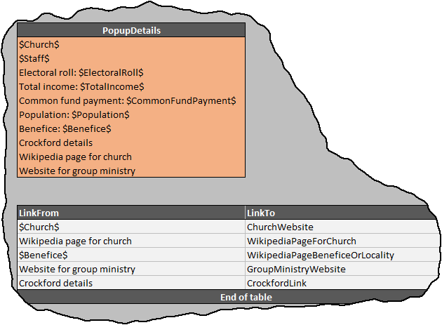

You use this box to associate items from the PopupDetails box with links. In the example, we are saying that $Church$ should be linked to ChurchWebsite, and the fixed text 'Wikipedia page for church' should be associated with WikipediaPageForChurch.
 | LinkFrom | LinkTo
 | $Church$ | ChurchWebsite
 | $Incumbent$ | IncumbentLink
 | Wikipedia page for church | WikipediaPageForChurch
 | $Benefice$ | WikipediaPageBeneficeOrLocality
 | Website for group ministry | TeamMinistryWebsite
 | London directory | DirectoryUrl
 | Google maps | GoogleMapsLink
 | End of table

GoogleStreetViewLinkFormat:
 | https://www.google.co.uk/maps/search/?api=1&query=$lat$,$long$

ChurchmanshipOptions
 | Liberal
 | Evangelical
 | High
 | Unknown

Information
 | Full OSM format data can be obtained at https://download.geofabrik.de/europe/great-britain/england.html

