READ_ME
Make sure you understand this lot before you do anything to alter the anatomy of the data or update it from the various websites.
 | Deanery summary information |  | Date last updated: | 27-Nov-20

 |  | Maintenance etc: jamie@critos.co.uk

 |  | Instructions This file holds data about all the churches and schools which will appear on the web page. More particularly, the information on the Churches, Schools and Configuration sheets between them determine what appears on the web page and what it looks like – more details below. In an earlier version of the file, I recommended updating the data regularly using the Reload buttons. I am now not so sure this is a good idea. It should work ok for schools, but the data available for schools is unlikely to change much anyway, I imagine. For churches things are more difficult, because there are shortfalls in the data available from the London Directory which necessitate manual corrections, and we don't really want to update the data and lose the existing corrections. In view of this, I did not bother to update the code which did the updates when I worked on my latest iteration, and the ReloadChurchData button does nothing. If you do make updates, use the GenerateFile button to create the data file needed for the web page. The generated files are called churches.js and schools.js, and are placed in the same folder as this spreadsheet. These generated files need to end up in the 'js' folder under the place where the index.html file for the website appears. If they have not been generated there, you will have to move them therefore. On the Churches and Schools pages, italicised data indicates that it is derived from elsewhere using formulae, and if you are adding further rows you need to make sure you copy the formulae. In the page headers, anything marked in orange is exported for use in Javascript. This is handled by a fomula which extents across the headers. |  |  | Latitude and longitude To convert postcodes to latitude / longitude, I've used https://gridreferencefinder.com/postcodeBatchConverter/. (You can convert a whole column of postcodes at once if necessary, which can be helpful – and the conversion process respects blanks in the column, which is of assistance when realigning the results with the contents of a worksheet where some postcodes are missing.) Bear in mind though that even in inner London, postcodes cover a reasonable area, and the latitude and longitude may not correspond precisely to the location of the church. Another possibility is to use what3words. I have had some success here in simply giving the name of a church. The site converts this to a three-word location identifer, and then offers a facility to convert that to a latitude / longitude pair. For churches, the map generally shows the building if you zoom in far enough, so I've then hacked the Javacript of the website temporarily to let me click on a position and to return the coordinates, which I have then used to update the data. For schools, the website from which I took the data already contains coordinates, although these too needed to be altered manually in a few places.

 |  | About the Churches data The data has come from https://www.london.anglican.org/directory/hackney-deanery/ (and Islington and Tower Hamlets), from Wikipedia and from another of other sources and manual look ups. Not all of these sources are necessary reliable and up to date (even the official London Directory is somewhat incomplete and inconsistent). The columns originate as follows: RefNumber, DirectoryUrl, Deanery, Name, ElectoralRoll and DataBoundary all come from the London Directory. Postcode in most cases comes from the Directory, but a few churches there lacked a postcode or had the wrong value. Latitude and Longitude I found as described in the box at the top right of this sheet. Anything with Wikipedia in its name came from Wikipedia. GC, Churchmanship and ResourceChurch came from ad hoc data supplied to me for the purpose. ChurchWebsite and TeamMinistryWebsite I think came mainly from the Directory, but I augmented and corrected this as necessary. GoogleMapsLink is calculated from the coordinates. Parish gives all churches in the same parish an (arbitrary) common id. Note that although all churches in a given parish will have the same parish number, and it will be distinct from all other parishes, the numbers used, the overall collection of parish numbers will not normally be contiguous. NotesForDisplay is an ad hoc field in which I have manually added any information which I think might usefully be displayed as part of the pop-up for the church. WorkingNotes contains information which I thought useful to retain, although not for display purposes. UniqueId assigns a unique numeric identifier for each row, which is used when indexing the Javascript data structures. You can delete rows as necessary. You can also add rows, but if you do so a) You need to add appropriate information into the two RED columns if you wish those rows to be included during realignment processing; and b) you need to make sure that formulae |  |  | About the Schools data The schools data comes from https://www.ldbs.co.uk/our-schools/. It's a bit difficult to pick up the lists of schools automatically, but if you hover over Hackney, Islington and Tower Hamlets in turn, and save the webpage manually to disk each time, you can then manipulate the data in a text editor to get columns A-F of the Schools page, and clicking on ReloadSchoolData pretty much does the rest. Note that the website refers to several flavours of schools, but the three deaneries do not have any schools of types not covered by this list. In general, the data here looks to be consistent and probably ok (the only inconsistency I've noticed is that not all of the addresses are formatted in the same way, or at least there's one which is not). All fields come from the source website, with the following exceptions :- Include? is there for the sake of compatibility with the Churches data. I don't anticipate wanting to exclude any rows, but you can put an 'N' in this column if you do want to exclude a row. Postcode is deduced from the Address information. GoogleMapsLink is calculated from the coordinates. NotesForDisplay is there just in casde we want to add any annotation. UniqueId assigns a unique numeric identifier for each row, which is used when indexing the Javascript data structures. If you want to add to the list, you need to obtain the values for Deanery, RefNumber, Name, AgeRange, and InformationUrl by the means described at the top of this box. Don't forget to copy formulae down.

 |  | The other sheets The Configuration sheet controls the content and format of the data which appears on the popups on the web page. More details appear on the sheet itself. The OsmCoordinates sheet contains location information for everything which OSM regarded as being some kind of religous institution in London. The CoordsFromClickingOnMap sheet contains the coordinates for the various churches I obtained by clicking on the church buildings on the map.

Configuration
Each row here turns
up as a row on the pop-up.
(When typing, to get new lines in a cell, type Alt-Enter.)
A row may contain just fixed text, or just $...$, or a combination of the two.
Both fixed text and $...$ may be associated with a link where we have the necessary information, via the LinkFrom/LinkTo table.
A line which contains only fixed text and which is not associated with a link is always output.
A line which contains only fixed text and which does have an associated link is output only if the link data is non-blank.
A line which contains $...$ is suppressed in its entirety unless at least one of the fields identified by $...$ is non-blank.
The text may contain HTML markup if you wish.
The special tag optional-header introduces a header which is suppressed if no data follows it.
Each line is terminated with <br>, except for div's and optional-header.
$thing$ is replaced by the value of
the Thing column from the data sheet.
Anything not inside $...$ is treated as
fixed text.
Configuration details |  |  | Use these boxes to configure the pop-up details – instructions below.
 | PopupDetailsChurches | PopupDetailsSchools
 | <div style="text-align:center;text-decoration:underline;padding-bottom:1em">$Name$</div> $NotesForDisplay$ Postcode: $Postcode$ <div style="color:red">$ResourceChurch$</div> Type: $Churchmanship$ Electoral roll: $ElectoralRoll$ Population: $WikipediaPopulationOfParish$ Benefice: $WikipediaBenefice$ <optional-header>Links</optional-header> London directory Wikipedia page for church Website for group ministry Google maps <br><div style="text-align:center"><input type="button" value="LimitToRadius" onclick="limitToRadius(@index@);"></div> | <div style="text-align:center;text-decoration:underline;padding-bottom:1em">$Name$</div> Postcode: $Postcode$ Type: $Type$ $AgeRange$ Deanery: $Deanery$ $NotesForDisplay$ Google maps |  | 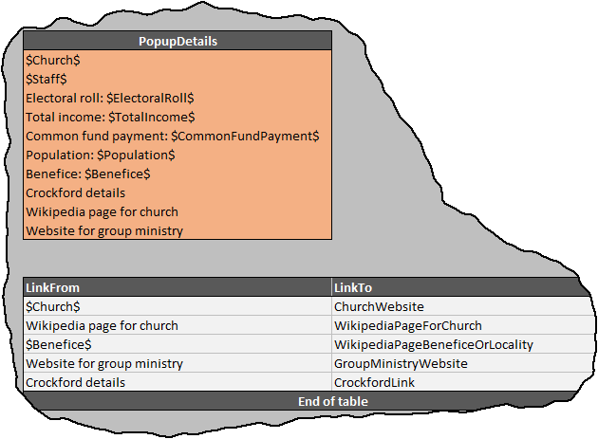

You use this box to associate items from the PopupDetails box with links. In the example, we are saying that $Church$ should be linked to ChurchWebsite, and the fixed text 'Wikipedia page for church' should be associated with WikipediaPageForChurch.
 | AdditionalFieldsChurches | AdditionalFieldsSchools
 | deanery name electoralRoll latitude longitude churchmanship resourceChurch wikipediaPopulationOfParish electoralRoll postcode parish dataBoundary | deanery name type latitude longitude postcode

 | LinkFrom | LinkTo
 | $Church$ | ChurchWebsite
 | $Incumbent$ | IncumbentLink
 | Wikipedia page for church | WikipediaPageForChurch
 | $Benefice$ | WikipediaPageBeneficeOrLocality
 | Website for group ministry | TeamMinistryWebsite
 | London directory | DirectoryUrl
 | Google maps | GoogleMapsLink
 | $School$ | SchoolWebsite
 | End of table

GoogleStreetViewLinkFormat
 | https://www.google.co.uk/maps/search/?api=1&query=$lat$,$long$

ChurchmanshipOptions
 | Catholic1
 | Catholic2
 | Liberal
 | Evangelical
 | Unknown
Information

 | Full OSM format data can be obtained at https://download.geofabrik.de/europe/great-britain/england.html

