Enhancement Report
Enhancement ID | Module | Enhancement Title | Priority | Current Behavior | Suggested Enhancement | Expected Business Benefit | Status | Reported By | Reported Date
ENH-CART-001 | Shopping Cart | Allow users to add recommended products to the cart instantly from the Shopping Cart page without redirecting to an intermediate confirmation page, ensuring a faster and uninterrupted shopping experience. | medium | When the user clicks "Add to Cart" on a recommended product displayed in the Shopping Cart page, Amazon opens a separate "Added to Cart" confirmation page before returning the user to continue shopping. | Add the selected product directly to the cart using an AJAX/background request and update the cart count and subtotal instantly without redirecting the user to another page. | Reduces unnecessary page navigation, speeds up the shopping flow, improves user experience, keeps customers engaged on the current page, and may increase the chances of adding multiple products to the cart. | Open | Aranya dev | 07/18/2026
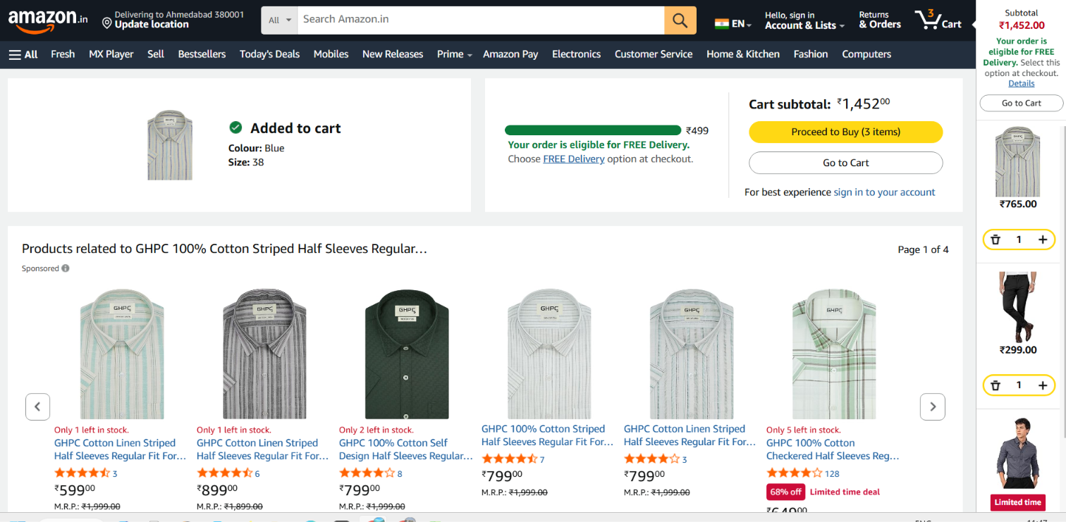
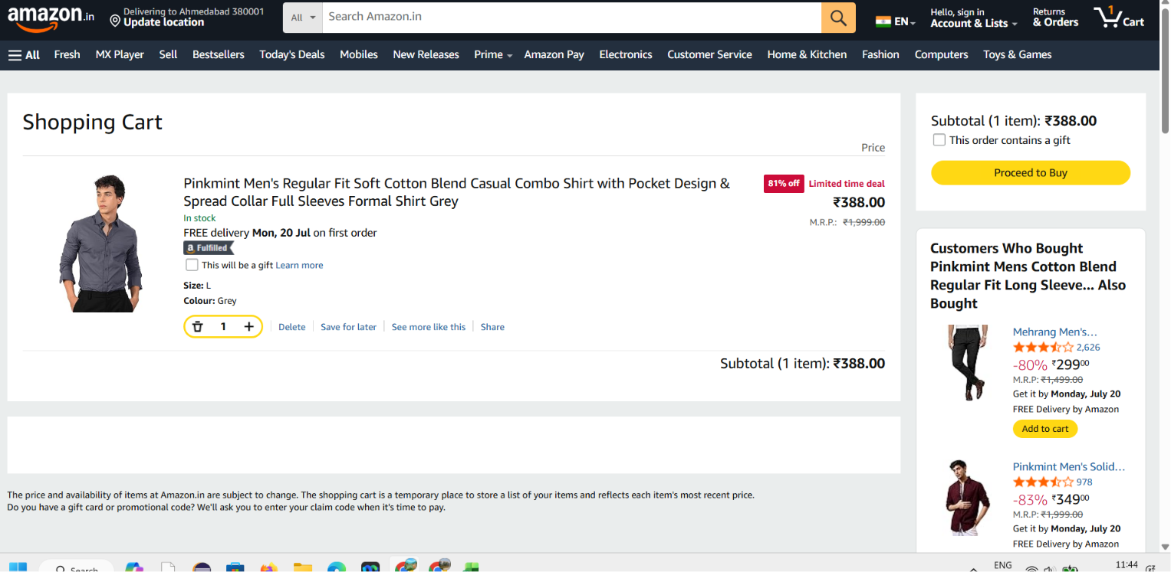

ENH-CART-002 | Shopping Cart – Share Product Popup | Improve the Share Product popup by providing clear user feedback when the Email option is clicked, such as opening the email client, showing a success confirmation, or displaying an informative error message if no email application is configured. | medium | When the user clicks the Email option in the Share Product popup, the button appears clickable but no visible response, confirmation, or error message is displayed. | Trigger the default email client automatically and show a loading indicator or confirmation message. If no email application is configured on the device, display a clear message such as \"No email application is configured on this device\" and provide an alternative option to copy the product link. | Improves user confidence, reduces confusion, increases the likelihood of product sharing through email, enhances overall user experience, and provides better accessibility and feedback for different device configurations. | suggested | Aranya dev | 2026-07-20

