contour map



 | 1 | 2 | 3 | 4 | 5 | 6 | 7 | 8 | 9 | 10 | 11 | 12 | 13 | 14 | 15 | 16 | 17 | 18 | 19 | 20 | 21 | 22 | 23 | 24 | 25 | 26 | 27 | 28 | 29 | 30 | 31 | 32 | 33 | 34 | 35 | 36 | 37 | 38 | 39 | 40 | 41 | 42 | 43 | 44 | 45 | 46 | 47 | 48 | 49 | 50 | 51 | 52 | 53 | 54 | 55 | 56 | 57 | 58 | 59 | 60 | 61 | 62 | 63 | 64 | 65 | 66 | 67 | 68 | 69 | 70 | 71 | 72 | 73 | 74 | 75 | 76 | 77 | 78 | 79 | 80 | 81 | 82 | 83 | 84 | 85 | 86 | 87 | 88 | 89 | 90 | 91 | 92 | 93 | 94 | 95 | 96
1 | 9 | 9 | 9 | 8 | 9 | 8 | 8 | 30 | 30 | 30 | 30 | 30 | 30 | 30 | 30 | 30 | 30 | 15 | 16 | 17 | 17 | 17 | 13 | 8 | 30 | 30 | 30 | 30 | 30 | 30 | 30 | 30 | 30 | 30 | 12 | 12 | 12 | 12 | 12 | 12 | 12 | 12 | 12 | 12 | 12 | 12 | 30 | 30 | 30 | 30 | 30 | 30 | 30 | 30 | 30 | 30 | 12 | 13 | 13 | 13 | 13 | 13 | 13 | 12 | 12 | 11 | 10 | 10 | 9 | 9 | 9 | 9 | 9 | 9 | 9 | 9 | 10 | 10 | 10 | 10 | 10 | 10 | 10 | 9 | 9 | 8 | 8 | 8 | 9 | 9 | 8 | 8 | 8 | 9 | 9 | 9
2 | 30 | 30 | 30 | 30 | 30 | 30 | 30 | 30 | 30 | 30 | 30 | 30 | 30 | 30 | 30 | 30 | 30 | 30 | 30 | 30 | 30 | 8 | 8 | 7 | 10 | 12 | 12 | 12 | 13 | 13 | 12 | 12 | 13 | 12 | 12 | 13 | 13 | 14 | 14 | 14 | 15 | 15 | 14 | 14 | 14 | 13 | 13 | 12 | 12 | 12 | 30 | 30 | 30 | 30 | 9 | 10 | 8 | 8 | 9 | 9 | 9 | 8 | 8 | 8 | 9 | 8 | 9 | 9 | 9 | 9 | 9 | 9 | 9 | 9 | 9 | 9 | 9 | 9 | 9 | 9 | 9 | 9 | 9 | 8 | 8 | 9 | 8 | 8 | 10 | 3 | 4 | 4 | 5 | 6 | 6 | 30
3 | 30 | 30 | 30 | 30 | 30 | 30 | 2 | 2 | 2 | 2 | 6 | 30 | 1 | 10 | 10 | 9 | 9 | 8 | 6 | 30 | 2 | 9 | 8 | 12 | 14 | 16 | 16 | 18 | 19 | 21 | 18 | 17 | 18 | 20 | 21 | 21 | 21 | 17 | 17 | 19 | 19 | 18 | 17 | 16 | 15 | 14 | 13 | 9 | 5 | 4 | 6 | 7 | 9 | 10 | 9 | 8 | 8 | 8 | 8 | 8 | 7 | 8 | 8 | 7 | 7 | 7 | 6 | 5 | 4 | 5 | 4 | 3 | 4 | 6 | 8 | 6 | 8 | 9 | 8 | 8 | 9 | 11 | 10 | 7 | 7 | 7 | 6 | 1 | 5 | 30 | 30 | 30 | 10 | 10 | 10 | 30
4 | 30 | 7 | 7 | 1 | 30 | 30 | 15 | 18 | 17 | 16 | 18 | 18 | 19 | 30 | 1 | 1 | 4 | 4 | 10 | 10 | 10 | 12 | 12 | 14 | 16 | 18 | 18 | 13 | 15 | 17 | 19 | 12 | 12 | 11 | 12 | 12 | 30 | 30 | 15 | 16 | 17 | 18 | 18 | 17 | 14 | 12 | 7 | 4 | 8 | 11 | 12 | 12 | 10 | 9 | 10 | 8 | 5 | 5 | 4 | 4 | 5 | 6 | 6 | 6 | 6 | 6 | 6 | 6 | 5 | 5 | 3 | 3 | 2 | 2 | 5 | 4 | 3 | 5 | 5 | 6 | 7 | 7 | 7 | 8 | 8 | 9 | 8 | 7 | 5 | 4 | 3 | 3 | 3 | 30 | 30 | 30
5 | 11 | 7 | 30 | 1 | 1 | 4 | 12 | 14 | 15 | 15 | 16 | 16 | 15 | 13 | 6 | 4 | 10 | 13 | 13 | 13 | 12 | 13 | 12 | 13 | 13 | 15 | 15 | 13 | 10 | 9 | 12 | 13 | 18 | 16 | 12 | 30 | 30 | 30 | 30 | 30 | 30 | 18 | 21 | 19 | 14 | 9 | 8 | 8 | 9 | 11 | 12 | 13 | 13 | 10 | 8 | 9 | 10 | 10 | 8 | 8 | 8 | 8 | 8 | 11 | 5 | 11 | 10 | 9 | 9 | 8 | 7 | 8 | 10 | 10 | 11 | 11 | 10 | 9 | 11 | 10 | 9 | 10 | 10 | 11 | 11 | 11 | 12 | 11 | 11 | 11 | 10 | 9 | 8 | 5 | 4 | 7
6 | 8 | 6 | 4 | 4 | 4 | 4 | 6 | 7 | 7 | 7 | 6 | 5 | 6 | 6 | 8 | 12 | 13 | 12 | 13 | 12 | 11 | 11 | 13 | 13 | 12 | 14 | 14 | 16 | 14 | 10 | 8 | 8 | 11 | 17 | 17 | 30 | 30 | 30 | 30 | 11 | 18 | 21 | 20 | 13 | 9 | 9 | 9 | 9 | 11 | 13 | 14 | 14 | 15 | 15 | 14 | 14 | 13 | 12 | 11 | 10 | 10 | 11 | 9 | 10 | 10 | 10 | 11 | 12 | 11 | 12 | 11 | 12 | 12 | 11 | 12 | 12 | 12 | 12 | 12 | 13 | 13 | 13 | 14 | 12 | 11 | 12 | 14 | 13 | 10 | 7 | 4 | 4 | 4 | 4 | 4 | 8
7 | 10 | 10 | 10 | 10 | 12 | 14 | 14 | 14 | 14 | 16 | 16 | 14 | 15 | 17 | 15 | 14 | 14 | 12 | 13 | 13 | 13 | 10 | 10 | 12 | 9 | 9 | 13 | 13 | 14 | 14 | 13 | 9 | 7 | 12 | 17 | 17 | 6 | 30 | 30 | 17 | 19 | 21 | 15 | 9 | 9 | 10 | 12 | 14 | 14 | 14 | 15 | 16 | 16 | 15 | 13 | 14 | 14 | 14 | 13 | 12 | 12 | 12 | 12 | 12 | 12 | 12 | 12 | 13 | 12 | 12 | 12 | 13 | 14 | 14 | 14 | 14 | 13 | 13 | 14 | 15 | 15 | 16 | 16 | 16 | 16 | 14 | 14 | 16 | 17 | 17 | 17 | 16 | 16 | 14 | 14 | 14
8 | 13 | 12 | 11 | 10 | 14 | 16 | 17 | 17 | 16 | 18 | 17 | 17 | 17 | 18 | 17 | 17 | 17 | 14 | 13 | 12 | 11 | 11 | 11 | 10 | 10 | 12 | 11 | 4 | 7 | 13 | 14 | 15 | 9 | 12 | 18 | 17 | 9 | 17 | 19 | 19 | 12 | 11 | 13 | 15 | 14 | 11 | 12 | 13 | 14 | 15 | 16 | 16 | 13 | 15 | 15 | 15 | 15 | 15 | 14 | 13 | 14 | 13 | 15 | 15 | 14 | 14 | 15 | 14 | 14 | 13 | 13 | 14 | 14 | 14 | 14 | 15 | 15 | 15 | 16 | 17 | 18 | 19 | 16 | 19 | 19 | 17 | 20 | 17 | 17 | 16 | 17 | 17 | 17 | 15 | 14 | 14
9 | 11 | 11 | 10 | 11 | 13 | 15 | 16 | 16 | 16 | 14 | 18 | 18 | 17 | 15 | 15 | 16 | 16 | 17 | 15 | 13 | 13 | 12 | 13 | 13 | 11 | 10 | 9 | 7 | 8 | 11 | 15 | 12 | 10 | 12 | 13 | 19 | 16 | 21 | 15 | 15 | 15 | 15 | 15 | 13 | 15 | 14 | 13 | 13 | 15 | 16 | 16 | 15 | 15 | 16 | 16 | 15 | 16 | 16 | 15 | 15 | 15 | 15 | 15 | 15 | 16 | 16 | 15 | 14 | 14 | 14 | 14 | 14 | 14 | 14 | 15 | 16 | 19 | 19 | 20 | 21 | 21 | 20 | 20 | 20 | 18 | 17 | 19 | 17 | 17 | 17 | 15 | 14 | 14 | 14 | 13 | 13
10 | 11 | 11 | 11 | 11 | 13 | 16 | 16 | 15 | 16 | 15 | 16 | 16 | 17 | 15 | 16 | 17 | 17 | 16 | 17 | 15 | 13 | 13 | 13 | 12 | 9 | 8 | 8 | 10 | 13 | 14 | 10 | 9 | 11 | 12 | 13 | 14 | 17 | 14 | 14 | 14 | 14 | 15 | 15 | 15 | 15 | 15 | 15 | 15 | 15 | 16 | 14 | 16 | 16 | 16 | 16 | 16 | 15 | 16 | 15 | 15 | 15 | 16 | 16 | 16 | 17 | 16 | 16 | 15 | 15 | 15 | 15 | 15 | 16 | 16 | 16 | 18 | 19 | 20 | 19 | 19 | 19 | 19 | 19 | 20 | 19 | 17 | 17 | 16 | 15 | 15 | 13 | 13 | 14 | 15 | 12 | 11
11 | 12 | 12 | 12 | 12 | 12 | 12 | 14 | 13 | 14 | 14 | 15 | 15 | 14 | 15 | 16 | 17 | 18 | 19 | 17 | 15 | 15 | 15 | 14 | 15 | 12 | 10 | 10 | 11 | 14 | 14 | 15 | 13 | 11 | 12 | 12 | 12 | 12 | 12 | 13 | 14 | 14 | 14 | 15 | 15 | 15 | 15 | 15 | 14 | 15 | 15 | 15 | 16 | 15 | 16 | 16 | 16 | 15 | 15 | 16 | 16 | 16 | 17 | 17 | 17 | 18 | 20 | 20 | 18 | 17 | 17 | 17 | 17 | 17 | 18 | 18 | 19 | 20 | 18 | 17 | 18 | 17 | 17 | 17 | 18 | 18 | 17 | 14 | 13 | 13 | 12 | 15 | 15 | 13 | 12 | 12 | 12
12 | 13 | 13 | 13 | 13 | 13 | 14 | 13 | 13 | 13 | 14 | 14 | 15 | 15 | 14 | 15 | 19 | 19 | 20 | 20 | 20 | 19 | 18 | 18 | 17 | 17 | 15 | 14 | 14 | 15 | 16 | 15 | 15 | 15 | 12 | 11 | 13 | 13 | 13 | 13 | 13 | 14 | 14 | 15 | 15 | 15 | 15 | 13 | 15 | 15 | 15 | 15 | 16 | 15 | 16 | 16 | 16 | 16 | 16 | 17 | 18 | 18 | 19 | 20 | 20 | 21 | 22 | 22 | 21 | 21 | 20 | 19 | 19 | 19 | 17 | 18 | 18 | 19 | 19 | 17 | 18 | 17 | 16 | 17 | 16 | 16 | 15 | 15 | 13 | 12 | 12 | 14 | 16 | 13 | 13 | 13 | 13
13 | 13 | 14 | 14 | 13 | 13 | 13 | 13 | 13 | 13 | 14 | 14 | 14 | 15 | 15 | 15 | 21 | 19 | 19 | 22 | 22 | 22 | 21 | 20 | 19 | 18 | 16 | 16 | 16 | 16 | 16 | 15 | 15 | 15 | 14 | 10 | 12 | 14 | 15 | 14 | 14 | 14 | 14 | 15 | 15 | 15 | 15 | 15 | 15 | 15 | 16 | 16 | 17 | 18 | 18 | 17 | 18 | 18 | 18 | 19 | 20 | 20 | 22 | 23 | 23 | 23 | 23 | 23 | 22 | 22 | 22 | 21 | 20 | 20 | 22 | 19 | 19 | 18 | 19 | 19 | 20 | 18 | 17 | 17 | 16 | 17 | 17 | 15 | 13 | 13 | 12 | 14 | 13 | 13 | 13 | 13 | 13
14 | 13 | 13 | 13 | 13 | 13 | 13 | 13 | 13 | 14 | 14 | 14 | 14 | 15 | 15 | 15 | 16 | 21 | 22 | 22 | 23 | 23 | 22 | 22 | 21 | 20 | 16 | 17 | 18 | 17 | 18 | 16 | 15 | 13 | 15 | 13 | 10 | 12 | 15 | 16 | 15 | 15 | 15 | 15 | 15 | 15 | 15 | 15 | 15 | 16 | 17 | 18 | 17 | 17 | 18 | 19 | 18 | 19 | 20 | 19 | 20 | 22 | 23 | 24 | 25 | 25 | 25 | 24 | 24 | 24 | 23 | 24 | 24 | 23 | 24 | 23 | 22 | 21 | 20 | 21 | 21 | 20 | 19 | 17 | 18 | 18 | 17 | 15 | 12 | 12 | 10 | 12 | 13 | 13 | 13 | 13 | 13
15 | 14 | 14 | 14 | 13 | 13 | 14 | 14 | 14 | 14 | 14 | 14 | 15 | 15 | 15 | 15 | 14 | 22 | 23 | 23 | 24 | 23 | 22 | 21 | 20 | 18 | 16 | 16 | 19 | 18 | 16 | 16 | 16 | 14 | 13 | 12 | 11 | 14 | 16 | 16 | 16 | 16 | 15 | 15 | 15 | 15 | 15 | 16 | 16 | 18 | 17 | 20 | 20 | 18 | 20 | 19 | 19 | 18 | 19 | 18 | 19 | 20 | 19 | 23 | 25 | 23 | 26 | 25 | 25 | 25 | 25 | 24 | 26 | 25 | 25 | 25 | 25 | 24 | 24 | 23 | 22 | 21 | 20 | 18 | 20 | 18 | 16 | 15 | 13 | 12 | 12 | 13 | 14 | 14 | 13 | 14 | 14
16 | 15 | 14 | 14 | 14 | 14 | 14 | 14 | 14 | 14 | 15 | 15 | 15 | 16 | 15 | 15 | 18 | 24 | 25 | 24 | 24 | 24 | 23 | 21 | 20 | 19 | 18 | 19 | 18 | 16 | 17 | 15 | 15 | 16 | 16 | 15 | 14 | 17 | 17 | 16 | 16 | 16 | 16 | 15 | 16 | 16 | 15 | 18 | 17 | 19 | 17 | 17 | 19 | 19 | 20 | 20 | 20 | 17 | 17 | 17 | 19 | 20 | 16 | 23 | 25 | 25 | 25 | 25 | 25 | 23 | 23 | 23 | 25 | 27 | 27 | 26 | 27 | 26 | 25 | 24 | 22 | 22 | 20 | 19 | 17 | 16 | 16 | 15 | 13 | 13 | 15 | 15 | 15 | 15 | 15 | 15 | 15
17 | 15 | 15 | 15 | 14 | 15 | 15 | 15 | 15 | 15 | 15 | 16 | 16 | 16 | 16 | 15 | 18 | 25 | 26 | 25 | 25 | 25 | 23 | 21 | 19 | 19 | 19 | 19 | 19 | 18 | 17 | 17 | 18 | 18 | 18 | 17 | 17 | 17 | 17 | 17 | 16 | 16 | 16 | 16 | 16 | 16 | 15 | 20 | 22 | 19 | 18 | 17 | 17 | 18 | 18 | 21 | 20 | 20 | 22 | 22 | 23 | 24 | 20 | 20 | 26 | 26 | 26 | 26 | 23 | 25 | 26 | 27 | 27 | 27 | 26 | 24 | 26 | 26 | 24 | 23 | 22 | 19 | 17 | 19 | 18 | 17 | 17 | 17 | 16 | 16 | 17 | 16 | 16 | 16 | 16 | 16 | 15
18 | 15 | 15 | 15 | 15 | 16 | 16 | 16 | 16 | 16 | 16 | 16 | 17 | 16 | 16 | 15 | 12 | 24 | 27 | 26 | 25 | 24 | 23 | 21 | 19 | 19 | 18 | 19 | 19 | 17 | 18 | 18 | 18 | 18 | 17 | 17 | 17 | 17 | 17 | 17 | 16 | 16 | 16 | 16 | 17 | 16 | 16 | 18 | 19 | 16 | 21 | 22 | 18 | 18 | 18 | 20 | 19 | 22 | 23 | 23 | 26 | 25 | 23 | 23 | 26 | 26 | 26 | 26 | 24 | 24 | 22 | 25 | 25 | 24 | 26 | 26 | 22 | 23 | 22 | 22 | 21 | 19 | 17 | 18 | 19 | 18 | 15 | 18 | 18 | 17 | 17 | 17 | 16 | 16 | 16 | 16 | 15
19 | 16 | 16 | 16 | 16 | 16 | 16 | 16 | 17 | 17 | 17 | 17 | 17 | 17 | 16 | 15 | 14 | 13 | 26 | 27 | 25 | 25 | 23 | 20 | 18 | 18 | 18 | 19 | 18 | 18 | 18 | 17 | 17 | 17 | 17 | 17 | 17 | 17 | 17 | 17 | 17 | 17 | 17 | 17 | 17 | 16 | 16 | 18 | 23 | 24 | 25 | 25 | 21 | 18 | 18 | 18 | 18 | 17 | 18 | 24 | 26 | 27 | 27 | 27 | 27 | 26 | 27 | 26 | 25 | 22 | 23 | 25 | 24 | 22 | 22 | 22 | 20 | 18 | 20 | 21 | 19 | 18 | 17 | 18 | 18 | 18 | 18 | 18 | 17 | 17 | 17 | 16 | 16 | 16 | 16 | 16 | 16
20 | 17 | 17 | 16 | 16 | 17 | 17 | 17 | 17 | 17 | 17 | 17 | 17 | 17 | 16 | 16 | 15 | 14 | 18 | 25 | 25 | 25 | 22 | 20 | 17 | 17 | 17 | 17 | 18 | 18 | 18 | 18 | 18 | 17 | 17 | 17 | 17 | 17 | 17 | 17 | 17 | 17 | 17 | 17 | 17 | 17 | 15 | 26 | 27 | 27 | 27 | 27 | 26 | 24 | 21 | 24 | 22 | 22 | 22 | 25 | 27 | 27 | 27 | 26 | 27 | 28 | 28 | 26 | 26 | 25 | 23 | 20 | 22 | 21 | 19 | 22 | 21 | 17 | 17 | 19 | 18 | 18 | 16 | 18 | 18 | 18 | 18 | 17 | 17 | 17 | 16 | 17 | 17 | 17 | 16 | 16 | 16
21 | 17 | 17 | 17 | 17 | 17 | 18 | 17 | 17 | 17 | 17 | 17 | 17 | 17 | 17 | 16 | 16 | 15 | 15 | 23 | 25 | 25 | 23 | 18 | 17 | 17 | 18 | 18 | 18 | 18 | 18 | 18 | 18 | 17 | 17 | 17 | 17 | 17 | 17 | 17 | 18 | 18 | 17 | 17 | 17 | 17 | 22 | 26 | 28 | 28 | 28 | 28 | 27 | 26 | 25 | 26 | 25 | 25 | 24 | 27 | 27 | 28 | 26 | 24 | 26 | 28 | 28 | 28 | 26 | 25 | 24 | 23 | 21 | 17 | 17 | 20 | 20 | 16 | 16 | 17 | 18 | 16 | 17 | 17 | 17 | 17 | 17 | 17 | 17 | 17 | 17 | 17 | 17 | 17 | 17 | 17 | 17
22 | 17 | 17 | 17 | 17 | 18 | 18 | 18 | 18 | 17 | 18 | 17 | 17 | 17 | 17 | 16 | 16 | 16 | 15 | 16 | 18 | 24 | 23 | 16 | 17 | 17 | 18 | 18 | 18 | 18 | 18 | 18 | 18 | 17 | 17 | 17 | 17 | 17 | 18 | 18 | 18 | 18 | 17 | 17 | 16 | 20 | 26 | 28 | 28 | 29 | 29 | 28 | 28 | 27 | 27 | 27 | 26 | 27 | 27 | 24 | 28 | 28 | 28 | 21 | 25 | 18 | 19 | 22 | 25 | 24 | 24 | 23 | 22 | 20 | 20 | 20 | 20 | 18 | 17 | 18 | 19 | 14 | 17 | 17 | 17 | 16 | 16 | 16 | 16 | 17 | 17 | 17 | 17 | 17 | 17 | 17 | 17
23 | 17 | 17 | 17 | 17 | 18 | 18 | 17 | 17 | 18 | 17 | 17 | 17 | 17 | 17 | 16 | 16 | 16 | 16 | 16 | 17 | 21 | 22 | 17 | 16 | 17 | 18 | 18 | 18 | 17 | 18 | 18 | 18 | 18 | 18 | 17 | 18 | 18 | 18 | 18 | 18 | 17 | 17 | 16 | 14 | 26 | 27 | 28 | 29 | 29 | 29 | 29 | 29 | 29 | 27 | 28 | 27 | 27 | 27 | 19 | 27 | 28 | 28 | 27 | 26 | 17 | 18 | 18 | 23 | 23 | 23 | 22 | 20 | 17 | 21 | 21 | 17 | 18 | 17 | 16 | 16 | 16 | 16 | 16 | 16 | 16 | 16 | 16 | 16 | 17 | 17 | 17 | 17 | 17 | 17 | 17 | 17
24 | 17 | 17 | 17 | 17 | 17 | 17 | 17 | 17 | 17 | 17 | 17 | 17 | 17 | 17 | 17 | 17 | 16 | 17 | 17 | 17 | 16 | 21 | 18 | 17 | 18 | 17 | 17 | 17 | 18 | 19 | 18 | 18 | 18 | 18 | 18 | 18 | 18 | 18 | 18 | 17 | 17 | 16 | 15 | 15 | 26 | 27 | 27 | 28 | 28 | 28 | 29 | 29 | 29 | 28 | 28 | 28 | 28 | 27 | 22 | 20 | 28 | 28 | 27 | 22 | 17 | 18 | 18 | 18 | 22 | 22 | 20 | 17 | 17 | 18 | 19 | 17 | 13 | 17 | 16 | 16 | 17 | 16 | 16 | 16 | 16 | 16 | 16 | 17 | 17 | 17 | 17 | 17 | 17 | 17 | 17 | 17
25 | 17 | 17 | 17 | 17 | 17 | 17 | 17 | 17 | 17 | 17 | 17 | 17 | 17 | 17 | 17 | 17 | 17 | 17 | 17 | 17 | 17 | 17 | 18 | 18 | 15 | 16 | 17 | 17 | 17 | 17 | 17 | 18 | 18 | 18 | 18 | 18 | 18 | 18 | 17 | 17 | 16 | 16 | 16 | 15 | 25 | 26 | 26 | 26 | 27 | 27 | 27 | 28 | 28 | 27 | 27 | 27 | 27 | 25 | 23 | 18 | 27 | 26 | 17 | 17 | 17 | 17 | 17 | 17 | 19 | 20 | 17 | 17 | 17 | 17 | 18 | 18 | 18 | 16 | 16 | 16 | 16 | 16 | 16 | 16 | 16 | 16 | 16 | 17 | 17 | 17 | 17 | 17 | 17 | 17 | 17 | 17
26 | 17 | 17 | 17 | 16 | 16 | 16 | 16 | 16 | 16 | 16 | 16 | 16 | 16 | 16 | 16 | 16 | 16 | 16 | 16 | 16 | 16 | 17 | 17 | 17 | 17 | 19 | 17 | 16 | 15 | 16 | 17 | 17 | 17 | 18 | 18 | 17 | 17 | 17 | 17 | 17 | 16 | 16 | 16 | 16 | 21 | 24 | 24 | 25 | 24 | 24 | 24 | 25 | 26 | 26 | 25 | 26 | 25 | 23 | 22 | 24 | 18 | 18 | 16 | 16 | 17 | 17 | 17 | 17 | 17 | 19 | 17 | 17 | 17 | 17 | 17 | 17 | 18 | 15 | 16 | 16 | 17 | 15 | 16 | 16 | 16 | 16 | 16 | 17 | 17 | 17 | 17 | 17 | 17 | 17 | 17 | 17
27 | 16 | 16 | 16 | 16 | 16 | 16 | 16 | 16 | 16 | 16 | 16 | 16 | 16 | 16 | 16 | 15 | 16 | 16 | 16 | 16 | 16 | 16 | 15 | 15 | 13 | 16 | 15 | 15 | 19 | 20 | 22 | 18 | 17 | 17 | 17 | 17 | 17 | 17 | 16 | 16 | 16 | 16 | 16 | 16 | 16 | 19 | 21 | 22 | 21 | 21 | 22 | 23 | 24 | 24 | 24 | 24 | 24 | 23 | 21 | 23 | 22 | 22 | 16 | 16 | 17 | 17 | 17 | 17 | 17 | 18 | 17 | 16 | 16 | 16 | 17 | 17 | 17 | 15 | 15 | 16 | 16 | 16 | 16 | 16 | 16 | 16 | 16 | 16 | 16 | 16 | 16 | 16 | 16 | 16 | 16 | 16
28 | 16 | 16 | 16 | 16 | 16 | 16 | 16 | 16 | 16 | 15 | 15 | 15 | 15 | 15 | 16 | 16 | 15 | 16 | 16 | 16 | 16 | 15 | 15 | 15 | 15 | 15 | 15 | 14 | 17 | 21 | 21 | 17 | 14 | 16 | 16 | 16 | 16 | 16 | 16 | 16 | 16 | 16 | 16 | 16 | 16 | 15 | 16 | 16 | 17 | 15 | 18 | 21 | 20 | 20 | 20 | 21 | 22 | 21 | 20 | 23 | 22 | 19 | 17 | 17 | 17 | 17 | 17 | 17 | 17 | 16 | 16 | 16 | 16 | 17 | 17 | 14 | 16 | 16 | 16 | 16 | 16 | 17 | 16 | 16 | 16 | 16 | 16 | 16 | 16 | 16 | 16 | 16 | 16 | 16 | 16 | 16
29 | 16 | 16 | 16 | 16 | 16 | 16 | 16 | 16 | 15 | 15 | 16 | 16 | 16 | 16 | 15 | 15 | 15 | 15 | 15 | 16 | 15 | 15 | 15 | 15 | 15 | 15 | 15 | 14 | 20 | 14 | 13 | 15 | 18 | 13 | 13 | 16 | 16 | 15 | 15 | 15 | 15 | 16 | 16 | 16 | 16 | 16 | 16 | 16 | 15 | 15 | 15 | 15 | 15 | 16 | 15 | 17 | 19 | 21 | 22 | 22 | 20 | 16 | 17 | 17 | 17 | 17 | 17 | 17 | 17 | 16 | 16 | 16 | 16 | 17 | 13 | 16 | 16 | 16 | 16 | 12 | 16 | 16 | 16 | 16 | 16 | 16 | 16 | 16 | 16 | 16 | 16 | 16 | 16 | 16 | 16 | 16
30 | 16 | 16 | 16 | 16 | 16 | 16 | 16 | 16 | 16 | 15 | 15 | 15 | 15 | 14 | 14 | 14 | 14 | 13 | 13 | 13 | 13 | 13 | 13 | 13 | 15 | 14 | 14 | 14 | 13 | 13 | 12 | 13 | 12 | 13 | 15 | 16 | 16 | 15 | 15 | 15 | 15 | 15 | 16 | 15 | 15 | 16 | 16 | 16 | 16 | 16 | 15 | 15 | 14 | 16 | 14 | 18 | 17 | 19 | 21 | 20 | 16 | 17 | 17 | 17 | 17 | 17 | 17 | 17 | 16 | 16 | 16 | 16 | 16 | 16 | 17 | 14 | 16 | 16 | 13 | 12 | 15 | 14 | 16 | 16 | 16 | 16 | 16 | 16 | 16 | 16 | 16 | 16 | 16 | 16 | 16 | 16
31 | 17 | 17 | 17 | 17 | 17 | 17 | 16 | 16 | 16 | 16 | 16 | 16 | 16 | 15 | 15 | 15 | 15 | 15 | 15 | 14 | 14 | 14 | 14 | 13 | 14 | 13 | 11 | 14 | 13 | 13 | 13 | 12 | 13 | 16 | 13 | 13 | 16 | 16 | 16 | 16 | 16 | 16 | 16 | 16 | 16 | 16 | 16 | 16 | 16 | 16 | 15 | 16 | 17 | 15 | 16 | 14 | 18 | 21 | 20 | 16 | 16 | 17 | 17 | 17 | 16 | 16 | 16 | 16 | 16 | 16 | 16 | 16 | 16 | 16 | 16 | 15 | 15 | 16 | 16 | 14 | 13 | 16 | 16 | 16 | 16 | 12 | 16 | 17 | 17 | 16 | 16 | 17 | 17 | 17 | 17 | 17
32 | 17 | 17 | 17 | 17 | 17 | 17 | 17 | 17 | 17 | 17 | 17 | 17 | 17 | 17 | 16 | 17 | 17 | 16 | 16 | 16 | 16 | 16 | 16 | 16 | 16 | 15 | 10 | 19 | 17 | 12 | 13 | 16 | 13 | 18 | 17 | 18 | 20 | 21 | 21 | 17 | 17 | 17 | 17 | 17 | 17 | 17 | 17 | 17 | 17 | 16 | 16 | 15 | 18 | 18 | 17 | 18 | 20 | 19 | 15 | 17 | 17 | 17 | 17 | 16 | 16 | 16 | 16 | 16 | 16 | 16 | 16 | 16 | 16 | 16 | 16 | 16 | 15 | 16 | 16 | 16 | 15 | 17 | 16 | 16 | 16 | 12 | 12 | 16 | 15 | 17 | 16 | 16 | 17 | 17 | 17 | 17
33 | 17 | 17 | 17 | 17 | 17 | 17 | 17 | 17 | 17 | 17 | 17 | 17 | 17 | 17 | 17 | 17 | 17 | 17 | 17 | 17 | 17 | 17 | 17 | 17 | 17 | 17 | 15 | 17 | 20 | 15 | 16 | 18 | 17 | 19 | 19 | 21 | 23 | 22 | 20 | 17 | 17 | 18 | 18 | 18 | 18 | 18 | 17 | 17 | 17 | 16 | 16 | 16 | 20 | 20 | 20 | 21 | 20 | 19 | 18 | 17 | 17 | 16 | 16 | 16 | 16 | 16 | 16 | 16 | 16 | 16 | 16 | 16 | 16 | 16 | 16 | 16 | 16 | 16 | 15 | 16 | 16 | 18 | 17 | 17 | 16 | 16 | 17 | 15 | 16 | 16 | 17 | 16 | 16 | 16 | 16 | 16
34 | 16 | 17 | 17 | 17 | 17 | 17 | 17 | 17 | 17 | 17 | 17 | 17 | 18 | 18 | 18 | 18 | 18 | 18 | 18 | 18 | 18 | 18 | 17 | 17 | 17 | 17 | 16 | 13 | 14 | 19 | 17 | 18 | 20 | 19 | 21 | 22 | 22 | 20 | 17 | 17 | 18 | 18 | 18 | 18 | 18 | 18 | 18 | 17 | 17 | 16 | 16 | 16 | 22 | 22 | 21 | 20 | 20 | 17 | 19 | 17 | 17 | 17 | 17 | 17 | 17 | 17 | 17 | 17 | 16 | 16 | 16 | 16 | 16 | 16 | 16 | 17 | 17 | 17 | 17 | 17 | 17 | 17 | 18 | 19 | 17 | 17 | 16 | 16 | 16 | 16 | 16 | 16 | 16 | 16 | 16 | 16
35 | 16 | 16 | 17 | 17 | 17 | 17 | 17 | 17 | 17 | 17 | 17 | 17 | 17 | 18 | 18 | 18 | 18 | 18 | 18 | 18 | 18 | 18 | 18 | 18 | 18 | 17 | 17 | 16 | 22 | 20 | 16 | 19 | 20 | 21 | 22 | 22 | 22 | 20 | 17 | 17 | 18 | 18 | 18 | 18 | 18 | 18 | 18 | 17 | 17 | 16 | 15 | 15 | 24 | 23 | 23 | 21 | 22 | 19 | 20 | 17 | 18 | 15 | 17 | 17 | 17 | 17 | 17 | 17 | 17 | 17 | 17 | 17 | 17 | 17 | 17 | 17 | 17 | 17 | 17 | 18 | 18 | 19 | 22 | 22 | 20 | 18 | 19 | 17 | 17 | 17 | 17 | 16 | 16 | 16 | 16 | 16
36 | 17 | 17 | 17 | 17 | 17 | 17 | 17 | 17 | 17 | 17 | 17 | 17 | 17 | 17 | 18 | 18 | 18 | 18 | 18 | 18 | 18 | 18 | 18 | 18 | 18 | 18 | 17 | 17 | 16 | 17 | 20 | 20 | 21 | 23 | 22 | 22 | 22 | 19 | 17 | 17 | 17 | 17 | 18 | 18 | 18 | 18 | 18 | 18 | 17 | 16 | 15 | 14 | 25 | 24 | 23 | 22 | 22 | 20 | 18 | 17 | 19 | 13 | 17 | 17 | 17 | 17 | 17 | 18 | 17 | 17 | 17 | 17 | 17 | 17 | 17 | 17 | 17 | 17 | 18 | 19 | 19 | 24 | 25 | 25 | 25 | 23 | 22 | 17 | 17 | 17 | 17 | 17 | 17 | 17 | 16 | 17
37 | 17 | 17 | 17 | 17 | 17 | 17 | 17 | 17 | 17 | 17 | 17 | 17 | 17 | 17 | 17 | 18 | 18 | 18 | 18 | 18 | 18 | 18 | 18 | 18 | 18 | 18 | 18 | 17 | 17 | 15 | 26 | 21 | 23 | 22 | 22 | 22 | 20 | 17 | 17 | 17 | 17 | 17 | 17 | 17 | 18 | 18 | 18 | 18 | 18 | 17 | 16 | 14 | 25 | 25 | 24 | 24 | 21 | 20 | 17 | 17 | 21 | 16 | 17 | 18 | 17 | 17 | 17 | 17 | 18 | 18 | 18 | 18 | 18 | 18 | 18 | 18 | 18 | 18 | 18 | 20 | 25 | 26 | 26 | 26 | 26 | 26 | 25 | 21 | 18 | 18 | 17 | 17 | 18 | 17 | 17 | 17
38 | 17 | 17 | 17 | 17 | 17 | 17 | 17 | 17 | 17 | 17 | 17 | 17 | 17 | 17 | 17 | 17 | 17 | 18 | 18 | 18 | 18 | 18 | 18 | 18 | 18 | 18 | 18 | 17 | 16 | 14 | 27 | 22 | 22 | 21 | 21 | 19 | 16 | 16 | 17 | 17 | 17 | 17 | 17 | 17 | 18 | 18 | 18 | 18 | 18 | 17 | 17 | 15 | 24 | 26 | 25 | 24 | 21 | 20 | 17 | 17 | 22 | 17 | 17 | 17 | 18 | 18 | 18 | 18 | 18 | 18 | 18 | 18 | 18 | 18 | 18 | 18 | 18 | 18 | 19 | 26 | 26 | 27 | 26 | 26 | 26 | 26 | 25 | 23 | 21 | 18 | 18 | 17 | 17 | 17 | 17 | 17
39 | 17 | 17 | 17 | 16 | 16 | 17 | 17 | 17 | 16 | 17 | 17 | 16 | 17 | 17 | 17 | 17 | 17 | 17 | 17 | 17 | 18 | 18 | 18 | 18 | 18 | 18 | 17 | 17 | 16 | 13 | 27 | 22 | 21 | 20 | 19 | 16 | 17 | 17 | 17 | 17 | 17 | 17 | 17 | 17 | 18 | 18 | 18 | 18 | 18 | 18 | 17 | 16 | 19 | 26 | 25 | 24 | 22 | 17 | 17 | 17 | 17 | 17 | 18 | 18 | 18 | 18 | 18 | 18 | 18 | 18 | 18 | 18 | 18 | 18 | 18 | 18 | 18 | 18 | 19 | 25 | 26 | 26 | 26 | 25 | 26 | 26 | 25 | 24 | 21 | 19 | 18 | 18 | 18 | 17 | 17 | 17
40 | 17 | 17 | 17 | 17 | 17 | 17 | 17 | 16 | 16 | 16 | 16 | 16 | 16 | 17 | 17 | 17 | 17 | 17 | 17 | 17 | 17 | 18 | 18 | 18 | 18 | 17 | 17 | 17 | 16 | 20 | 23 | 22 | 21 | 20 | 18 | 16 | 17 | 17 | 17 | 17 | 17 | 17 | 17 | 17 | 17 | 17 | 18 | 18 | 18 | 18 | 17 | 17 | 15 | 24 | 25 | 24 | 21 | 17 | 17 | 17 | 16 | 17 | 17 | 17 | 17 | 17 | 18 | 18 | 18 | 18 | 18 | 18 | 17 | 17 | 17 | 18 | 18 | 18 | 18 | 23 | 24 | 24 | 24 | 24 | 24 | 25 | 24 | 23 | 21 | 19 | 18 | 18 | 18 | 17 | 17 | 17
41 | 17 | 17 | 16 | 16 | 16 | 16 | 16 | 17 | 17 | 16 | 16 | 16 | 16 | 16 | 16 | 16 | 16 | 16 | 16 | 17 | 17 | 17 | 17 | 17 | 17 | 17 | 17 | 16 | 15 | 22 | 23 | 21 | 21 | 19 | 17 | 17 | 17 | 17 | 17 | 17 | 17 | 17 | 17 | 17 | 17 | 17 | 17 | 17 | 18 | 18 | 17 | 17 | 17 | 21 | 24 | 22 | 17 | 17 | 17 | 17 | 16 | 16 | 16 | 17 | 17 | 17 | 17 | 17 | 17 | 17 | 17 | 17 | 17 | 17 | 17 | 17 | 17 | 17 | 18 | 20 | 21 | 21 | 19 | 18 | 22 | 23 | 23 | 22 | 19 | 19 | 18 | 18 | 18 | 17 | 17 | 17
42 | 16 | 16 | 16 | 16 | 16 | 16 | 16 | 16 | 16 | 16 | 16 | 16 | 16 | 16 | 16 | 16 | 16 | 16 | 16 | 16 | 16 | 16 | 16 | 17 | 17 | 17 | 16 | 16 | 15 | 24 | 23 | 21 | 20 | 17 | 17 | 17 | 17 | 17 | 17 | 16 | 16 | 16 | 16 | 16 | 16 | 16 | 17 | 17 | 17 | 17 | 17 | 17 | 18 | 18 | 18 | 18 | 17 | 17 | 17 | 17 | 16 | 16 | 16 | 16 | 16 | 16 | 16 | 16 | 16 | 16 | 16 | 16 | 16 | 16 | 16 | 17 | 17 | 17 | 17 | 18 | 17 | 17 | 17 | 17 | 17 | 20 | 22 | 21 | 18 | 18 | 18 | 18 | 17 | 17 | 16 | 17
43 | 16 | 16 | 15 | 16 | 15 | 15 | 16 | 16 | 16 | 16 | 15 | 16 | 16 | 16 | 16 | 15 | 16 | 16 | 15 | 15 | 15 | 15 | 15 | 16 | 16 | 16 | 16 | 15 | 14 | 22 | 23 | 22 | 19 | 15 | 17 | 17 | 17 | 17 | 17 | 16 | 16 | 16 | 16 | 16 | 16 | 16 | 15 | 15 | 15 | 15 | 16 | 17 | 18 | 18 | 18 | 17 | 17 | 17 | 17 | 17 | 17 | 16 | 16 | 16 | 16 | 16 | 16 | 16 | 16 | 16 | 16 | 16 | 16 | 16 | 16 | 16 | 16 | 16 | 16 | 16 | 16 | 16 | 16 | 16 | 16 | 16 | 18 | 17 | 17 | 17 | 17 | 17 | 16 | 16 | 16 | 16
44 | 16 | 15 | 15 | 15 | 15 | 15 | 15 | 15 | 15 | 15 | 15 | 15 | 15 | 15 | 15 | 15 | 15 | 15 | 15 | 15 | 15 | 14 | 14 | 14 | 15 | 15 | 15 | 15 | 15 | 21 | 23 | 20 | 16 | 12 | 17 | 17 | 16 | 16 | 16 | 15 | 16 | 16 | 16 | 15 | 15 | 15 | 15 | 15 | 15 | 15 | 15 | 16 | 16 | 17 | 17 | 16 | 16 | 16 | 16 | 15 | 15 | 15 | 15 | 16 | 16 | 16 | 16 | 16 | 15 | 15 | 15 | 15 | 15 | 15 | 16 | 16 | 16 | 16 | 16 | 15 | 15 | 15 | 15 | 15 | 15 | 16 | 16 | 15 | 17 | 17 | 16 | 16 | 16 | 16 | 12 | 16
45 | 14 | 15 | 15 | 15 | 15 | 15 | 14 | 15 | 14 | 15 | 15 | 14 | 14 | 14 | 14 | 14 | 14 | 14 | 15 | 15 | 14 | 14 | 14 | 14 | 14 | 14 | 14 | 14 | 15 | 18 | 22 | 17 | 13 | 14 | 16 | 16 | 15 | 15 | 15 | 14 | 15 | 15 | 15 | 15 | 14 | 14 | 15 | 14 | 14 | 14 | 14 | 15 | 15 | 15 | 15 | 15 | 15 | 14 | 14 | 13 | 13 | 13 | 13 | 14 | 15 | 16 | 15 | 15 | 15 | 15 | 15 | 15 | 15 | 15 | 15 | 15 | 15 | 15 | 15 | 15 | 15 | 15 | 14 | 14 | 15 | 15 | 16 | 16 | 16 | 16 | 15 | 15 | 15 | 14 | 16 | 14
46 | 14 | 14 | 15 | 15 | 15 | 15 | 15 | 15 | 14 | 14 | 14 | 14 | 14 | 14 | 14 | 14 | 14 | 14 | 14 | 14 | 14 | 14 | 14 | 14 | 14 | 14 | 14 | 14 | 15 | 20 | 22 | 16 | 13 | 13 | 15 | 16 | 15 | 15 | 15 | 14 | 13 | 13 | 13 | 14 | 13 | 12 | 11 | 13 | 13 | 13 | 13 | 13 | 13 | 13 | 13 | 13 | 14 | 14 | 13 | 13 | 13 | 13 | 13 | 14 | 14 | 14 | 13 | 13 | 14 | 14 | 14 | 15 | 15 | 15 | 14 | 14 | 14 | 14 | 15 | 15 | 14 | 15 | 15 | 15 | 15 | 15 | 15 | 15 | 15 | 15 | 15 | 15 | 15 | 15 | 14 | 14
47 | 13 | 14 | 15 | 14 | 15 | 14 | 15 | 15 | 14 | 14 | 15 | 15 | 15 | 15 | 14 | 14 | 14 | 14 | 14 | 14 | 14 | 14 | 13 | 14 | 13 | 13 | 13 | 13 | 13 | 20 | 18 | 15 | 14 | 13 | 12 | 11 | 11 | 10 | 11 | 11 | 11 | 12 | 12 | 12 | 12 | 11 | 10 | 10 | 11 | 11 | 11 | 11 | 10 | 10 | 10 | 10 | 12 | 12 | 12 | 12 | 12 | 12 | 12 | 13 | 13 | 13 | 13 | 13 | 12 | 12 | 13 | 14 | 14 | 15 | 14 | 14 | 13 | 13 | 12 | 13 | 13 | 14 | 14 | 14 | 14 | 14 | 14 | 14 | 14 | 14 | 15 | 15 | 15 | 14 | 14 | 13
48 | 14 | 14 | 14 | 14 | 13 | 13 | 13 | 13 | 13 | 14 | 13 | 13 | 13 | 14 | 14 | 14 | 14 | 14 | 14 | 14 | 14 | 14 | 14 | 14 | 14 | 14 | 14 | 14 | 14 | 15 | 16 | 15 | 13 | 13 | 12 | 11 | 9 | 9 | 9 | 9 | 8 | 10 | 11 | 11 | 10 | 9 | 8 | 7 | 7 | 6 | 6 | 5 | 5 | 5 | 7 | 8 | 10 | 11 | 11 | 11 | 10 | 11 | 12 | 12 | 12 | 12 | 12 | 12 | 12 | 11 | 10 | 12 | 13 | 13 | 13 | 12 | 12 | 12 | 11 | 12 | 13 | 13 | 14 | 14 | 13 | 13 | 12 | 11 | 13 | 13 | 14 | 14 | 15 | 15 | 14 | 14
49 | 13 | 13 | 13 | 12 | 12 | 11 | 11 | 10 | 9 | 9 | 9 | 12 | 11 | 11 | 12 | 13 | 13 | 13 | 14 | 14 | 14 | 14 | 14 | 14 | 14 | 14 | 14 | 14 | 14 | 14 | 15 | 13 | 12 | 11 | 10 | 10 | 9 | 9 | 9 | 10 | 9 | 6 | 8 | 8 | 9 | 7 | 7 | 6 | 6 | 5 | 5 | 5 | 5 | 4 | 4 | 8 | 10 | 11 | 11 | 11 | 11 | 11 | 11 | 11 | 11 | 12 | 11 | 11 | 10 | 10 | 11 | 12 | 12 | 11 | 12 | 11 | 11 | 11 | 12 | 12 | 12 | 12 | 13 | 12 | 12 | 12 | 10 | 9 | 10 | 11 | 12 | 11 | 13 | 14 | 14 | 14
50 | 12 | 11 | 10 | 10 | 10 | 8 | 8 | 7 | 6 | 7 | 7 | 8 | 8 | 9 | 9 | 10 | 10 | 11 | 11 | 12 | 12 | 13 | 13 | 13 | 13 | 13 | 13 | 13 | 13 | 13 | 12 | 9 | 8 | 8 | 8 | 7 | 7 | 7 | 7 | 5 | 4 | 4 | 6 | 6 | 6 | 6 | 7 | 5 | 5 | 4 | 6 | 14 | 9 | 6 | 8 | 10 | 10 | 9 | 10 | 11 | 10 | 10 | 9 | 10 | 10 | 9 | 9 | 7 | 9 | 10 | 10 | 10 | 11 | 11 | 11 | 10 | 11 | 11 | 11 | 11 | 11 | 11 | 12 | 12 | 11 | 11 | 11 | 10 | 8 | 8 | 9 | 10 | 12 | 13 | 13 | 12
51 | 9 | 9 | 8 | 7 | 6 | 5 | 5 | 5 | 4 | 4 | 4 | 4 | 4 | 5 | 6 | 8 | 8 | 8 | 9 | 10 | 10 | 10 | 11 | 11 | 11 | 11 | 11 | 11 | 11 | 10 | 8 | 8 | 7 | 7 | 7 | 7 | 6 | 4 | 4 | 5 | 6 | 7 | 6 | 5 | 2 | 2 | 3 | 4 | 3 | 7 | 15 | 16 | 15 | 13 | 12 | 12 | 10 | 10 | 10 | 10 | 10 | 11 | 10 | 11 | 11 | 12 | 13 | 11 | 11 | 12 | 10 | 6 | 9 | 9 | 10 | 12 | 10 | 9 | 10 | 9 | 9 | 9 | 9 | 10 | 10 | 10 | 10 | 10 | 9 | 9 | 8 | 7 | 7 | 7 | 9 | 10
52 | 6 | 6 | 4 | 3 | 3 | 3 | 4 | 4 | 3 | 2 | 2 | 2 | 3 | 2 | 2 | 2 | 3 | 4 | 7 | 8 | 8 | 8 | 9 | 9 | 9 | 9 | 8 | 7 | 7 | 8 | 9 | 4 | 16 | 15 | 12 | 9 | 8 | 8 | 8 | 11 | 10 | 10 | 12 | 30 | 30 | 30 | 30 | 30 | 30 | 14 | 14 | 15 | 13 | 14 | 30 | 14 | 10 | 9 | 13 | 9 | 4 | 30 | 19 | 16 | 18 | 30 | 30 | 30 | 30 | 14 | 30 | 30 | 30 | 16 | 18 | 15 | 17 | 18 | 19 | 17 | 17 | 16 | 17 | 19 | 21 | 17 | 15 | 10 | 9 | 11 | 5 | 6 | 6 | 6 | 5 | 4
53 | 2 | 1 | 2 | 3 | 3 | 6 | 7 | 7 | 30 | 30 | 30 | 7 | 7 | 30 | 30 | 30 | 30 | 30 | 30 | 30 | 30 | 30 | 13 | 11 | 10 | 10 | 9 | 9 | 8 | 10 | 15 | 17 | 15 | 13 | 15 | 14 | 30 | 30 | 30 | 30 | 30 | 30 | 30 | 30 | 30 | 30 | 30 | 16 | 30 | 30 | 30 | 30 | 30 | 30 | 30 | 30 | 30 | 30 | 20 | 20 | 30 | 30 | 30 | 30 | 30 | 30 | 30 | 30 | 20 | 22 | 30 | 30 | 30 | 30 | 30 | 30 | 30 | 30 | 30 | 30 | 30 | 30 | 30 | 30 | 30 | 30 | 30 | 30 | 30 | 30 | 30 | 30 | 30 | 8 | 30 | 2
54 | 30 | 30 | 30 | 30 | 30 | 30 | 30 | 30 | 30 | 30 | 30 | 30 | 30 | 30 | 30 | 30 | 30 | 30 | 30 | 30 | 30 | 30 | 30 | 30 | 30 | 30 | 11 | 11 | 14 | 15 | 19 | 30 | 21 | 18 | 30 | 30 | 30 | 30 | 30 | 30 | 30 | 30 | 30 | 30 | 30 | 30 | 20 | 30 | 23 | 30 | 30 | 30 | 30 | 30 | 30 | 30 | 30 | 30 | 30 | 30 | 30 | 30 | 30 | 30 | 30 | 30 | 30 | 22 | 30 | 30 | 30 | 30 | 30 | 30 | 30 | 30 | 30 | 30 | 30 | 30 | 30 | 30 | 30 | 30 | 30 | 30 | 30 | 30 | 30 | 30 | 30 | 30 | 30 | 30 | 21 | 30
55 | 30 | 30 | 30 | 30 | 30 | 30 | 30 | 30 | 30 | 30 | 30 | 30 | 18 | 20 | 23 | 30 | 30 | 30 | 30 | 30 | 30 | 30 | 30 | 30 | 30 | 30 | 30 | 30 | 30 | 30 | 30 | 20 | 21 | 30 | 30 | 30 | 30 | 30 | 30 | 30 | 30 | 30 | 30 | 22 | 30 | 30 | 30 | 30 | 30 | 30 | 30 | 30 | 30 | 30 | 30 | 30 | 30 | 30 | 30 | 30 | 30 | 30 | 30 | 30 | 30 | 30 | 30 | 30 | 30 | 30 | 30 | 30 | 30 | 30 | 30 | 30 | 30 | 30 | 30 | 30 | 30 | 30 | 30 | 30 | 30 | 30 | 30 | 30 | 30 | 30 | 30 | 30 | 23 | 21 | 20 | 30
56 | 30 | 30 | 30 | 30 | 30 | 30 | 30 | 30 | 30 | 30 | 30 | 30 | 30 | 30 | 30 | 30 | 30 | 30 | 30 | 30 | 30 | 30 | 30 | 30 | 30 | 30 | 30 | 30 | 30 | 30 | 30 | 30 | 30 | 30 | 30 | 30 | 30 | 30 | 30 | 30 | 30 | 30 | 30 | 30 | 30 | 30 | 30 | 30 | 30 | 30 | 30 | 30 | 30 | 30 | 30 | 30 | 30 | 30 | 30 | 30 | 30 | 30 | 30 | 30 | 30 | 30 | 30 | 30 | 30 | 30 | 30 | 30 | 30 | 30 | 30 | 30 | 30 | 30 | 30 | 30 | 30 | 30 | 30 | 30 | 30 | 30 | 30 | 30 | 30 | 30 | 30 | 30 | 26 | 30 | 30 | 30
57 | 30 | 30 | 30 | 30 | 30 | 30 | 30 | 30 | 30 | 30 | 30 | 30 | 30 | 30 | 30 | 30 | 30 | 30 | 30 | 30 | 30 | 30 | 30 | 30 | 30 | 30 | 30 | 30 | 30 | 30 | 30 | 30 | 30 | 30 | 30 | 30 | 30 | 30 | 30 | 30 | 30 | 30 | 30 | 30 | 30 | 30 | 30 | 30 | 30 | 30 | 30 | 30 | 30 | 30 | 30 | 30 | 30 | 30 | 30 | 30 | 30 | 30 | 30 | 30 | 30 | 30 | 30 | 30 | 30 | 30 | 30 | 30 | 30 | 30 | 30 | 30 | 30 | 30 | 30 | 30 | 30 | 30 | 30 | 30 | 30 | 30 | 30 | 30 | 30 | 30 | 30 | 30 | 25 | 23 | 30 | 30
58 | 23 | 30 | 30 | 30 | 30 | 30 | 30 | 30 | 30 | 30 | 30 | 30 | 30 | 30 | 30 | 30 | 30 | 30 | 30 | 30 | 30 | 30 | 30 | 30 | 30 | 30 | 30 | 30 | 30 | 30 | 30 | 30 | 30 | 30 | 30 | 30 | 30 | 30 | 30 | 30 | 30 | 30 | 30 | 30 | 30 | 30 | 30 | 30 | 30 | 30 | 30 | 30 | 30 | 30 | 30 | 30 | 30 | 30 | 30 | 30 | 30 | 30 | 30 | 30 | 30 | 30 | 30 | 30 | 30 | 30 | 30 | 30 | 30 | 30 | 30 | 30 | 30 | 30 | 30 | 30 | 30 | 30 | 30 | 30 | 30 | 30 | 30 | 30 | 30 | 30 | 30 | 30 | 30 | 30 | 27 | 25
59 | 30 | 30 | 30 | 30 | 30 | 30 | 30 | 30 | 30 | 30 | 30 | 30 | 30 | 30 | 30 | 30 | 30 | 30 | 30 | 30 | 30 | 30 | 30 | 30 | 30 | 30 | 30 | 30 | 30 | 30 | 30 | 30 | 30 | 30 | 30 | 30 | 30 | 30 | 30 | 30 | 30 | 30 | 30 | 30 | 30 | 30 | 30 | 30 | 30 | 30 | 30 | 30 | 30 | 30 | 30 | 30 | 30 | 30 | 30 | 30 | 30 | 30 | 30 | 30 | 30 | 30 | 30 | 30 | 30 | 30 | 30 | 30 | 30 | 30 | 30 | 30 | 30 | 30 | 30 | 30 | 30 | 30 | 30 | 30 | 30 | 30 | 30 | 30 | 30 | 30 | 30 | 30 | 30 | 30 | 30 | 30

60 | 30 | 30 | 30 | 30 | 30 | 30 | 30 | 30 | 30 | 30 | 30 | 30 | 30 | 30 | 30 | 30 | 30 | 30 | 30 | 30 | 30 | 30 | 30 | 30 | 30 | 30 | 30 | 30 | 30 | 30 | 30 | 30 | 30 | 30 | 30 | 30 | 30 | 30 | 30 | 30 | 30 | 30 | 30 | 30 | 30 | 30 | 30 | 30 | 30 | 30 | 30 | 30 | 30 | 30 | 30 | 30 | 30 | 30 | 30 | 30 | 30 | 30 | 30 | 30 | 30 | 30 | 30 | 30 | 30 | 30 | 30 | 30 | 30 | 30 | 30 | 30 | 30 | 30 | 30 | 30 | 30 | 30 | 30 | 30 | 30 | 30 | 30 | 30 | 30 | 30 | 30 | 30 | 30 | 30 | 30 | 30

color settings
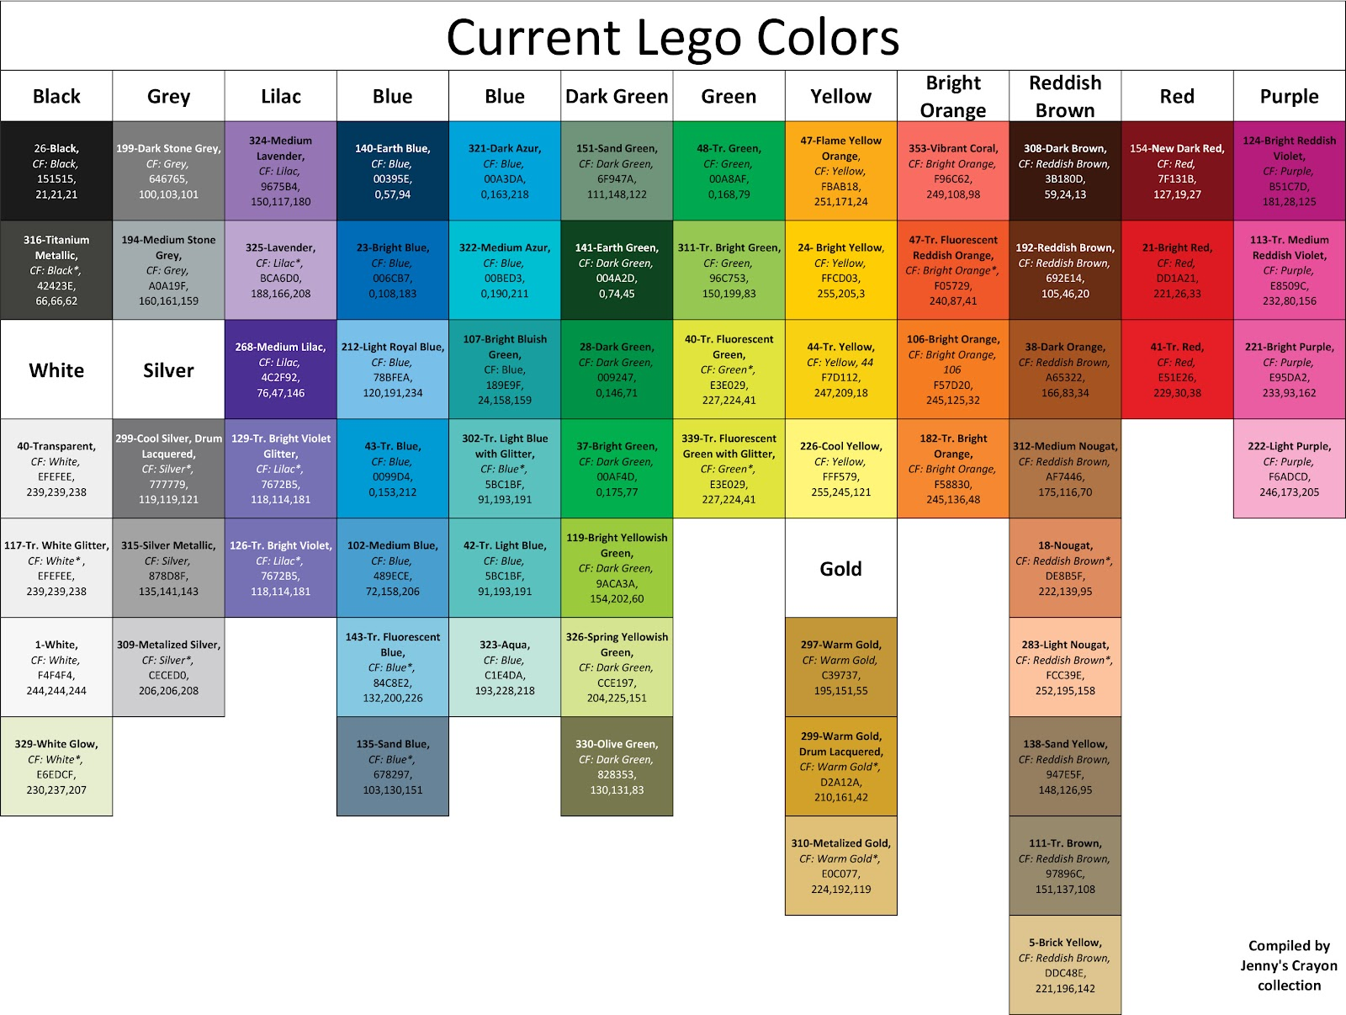
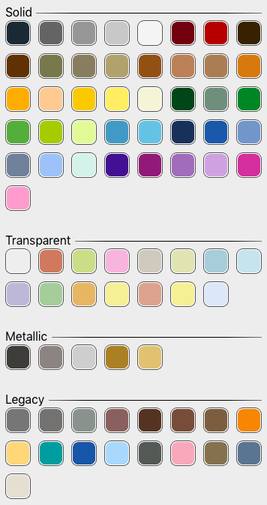
 |  |  |  |  | in kJ/kg
 | Start | End | Count (not smart formula) | Legos acquired
Black | 1 | 14 | 1457
Dark Purple | 15 | 16 | 1283 | x
Dark Blue | 17 | 17 | 943 | x
Blue | 18 | 18 | 428 | x
Dark Turtouise | 19 | 20 | 125 | 10
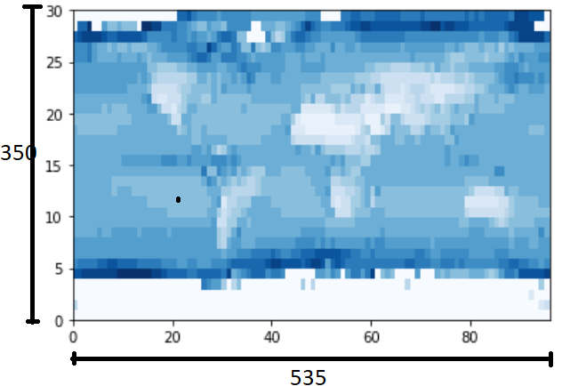
Dark Green | 21 | 21 | 88 | 46
Bright Green | 22 | 22 | 99 | x
Bright Yellowish Green | 23 | 23 | 72 | x
Spring Yellowish Green | 24 | 24 | 66 | 10x
Bright Light Yellow | 25 | 25 | 72 | 68
Yellow | 26 | 26 | 68 | 22x
Flame Yellow Orange | 27 | 27 | 52 | 54
Orange | 28 | 29 | 43 | x
White | 30 | 30 |  | More needed
Medium Stone Blue | 31 | 31
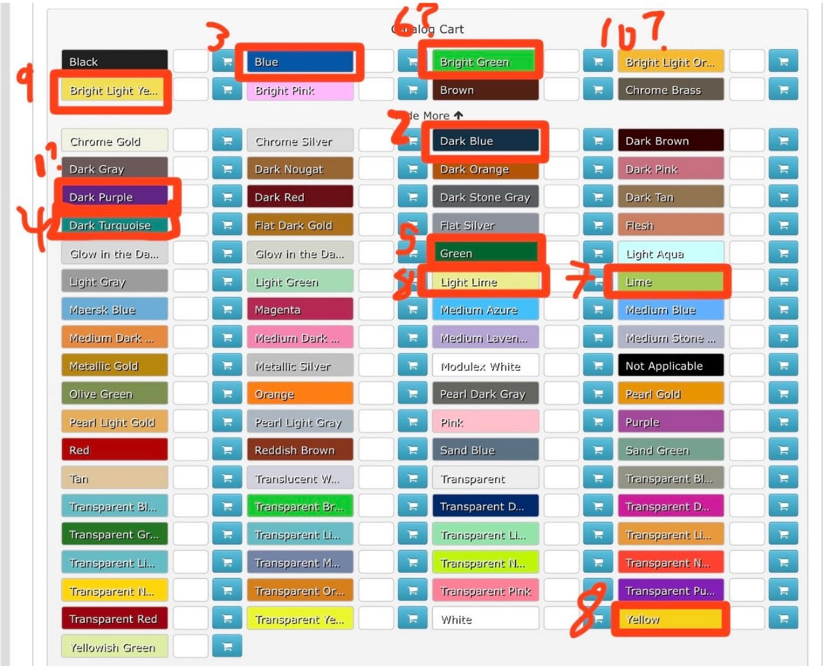
Dark Green | 32 | 32
Medium Blue | 39 | 39

Useful Links
https://blog.datawrapper.de/interpolation-for-color-scales-and-maps/
https://www.bartneck.de/2016/09/09/the-curious-case-of-lego-colors/

Selected Colors
 |  |  |  |  | 62

 |  |  |  |  |  | 30 | 103

Available Lego Colors

