Ext
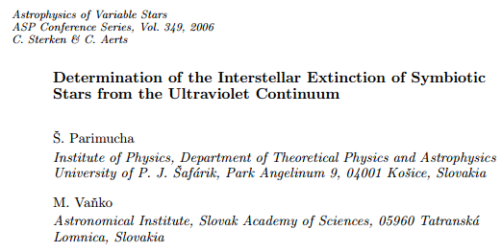
Extinction

Ref | Star | E(B-V) | s | Method | Refs

PV | AE Ara | 0.17 | 0.05 | 2200 A | PV | Parichuma & Vanko | 2006
PV | AG Dra | 0.06 | 0.02 | 2200 A | SDF | Birriel, Espey & Schulte-Labdeck
PV | AG Peg | 0.02 | 0.02 | 2200 A | M+ | Mürset+ | 1991
PV | AR Pav | 0.18 | 0.04 | 2200 A
PV | AS 201 | 0.22 | 0.11 | 2200 A
PV | AS 210 | 0.29 | 0.09 | 2200 A
PV | AX Per | 0.24 | 0.04 | 2200 A
PV | BF Cyg | 0.27 | 0.07 | 2200 A
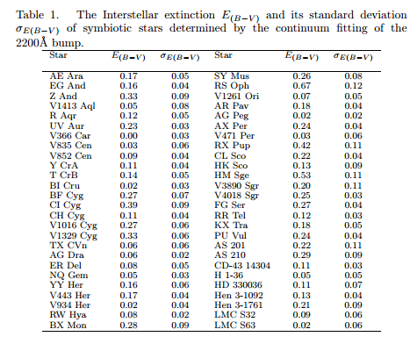
PV | BI Cru | 0.02 | 0.03 | 2200 A
PV | BX Mon | 0.28 | 0.09 | 2200 A
PV | CD-43 14304 | 0.11 | 0.03 | 2200 A
PV | CH Cyg | 0.11 | 0.04 | 2200 A
PV | CI Cyg | 0.39 | 0.09 | 2200 A
PV | CL Sco | 0.22 | 0.04 | 2200 A
PV | EG And | 0.16 | 0.04 | 2200 A
PV | ER Del | 0.08 | 0.05 | 2200 A
PV | FG Ser | 0.27 | 0.04 | 2200 A
PV | H 13150 | 0.05 | 0.05 | 2200 A
PV | HD 330036 | 0.11 | 0.07 | 2200 A
PV | Hen 3-1092 | 0.13 | 0.04 | 2200 A
PV | Hen 3-1761 | 0.21 | 0.09 | 2200 A
PV | HK Sco | 0.13 | 0.09 | 2200 A
PV | HM Sge | 0.53 | 0.11 | 2200 A
PV | KX Tra | 0.18 | 0.05 | 2200 A
PV | LMC S32 | 0.09 | 0.06 | 2200 A
PV | LMC S63 | 0.02 | 0.06 | 2200 A
PV | NQ Gem | 0.05 | 0.03 | 2200 A
PV | PU Vul | 0.24 | 0.04 | 2200 A
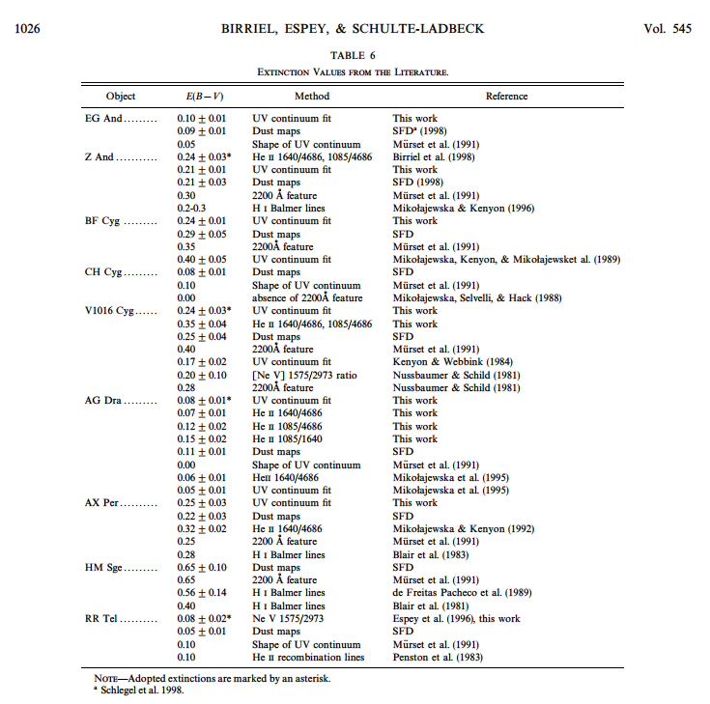
PV | R Aqr | 0.12 | 0.05 | 2200 A
PV | RR Tel | 0.12 | 0.03 | 2200 A
PV | RS Oph | 0.67 | 0.12 | 2200 A
PV | RW Hya | 0.08 | 0.02 | 2200 A
PV | RX Pup | 0.42 | 0.11 | 2200 A
PV | SY Mus | 0.26 | 0.08 | 2200 A
PV | T CrB | 0.14 | 0.05 | 2200 A
PV | TX CVn | 0.06 | 0.06 | 2200 A
PV | UV Aur | 0.23 | 0.03 | 2200 A
PV | V1016 Cyg | 0.27 | 0.06 | 2200 A
PV | V1261 Ori | 0.07 | 0.05 | 2200 A
PV | V1329 Cyg | 0.33 | 0.06 | 2200 A
PV | V1413 Aql | 0.05 | 0.08 | 2200 A
PV | V366 Car | 0 | 0.03 | 2200 A
PV | V3890 Sgr | 0.2 | 0.11 | 2200 A
PV | V4018 Sgr | 0.25 | 0.03 | 2200 A
PV | V443 Her | 0.17 | 0.04 | 2200 A
PV | V471 Per | 0.03 | 0.06 | 2200 A
PV | V835 Cen | 0.03 | 0.06 | 2200 A
PV | V852 Cen | 0.09 | 0.04 | 2200 A
PV | V934 Her | 0.02 | 0.04 | 2200 A
PV | Y CrA | 0.11 | 0.04 | 2200 A
PV | YY Her | 0.16 | 0.06 | 2200 A
PV | Z And | 0.33 | 0.09 | 2200 A
BES | EG And | 0.1 | 0.01 | 2200 A
SDF | EG And | 0.09 | 0.01 | Dust maps
M+ | EG And |  |  | UV continuum
…

