Ext
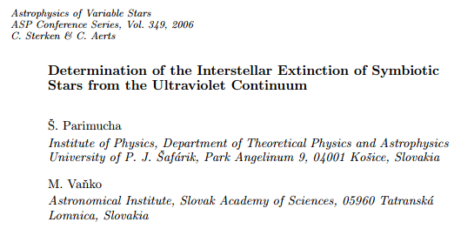
 | Extinction

Ref | Star | E(B-V) | s

PV | AE Ara | 0.17 | 0.05
PV | AG Dra | 0.06 | 0.02
PV | AG Peg | 0.02 | 0.02
PV | AR Pav | 0.18 | 0.04
PV | AS 201 | 0.22 | 0.11
PV | AS 210 | 0.29 | 0.09
PV | AX Per | 0.24 | 0.04
PV | BF Cyg | 0.27 | 0.07
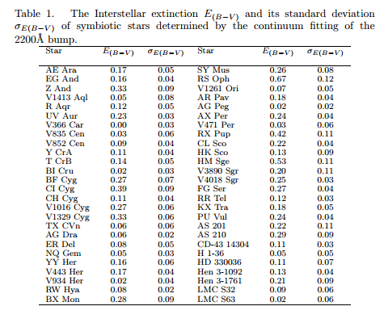
PV | BI Cru | 0.02 | 0.03
PV | BX Mon | 0.28 | 0.09
PV | CD-43 14304 | 0.11 | 0.03
PV | CH Cyg | 0.11 | 0.04
PV | CI Cyg | 0.39 | 0.09
PV | CL Sco | 0.22 | 0.04
PV | EG And | 0.16 | 0.04
PV | ER Del | 0.08 | 0.05
PV | FG Ser | 0.27 | 0.04
PV | H 13150 | 0.05 | 0.05
PV | HD 330036 | 0.11 | 0.07
PV | Hen 3-1092 | 0.13 | 0.04
PV | Hen 3-1761 | 0.21 | 0.09
PV | HK Sco | 0.13 | 0.09
PV | HM Sge | 0.53 | 0.11
PV | KX Tra | 0.18 | 0.05
PV | LMC S32 | 0.09 | 0.06
PV | LMC S63 | 0.02 | 0.06
PV | NQ Gem | 0.05 | 0.03
PV | PU Vul | 0.24 | 0.04
PV | R Aqr | 0.12 | 0.05
PV | RR Tel | 0.12 | 0.03
PV | RS Oph | 0.67 | 0.12
PV | RW Hya | 0.08 | 0.02
PV | RX Pup | 0.42 | 0.11
PV | SY Mus | 0.26 | 0.08
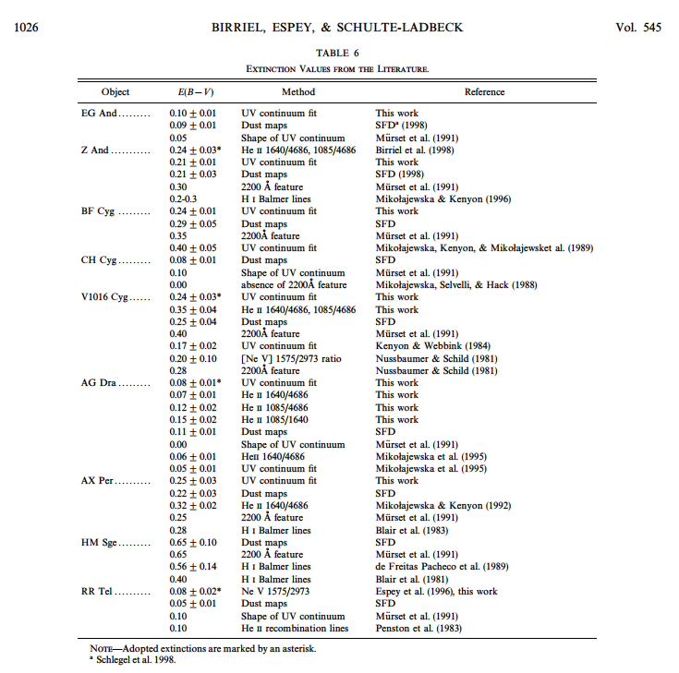
PV | T CrB | 0.14 | 0.05
PV | TX CVn | 0.06 | 0.06
PV | UV Aur | 0.23 | 0.03
PV | V1016 Cyg | 0.27 | 0.06
PV | V1261 Ori | 0.07 | 0.05
PV | V1329 Cyg | 0.33 | 0.06
PV | V1413 Aql | 0.05 | 0.08
PV | V366 Car | 0 | 0.03
PV | V3890 Sgr | 0.2 | 0.11
PV | V4018 Sgr | 0.25 | 0.03
PV | V443 Her | 0.17 | 0.04
PV | V471 Per | 0.03 | 0.06
PV | V835 Cen | 0.03 | 0.06
PV | V852 Cen | 0.09 | 0.04
PV | V934 Her | 0.02 | 0.04
PV | Y CrA | 0.11 | 0.04
PV | YY Her | 0.16 | 0.06
PV | Z And | 0.33 | 0.09

CS
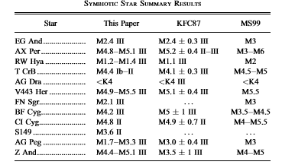
 |  |  |  | SPECTRAL AND LUMINOSITY CLASSIFICATION OF SYMBIOTIC STAR COOL COMPONENTS WITH NEAR-INFRARED PHOTOMETRY
 |  |  |  | Charles D. Keyeskeyes@stsci.edu
 |  |  |  | Brandon Preblich
 |  |  |  | The Astronomical Journal, 128:2981–2987, 2004 December
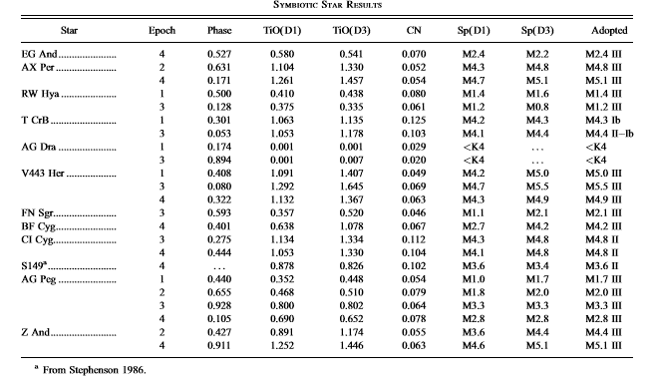
AG Dra | < K4
AG Peg | M1.7 III | M3.3 III
EG And | M2.4 III
BF Cyg | M4.2 III
T CrB | M4.4 Ib-II
Z And | M4.4 III | M5.1 III
AX Per | M4.8 III | 5.1 III
CI Cyg | M4.8 III
V443 Her | M4.9 III | M5.5 III
YY Her

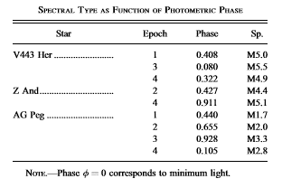

S149 | M3.6 III
FN SGr | M2.1 III

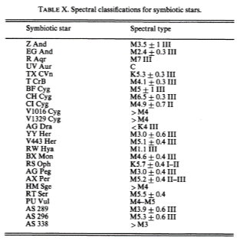

 |  |  | Kenyon 1987
 |  |  |  | Spectral classiﬁcation of the cool giants in symbiotic systems?
 |  |  |  | U. M¨urset1 and H.M. Schmid2
 |  |  |  | Astron. Astrophys. Suppl. Ser. 137, 473–493 (1999)

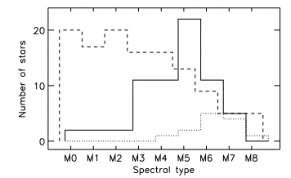

 | M0 | 20 | 2
 | M1 | 17 | 2 |  | 0.18
 | M2 | 20 | 2 |  | 5
 | M3 | 16 | 11 |  | 0.9
 | M4 | 16 | 11
 | M5 | 13 | 22
 | M6 | 8 | 11
 | M7 | 5 | 5
 | M8 | 5 | 0

Feuil1
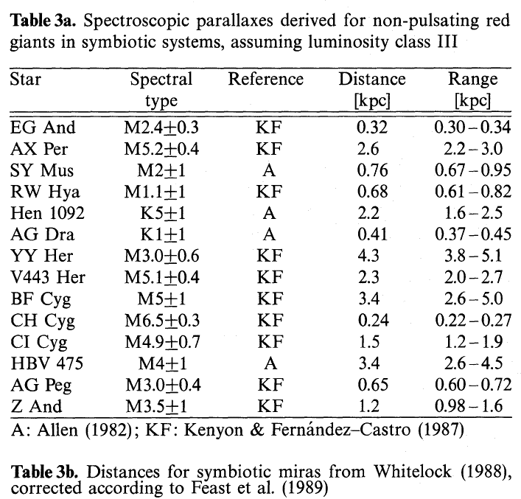

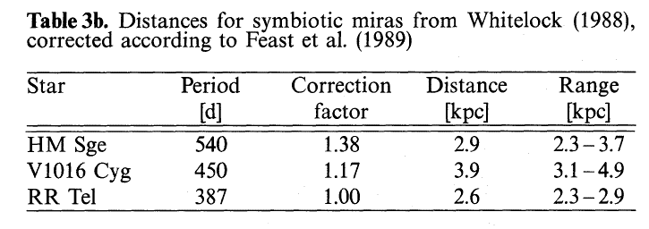

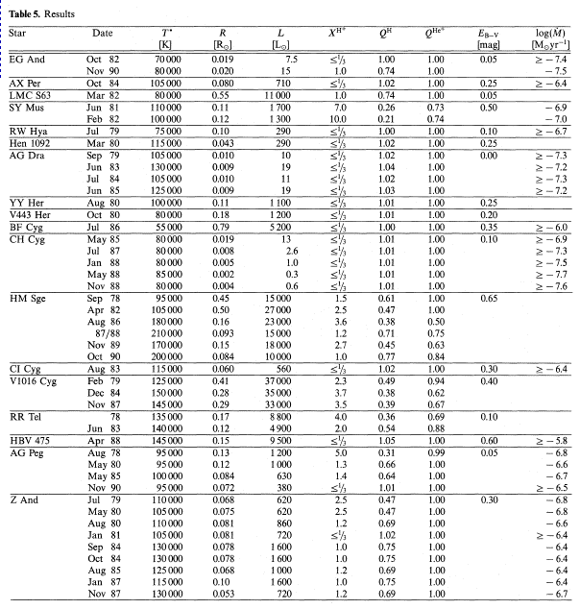

Hot
