BugReport
DENTISTRY ALSHIFA POLYCLINIC
VERSION NO: |  |  |  |  | TESTED BY:ARATHY RAJAN
VERIFIED BY: |  |  |  |  | DATE:15/09/23
BugId | Expected Result | Bug Description | Step to Reproduce | Screenshot | Severity | Priority | Status
DEF_DA_01 | Doctor's picture should present with their name | Doctor's pictures are present with their name | 1. Click https://alshifapolyclinic.com | 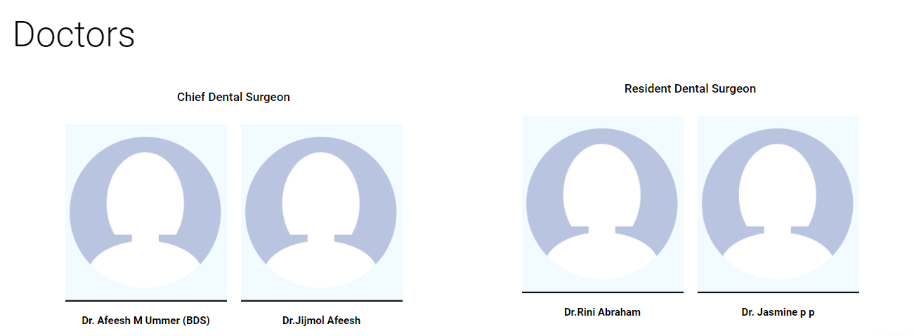 | Minor | P1 | New
DEF_DA_02 | User comment section in homepage should updated with user comments | User comment section in homepage is not update with user comments | 1. Click https://alshifapolyclinic.com |  | Major | P2 | New
DEF_DA_03 | Mandatory fields should contain '*'symbol | Mandatory fields are not contain '*'symbol | 1. Click https://alshifapolyclinic.com | 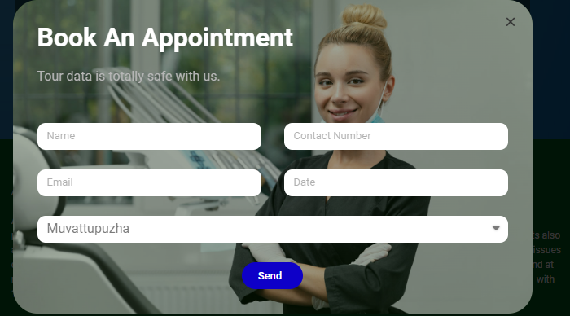 | Major | P3 | New
DEF_DA_04 | Contact link should redirect properly | Contact link are not redirect properly | 1. Click https://alshifapolyclinic.com |  | Major | P4 | New
 | Email link should redirect properly | Email link are not redirect properly | 1. Click https://alshifapolyclinic.com |  | Major | P5 | New
DEF_DA_03 | Contents should be aligned properly | Contents are not aligned properly | 1. Click https://alshifapolyclinic.com |  | Minor | P6 | New
DEF_DA_04 | Contact links should redirect properly | Contact link are not redirect properly | 1. Click https://alshifapolyclinic.com |  | Major | P7 | New
DEF_DA_05 | Gmail links should redirect properly | Gmail link are not redirect properly | 1. Click https://alshifapolyclinic.com |  | Major | P8 | New
DEF_DA_06 | Location links should redirect properly | Location link are not redirect properly | 1. Click https://alshifapolyclinic.com |  | Major | P9 | New
DEF_DA_07 | Name field should not accept more than 30 characters | Name field can accept more than 30 characters | 1. Click https://alshifapolyclinic.com |  | Major | P10 | New
DEF_DA_08 | Name should not accept numbers and special characters | Name accep tall numbers and special characters | 1. Click https://alshifapolyclinic.com |  | Major | P11 | New
DEF_DA_09 | Email should enter with invalid email id | Email should not enter with invalid id | 1. Click https://alshifapolyclinic.com |  | Major | P12 | New
DEF_DA_10 | Date field should not accept previous year details | Date field accept previous year details | 1. Click https://alshifapolyclinic.com | 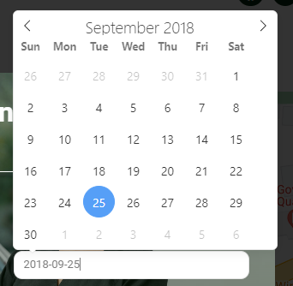 | Major | P13 | New
DEF_DA_11 | Date field should accept date upto one year | Date field accept previous year details | 1. Click https://alshifapolyclinic.com | 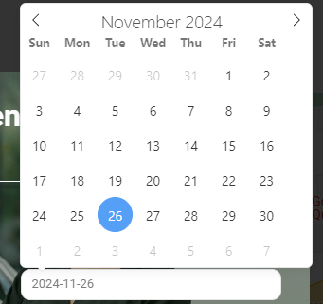 | Major | P14 | New
DEF_DA_12 | Feedbackbox should contain Emailid | Feeback box is not contain emailid | 1. Click https://alshifapolyclinic.com | 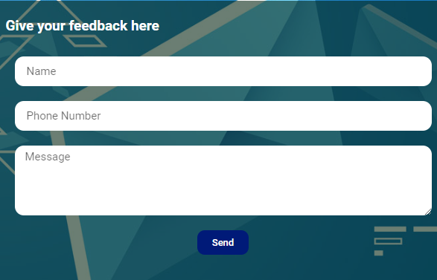 | Enhancement | P15 | New
DEF_DA_13 | Name field should not accept more than 30 characters | Name field can accept more than 30 characters | 1. Click https://alshifapolyclinic.com |  | Major | P16 | New
DEF_DA_14 | Name should not accept numbers and special characters | Name accept all numbers and special characters | 1. Click https://alshifapolyclinic.com |  | Major | P17 | New
DEF_DA_15 | Mobile number should not accept more than 10 digits | Mobile number can accept more than 10 digits | 1. Click https://alshifapolyclinic.com |  | Major | P18 | New
DEF_DA_16 | Should not allow topaste numeric or special character in the name field | Allow the name field to paste thenumeric or special characters | 1. Click https://alshifapolyclinic.com |  | Major | P19 | New
DEF_DA_17 | Should not allow topaste numeric or special character in the name field | Allow the name field to paste thenumeric or special characters | 1. Click https://alshifapolyclinic.com |  | Major | P20 | new

DefectDistribution
DEFECT DISTRIBUTION GRAPH
Module Name | Defect Distribution
Home Page | 7
About Page | 8
Homeopathy Page | 7
Dentistry Page | 7
Contact Page | 10
Book Appointment Page | 9

