Summary Plot
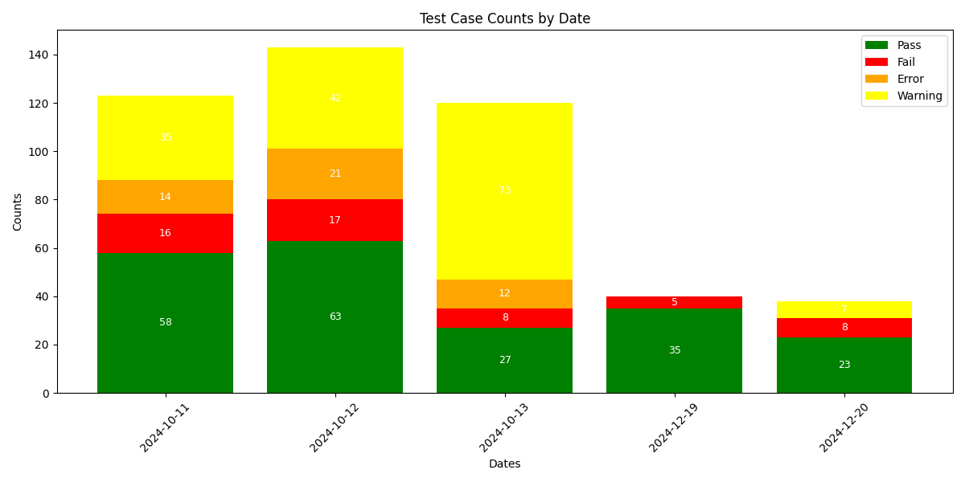

Cyclic Summary Plot
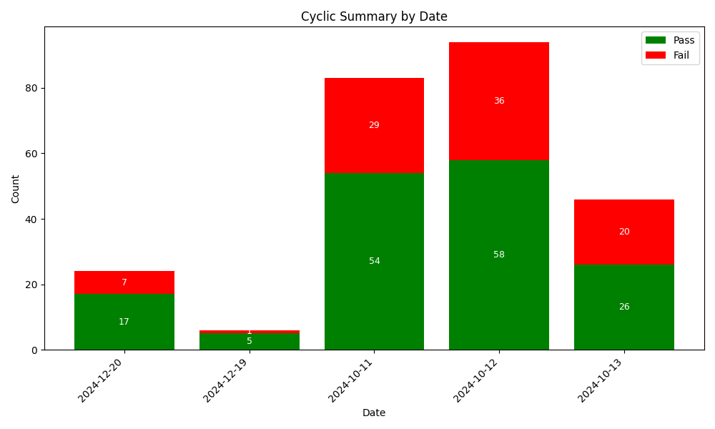

Date: 2024-10-11
Passed Scripts:
Failed Scripts:

Date: 2024-10-12
Passed Scripts:
Failed Scripts:

Date: 2024-10-13
Passed Scripts:
Failed Scripts:

Date: 2024-12-19
Passed Scripts:
Failed Scripts:

Date: 2024-12-20
Passed Scripts:
Failed Scripts:

