Summary
Campaign Name | Campaign name
Campaign Date | 2024-12-20 09:59:05
Duration | 0:43:01.150996
Build Version | 2024.2.13
Python Version | 3.12.3 (tags/v3.12.3:f6650f9, Apr 9 2024, 14:05:25) [MSC v.1938 64 bit (AMD64)]
Train | SW version XX
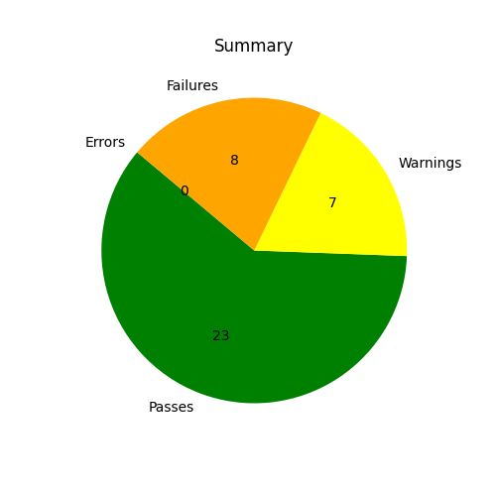
Category | Count
Passes | 23
Warnings | 7
Failures | 8
Errors | 0

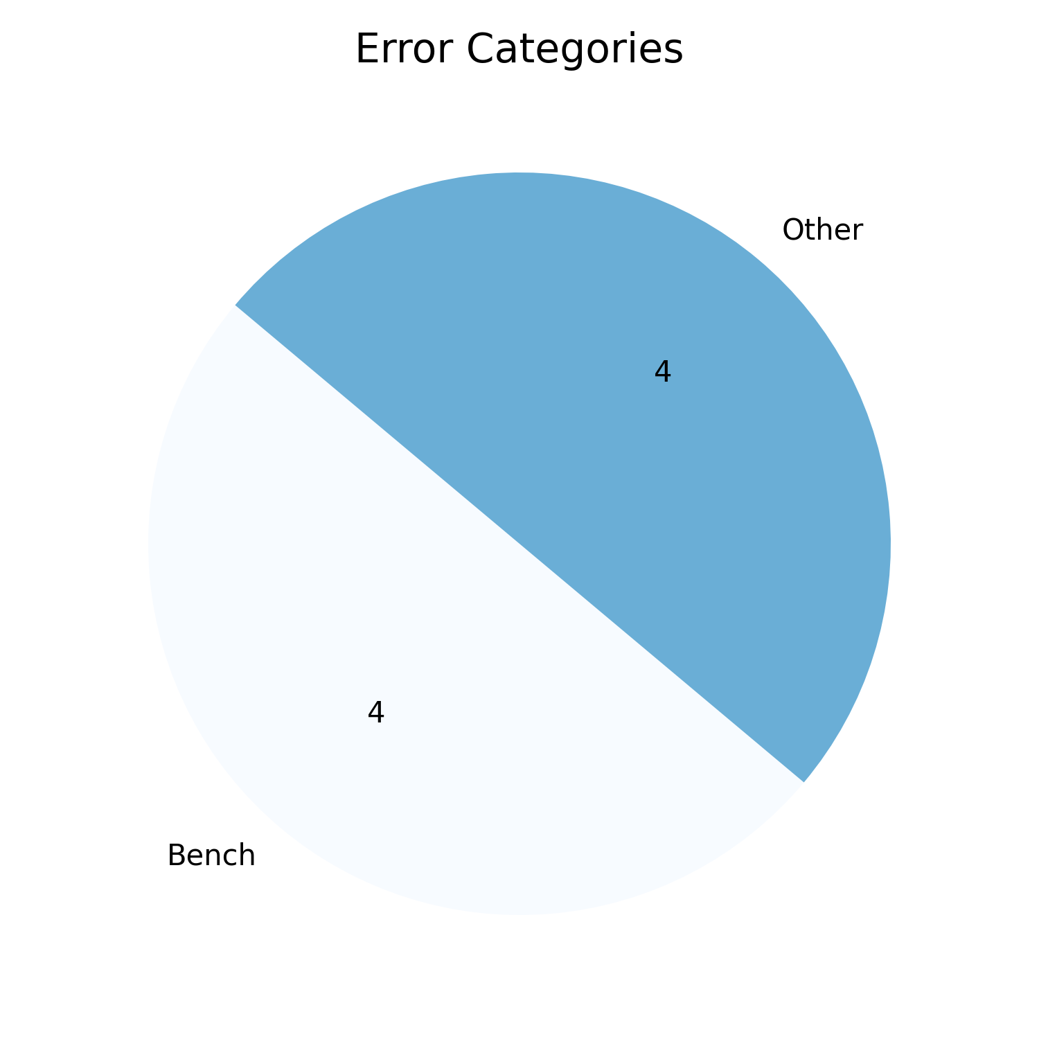
Error Category | Count
Bench | 4
Other | 4

