SSIS Package
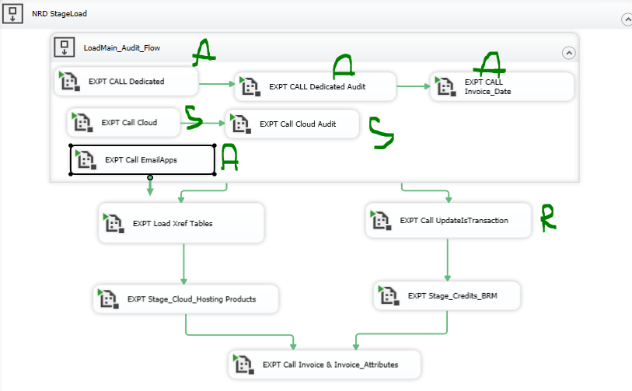
Package | Resource | Stauts
SSIS_Stage_NRD_Cloud_Invoice.dtsx | siva | Done
SSIS_Stage_NRD_Cloud_Invoice_Audit.dtsx | Ragu | In-Progress
SSIS_Stage_NRD_Dedicated_Invocie.dtsx | Aravind | Done
SSIS_Stage_NRD_Dedicated_Invoice_Audit.dtsx | Aravind | Done
SSIS_Stage_NRD_Update_Invoice_Date.dtsx | Aravind | Done
Raghu
SSIS_Stage_NRD_Email_Apps_Invoice.dtsx | Aravind | Done
SSIS_Stage_NRD_Update_Is_Transaction.dtsx | Ragu | Done
SSIS_Load_Xref_Tables.dtsx | Ragu | Done
SSIS_Load_Stage_Cloud_Hosting_Products.dtsx | Aravind | Done
Raghu
Raghu
SSIS_Load_Stage_Credit_BRM.dtsx | Aravind | Done
SSIS_Load_Dim_Invoice_And_Attributes.dtsx | Aravind | Done

Aravind
Aravind

Aravind

