Sheet1
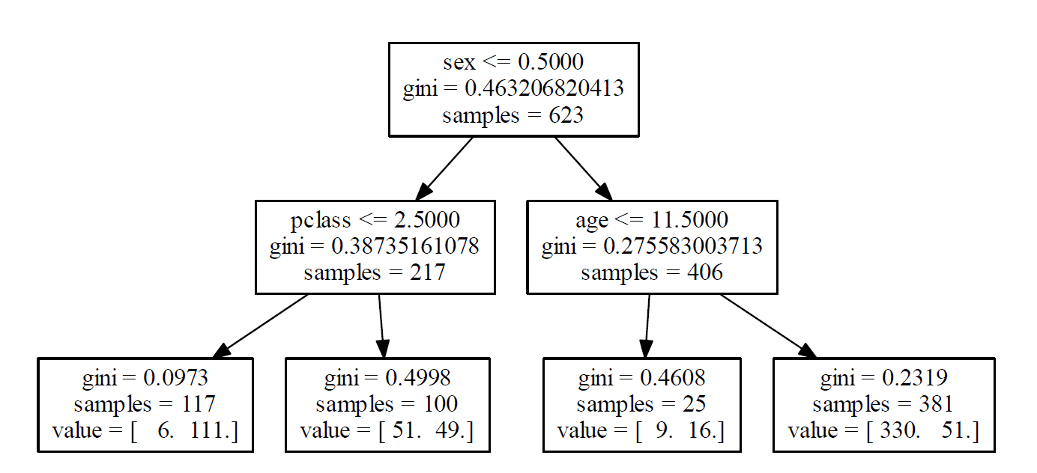
variable | gini before | n | gini after | Absolute Decrease | Weighted Decrease | % Decrease
sex | 0.46320682041 | 623 | 0.31451364213 | 0.14869317828 | 92.635850071 | 0.72746945055
pclass | 0.38735161078 | 217 | 0.28278387097 | 0.10456773981 | 22.691199539 | 0.17819401936
age | 0.27558300371 | 406 | 0.24599482759 | 0.029588176127 | 12.012799507 | 0.094336530087

