📊 Dashboard
Willow & Wren Crochet Studio |  |  |  |  | Autumn fair season - stock up on chunky yarn!
🧶 Your craft fair business at a glance |  |  |  |  | BASIC EDITION • 8 tabs

Sales logged: 22 |  |  | Units sold: 77 |  | Fairs booked: 8 |  |  | Restock needed - see Reorder List

GROSS SALES |  | NET PROFIT |  | PROFIT MARGIN | UNITS SOLD |  | AVERAGE SALE |  | STOCK VALUE
$1,760.00 |  | $716.50 |  | 40.7% | 77 |  | $80.00 |  | $270.20

FAIRS WORKED |  | BEST CRAFT FAIR |  | TOP SELLER | TOP EARNER |  | PRODUCTS IN CATALOG |  | SUGGESTED PRICE
6 of 8 |  | Online Order Batch |  | Keychain Charm | Market Tote Bag |  | 12 |  | $52.00

Your year at a glance
Sales by month
 | Sales by month
January | 0
February | 0
March | 300
April | 174
May | 244
June | 398
July | 309
August | 335
September | 0
October | 0
November | 0
December | 0
How customers paid
 | How customers paid
Cash | 816
Card | 609
Bank transfer | 170
Mobile wallet | 0
Online order | 165
Other | 0

Top products by revenue
 | Top products by revenue
Amigurumi Bunny | 168
Chunky Beanie | 120
Granny Square Cardigan | 95
Market Tote Bag | 256
Cozy Scarf | 76
Baby Booties | 90
Flower Coaster Set | 222
Lap Blanket | 150
Ear Warmer Headband | 160
Stuffed Octopus | 78
Table Runner | 165
Keychain Charm | 180
Where the fair money went
 | Where the fair money went
Booth fees | 360
Travel | 89
Parking | 31
Food & drinks | 60
Display & decor | 140

Net profit by fair
 | Net profit by fair
Spring Makers Market | 151.2
Easter Craft Bazaar | 89.6
School Fete Stall | 156.5
Summer Night Bazaar | 199.2
Farmers Market Pop-up | 163.4
Online Order Batch | 259.6
Autumn Craft Fair | -145
Winter Holiday Market | -158
Monthly net profit
 | Monthly net profit
January | 0
February | 0
March | 151.2
April | 89.6
May | 156.5
June | 199.2
July | 163.4
August | 259.6
September | -145
October | 0
November | -158
December | 0

Top products (by revenue)
# | Product |  |  |  | Units | Revenue | Profit | Margin
1 | Market Tote Bag |  |  |  | 8 | 256.00 | 199.20 | 77.8%
2 | Flower Coaster Set |  |  |  | 14 | 222.00 | 186.20 | 83.1%
3 | Keychain Charm |  |  |  | 18 | 180.00 | 153.00 | 85.0%
4 | Amigurumi Bunny |  |  |  | 6 | 168.00 | 138.00 | 82.1%
5 | Table Runner |  |  |  | 3 | 165.00 | 129.00 | 78.2%

💡 Every number on this page is live - log a sale on the Sales Log tab and watch it land here instantly.

Settings |  | ▶ 🏠 Home |  | Products | Fairs |  | Sales |  | Pricing
Help

📖 Start Here
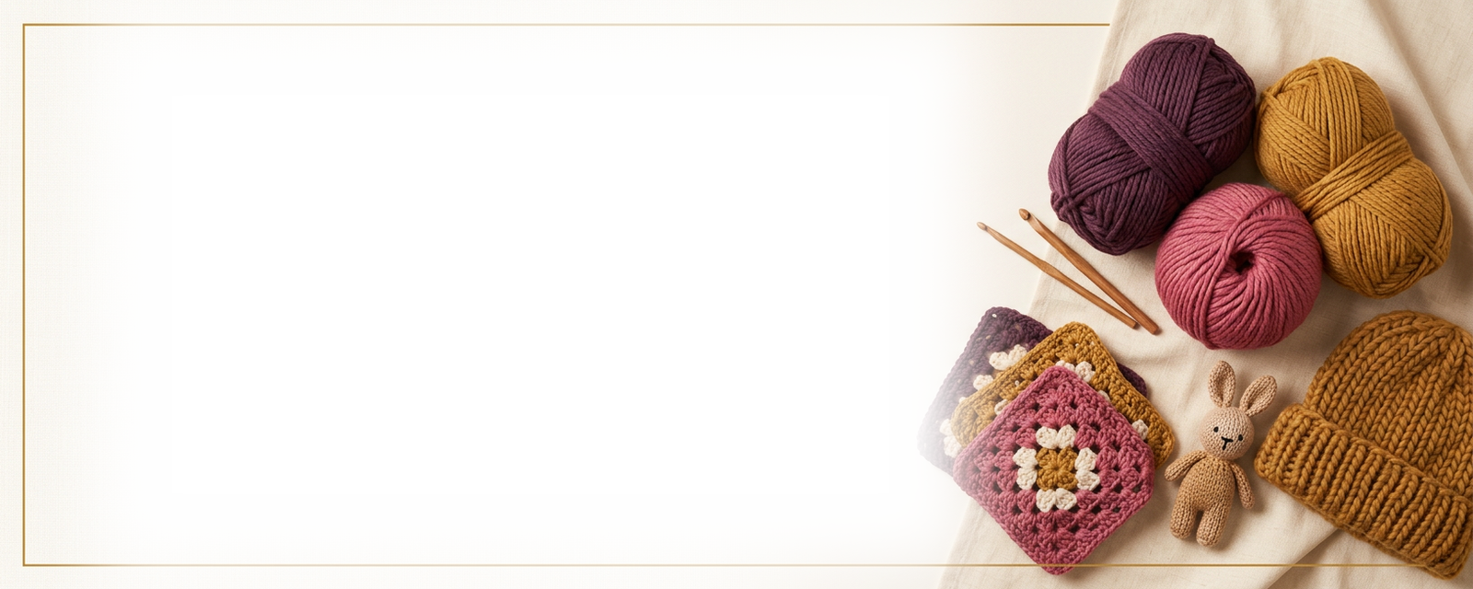

 |  |  |  |  | 🏠 Dashboard

Ultimate Crochet Craft Fair Tracker is a complete little business system for crochet sellers: products and pricing, yarn stash, stock, craft fairs, sales and profit - all in one tidy workbook that does the maths for you.

BASIC EDITION • 8 tabs |  | Berry theme |  | Excel 2016+ • Google Sheets |  | No macros

Set up in three minutes
1. Tell it about your studio
Open Lists & Settings: type your business name, pick your currency symbol, set the report year, your hourly wage, overhead % and target margin. Rename any dropdown list while you're there - categories, payment methods, yarn weights, suppliers.

2. List what you make
On the Product Catalog tab, add one row per product with its price, yarn cost and packaging. Cost per item, profit and margin calculate themselves. Set a 'Keep min.' level for each - that's your reorder trigger.

3. Book a fair and sell
Add the fair (and its costs) on the Craft Fairs tab, then log every sale on the Sales Log - pick the fair and product from the dropdowns. The Dashboard, Event Profit and Monthly Summary update instantly.

Your tabs, left to right
Tab |  | What it does
⚙️ Lists & Settings |  | Your studio name, money settings and every dropdown list.
🏠 Dashboard |  | Live KPIs, charts and your top products.
🧶 Product Catalog |  | One row per product: price, costs, margin, stock.
🏪 Craft Fairs |  | Book fairs and their costs; profit maths runs itself.
💰 Sales Log |  | One row per line item sold - at fairs or online.
💵 Pricing Calculator |  | Price items so crafting actually pays you.

The golden rules
• White cells are yours to type in. Tinted cells calculate themselves and are locked, so a stray keystroke can't break the maths.
• Dropdown lists are yours: rename, add or delete entries on the Lists & Settings tab and every dropdown follows.
• Type new data in the blank rows inside each table - the formulas are already waiting for you there.
• The _Data tab is the engine room that feeds the Dashboard and charts. It stays hidden on purpose and needs no attention.
• No macros, nothing to install: works in Microsoft Excel 2016 and newer, and uploads cleanly to Google Sheets (Drive → open with Google Sheets).

Work like a pro
• Price before you stitch: run every new design through the Pricing Calculator so your wage and overhead are inside the price, not wishes.
• Log production on Made & Stocked as you finish items - stock levels, the status pills and the Reorder List all follow automatically.
• Check the Reorder List a fortnight before a fair: buy what the list suggests and you won't sell out of your bestseller at 11am.
• After each fair, open Event Profit and compare net profit and ROI. Book the winners again next season; let the losers go.
• Once a month, glance at the Monthly Summary - a red net month usually just means a fair fee paid before the fair happened.

This EXAMPLE copy is filled with Willow & Wren Crochet Studio - a fictional small crochet business - so you can see every formula, chart and pill doing its job. Browse the tabs, then make it yours: type over the example rows or delete them and start fresh. Nothing breaks when you clear the data out.

Questions or a wish for the next version? Message me through Etsy - I read and answer everything.
Ultimate Crochet Craft Fair Tracker v1.0 • 8-tab Basic edition • © Novality Store

💡 Start on the Dashboard tab - it's the front door to everything else.

Settings | 🏠 Home |  | Products |  | Fairs
Sales | Pricing |  | ▶ Help

