vehicle_prive_mileage
Vehicle Price vs Mileage (Outliers Removed)
 | Sale_Price
35000 | $38,900
17000 | $26,800
13000 | $27,900
6000 | $45,900
29000 | $41,200
12000 | $47,800
15000 | $38,900
8000 | $61,900
22000 | $27,900
20000 | $31,800
11000 | $43,500
45000 | $22,900
34000 | $21,900
21000 | $44,500
25000 | $36,800
17000 | $30,200
8000 | $35,900
16000 | $29,800
9000 | $38,900
27000 | $28,901
48000 | $28,900
27000 | $32,500
19000 | $22,900
14000 | $23,900
4000 | $55,900
11000 | $24,900
9000 | $29,800
18000 | $42,000
26000 | $39,500
7000 | $65,900
8000 | $35,901
22000 | $41,200
1500 | $62,900
25000 | $58,900
21000 | $33,500
23000 | $62,900
25000 | $35,200
15000 | $16,500
17000 | $24,800
17000 | $25,800
20000 | $28,900
8000 | $26,900
16000 | $25,500
15000 | $24,500
19000 | $28,900
22000 | $29,800
16000 | $33,500
23000 | $42,500
19000 | $39,800
13000 | $26,900
...
Mileage | Sale_Price | Sales_Price_Outlier_Check
35000 | $38,900 | Normal | Q1 | 28900
17000 | $26,800 | Normal | Q3 | 48400
13000 | $27,900 | Normal | IQR | 19500
6000 | $45,900 | Normal
29000 | $41,200 | Normal | Lower Bound | -350
12000 | $47,800 | Normal | Upper Bound | 77650
15000 | $38,900 | Normal
8000 | $61,900 | Normal
22000 | $27,900 | Normal
20000 | $31,800 | Normal
11000 | $43,500 | Normal
45000 | $22,900 | Normal
34000 | $21,900 | Normal
21000 | $44,500 | Normal
25000 | $36,800 | Normal
17000 | $30,200 | Normal
8000 | $35,900 | Normal
16000 | $29,800 | Normal
9000 | $38,900 | Normal
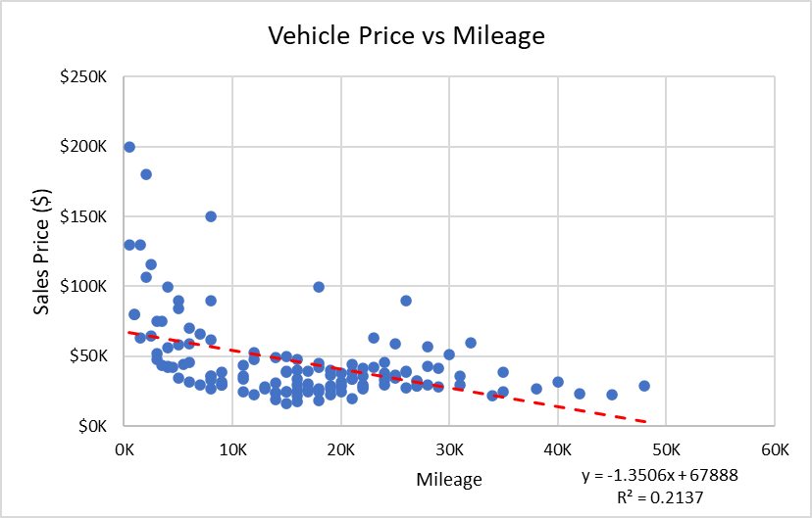
27000 | $28,901 | Normal
48000 | $28,900 | Normal
27000 | $32,500 | Normal
19000 | $22,900 | Normal
14000 | $23,900 | Normal
4000 | $55,900 | Normal
11000 | $24,900 | Normal
9000 | $29,800 | Normal
18000 | $42,000 | Normal
26000 | $39,500 | Normal
7000 | $65,900 | Normal
8000 | $35,901 | Normal
22000 | $41,200 | Normal
1500 | $62,900 | Normal
25000 | $58,900 | Normal
21000 | $33,500 | Normal
23000 | $62,900 | Normal
25000 | $35,200 | Normal
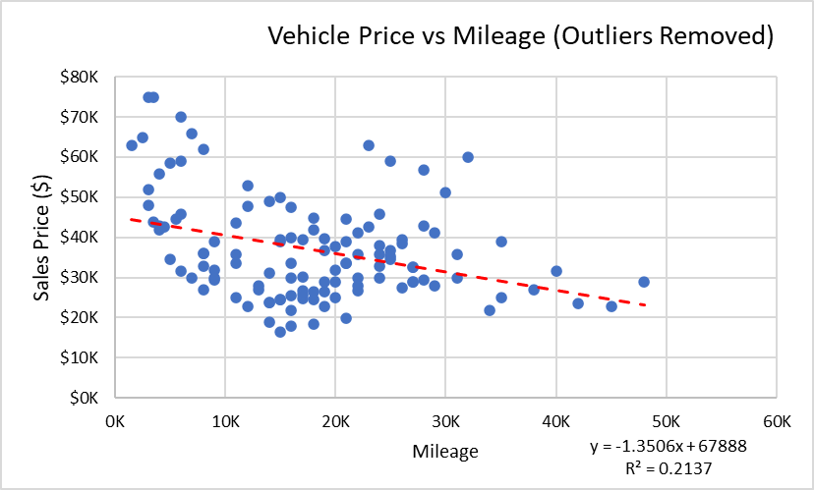
15000 | $16,500 | Normal
17000 | $24,800 | Normal
17000 | $25,800 | Normal
20000 | $28,900 | Normal
8000 | $26,900 | Normal
16000 | $25,500 | Normal
15000 | $24,500 | Normal
19000 | $28,900 | Normal
22000 | $29,800 | Normal
16000 | $33,500 | Normal
23000 | $42,500 | Normal
19000 | $39,800 | Normal
13000 | $26,900 | Normal
20000 | $37,800 | Normal
22000 | $35,800 | Normal
35000 | $24,900 | Normal
29000 | $27,900 | Normal
21000 | $19,900 | Normal
20000 | $24,900 | Normal
11000 | $33,500 | Normal
3000 | $47,900 | Normal
8000 | $32,900 | Normal
4000 | $42,900 | Normal
24000 | $29,800 | Normal
9000 | $31,900 | Normal
25000 | $34,500 | Normal
3500 | $43,900 | Normal
24000 | $37,900 | Normal
4000 | $41,900 | Normal
19000 | $36,800 | Normal
30000 | $51,200 | Normal
24000 | $32,900 | Normal
38000 | $26,900 | Normal
26000 | $38,500 | Normal
26000 | $27,500 | Normal
16000 | $17,800 | Normal
18000 | $24,500 | Normal
16000 | $21,800 | Normal
22000 | $26,800 | Normal
11000 | $35,800 | Normal
5000 | $58,500 | Normal
18000 | $44,800 | Normal
4500 | $42,500 | Normal
21000 | $33,500 | Normal
6000 | $31,500 | Normal
17000 | $39,500 | Normal
3000 | $51,900 | Normal
28000 | $56,900 | Normal
15000 | $39,500 | Normal
40000 | $31,500 | Normal
24000 | $35,800 | Normal
14000 | $31,200 | Normal
18000 | $18,500 | Normal
9000 | $29,500 | Normal
18000 | $26,500 | Normal
12000 | $22,900 | Normal
12000 | $52,900 | Normal
6000 | $58,900 | Normal
3000 | $74,900 | Normal
2500 | $64,900 | Normal
31000 | $35,800 | Normal
27000 | $32,500 | Normal
19000 | $26,500 | Normal
14000 | $48,900 | Normal
14000 | $18,900 | Normal
16000 | $47,500 | Normal
27000 | $28,900 | Normal
42000 | $23,500 | Normal
31000 | $29,800 | Normal
14000 | $23,900 | Normal
15000 | $24,500 | Normal
7000 | $29,800 | Normal
5500 | $44,500 | Normal
5000 | $34,500 | Normal
3500 | $74,900 | Normal
28000 | $29,500 | Normal
24000 | $45,900 | Normal
32000 | $59,900 | Normal
28000 | $42,900 | Normal
21000 | $38,900 | Normal
15000 | $49,900 | Normal
16000 | $39,900 | Normal
6000 | $69,900 | Normal

data_visuals
Quarter | Total Sales per Quarter in 2024 |  | Make | Total Sales by Make
Q1 | $555K |  | Tesla | $1,161K
Q2 | $1,409K |  | BMW | $771K
Q3 | $2,010K |  | Chevrolet | $691K
Q4 | $2,181K |  | Nissan | $641K
Grand Total | $6,154,502.00 |  | Toyota | $607K
2024 Quarterly Sales Trend
 |  |  | Ford | $586K
 |  |  | Hyundai | $577K
 |  |  | Jeep | $567K
 |  |  | Honda | $554K

Total Sales by Make

 | Vehicle Category | Total Sales Price by Vehicle Category
 | Coupe | $1,314,901.00
 | Sedan | $1,553,700.00
 | SUV | $2,433,600.00
 | Truck | $652,800.00
 | Van | $199,501.00
Total Sales Price by Vehicle Category

