pivot_tbl1
Pivot Table 1: Sales by Location |  |  | Location | Total Revenue Proportion
Location | Number of Transactions | Total Revenue | In-store | 30.76%
In-store | 3009 | $27,387.50 | Takeaway | 30.18%
Takeaway | 3019 | $26,876.50 | Unknown | 39.06%
Unknown | 3946 | $34,778.00
Grand Total | 9974 | $89,042.00
Total Revenue Proportion
Note: Filtered out 26 incomplete transactions. 26 records we didn't know the total_cost value was

Business Question it Answers
Which Location made the most revenue?

Key Insights
Most transactions were unknown,
Of known data, most revenue made when customers were in store.
Of known data, despite the higher number of transactions, Takewaway location made the least revenue

Business Decision Use
Fix data tracking immediately
Optimize in-store expereince to maxiumum revenue
Increase takeaway revenue per transaction
Re-evaluate takeaway pricing or menu strategy:
Run targeted promotions by location type:

Paragraph
The café should prioritize improving data quality, as a large portion of transactions are labeled “Unknown,” limiting reliable insights. Based on known data, in-store purchases generate higher revenue per transaction, suggesting an opportunity to further enhance upselling and the in-store experience. Meanwhile, takeaway transactions, although slightly higher in volume, produce less revenue, indicating a need for strategies such as bundled deals or add-on promotions to increase average order value. By addressing both data accuracy and location-based sales strategies, the café can make more informed and profitable decisions.

pivot_tbl2
Total Revenue per Item
Pivot Table 2: Sales by Item |  |  |  | Note: Filtered out 26 incomplete transactions. 26 records we didn't know the total_cost value was
Item | Number of Transactions | Total Quantity Purchased | Total Revenue
Salad | 1270 | 3819 | $19,095.00
Sandwich | 1127 | 3429 | $13,716.00
Smoothie | 1094 | 3336 | $13,344.00
Juice | 1168 | 3505 | $10,515.00
Cake | 1138 | 3468 | $10,404.00
Coffee | 1286 | 3904 | $7,808.00
Tea | 1206 | 3650 | $5,475.00
Cookie | 1211 | 3598 | $3,598.00
Sandwich or Smoothie | 227 | 704 | $2,816.00
Cake or Juice | 247 | 757 | $2,271.00
Grand Total | 9974 | 30170 | $89,042.00

Note: Filtered out 26 incomplete transactions. 26 records we didn't know the total_cost value was

Business Questions it Answers
Which food item made the most revenue? What about the least?

Key Insights
Salads generate the highest revenue ($19,095), making them the top-performing item overall.
Coffee has the highest number of transactions (1,286) and quantity sold (3,904), but relatively low revenue → indicates low price per unit.
Sandwiches and smoothies are strong performers across both revenue and volume, showing consistent demand.
Cookies generate the lowest revenue despite a high number of transactions → very low revenue per transaction.
“Combined category” items (e.g., Sandwich or Smoothie, Cake or Juice) contribute minimal revenue → indicates data quality issues or unclear categorization.

Business Decisions
Promote high-revenue items (Salads, Sandwiches, Smoothies)
Increase profitability of high-volume, low-revenue items (Coffee, Cookies)
Optimize menu strategy

Paragraph
The analysis of sales by item shows that salads generate the highest revenue, making them the café’s top-performing product, while sandwiches and smoothies also contribute strongly across both sales volume and revenue. Coffee records the highest number of transactions and quantity sold, but generates relatively low revenue, indicating a lower price point and an opportunity to increase profitability through bundling or upselling. Additionally, cookies produce low revenue despite frequent purchases, further highlighting the need to improve average order value for lower-priced items. The presence of ambiguous categories such as “Sandwich or Smoothie” suggests data quality issues that should be addressed. Overall, the café should focus on promoting high-revenue items, optimizing pricing strategies for popular low-cost products, and improving data consistency to support better business decisions.

pivot_tbl3
Total Revenue
Pivot Table 3: Sales by Weekday
Weekday | Number of Transactions | Total Revenue
Monday | 1377 | $12,384.50
Tuesday | 1307 | $11,646.00
Wednesday | 1337 | $11,846.00
Thursday | 1378 | $12,321.00
Friday | 1386 | $12,498.00
Saturday | 1356 | $12,645.50
Sunday | 1374 | $11,680.50
Unknown Weekday | 459 | $4,020.50
Grand Total | 9974 | $89,042.00

Note: Filtered out 26 incomplete transactions. 26 records we didn't know the total_cost value was

Business Questions it Answers
Which day of the week made the most revenue?

Key Insights
Sales are very consistent across weekdays, with all days generating similar revenue (~$11.6K–$12.6K).
Saturday generates the highest revenue ($12,645.50), closely followed by Friday, indicating slightly stronger weekend performance.
Tuesday has the lowest revenue, though the difference is small, suggesting no extreme “slow day.”
The presence of 459 transactions with missing weekday data ($4,020.50 revenue) indicates a data quality issue that could impact time-based analysis.

Business Decisions
Maintain consistent staffing levels throughout the week:
Slightly increase staffing or inventory on weekends (Friday–Saturday):
Introduce promotions on lower-performing days (Tuesday/Wednesday):
Fix missing date data:

Paragraph
The analysis of sales by weekday shows that revenue is relatively consistent throughout the week, with only minor variation between days. Saturday generates the highest revenue, closely followed by Friday, suggesting slightly stronger performance heading into the weekend. In contrast, Tuesday produces the lowest revenue, although the difference is minimal, indicating stable customer demand overall. Additionally, a notable portion of transactions is missing weekday data, highlighting a data quality issue that should be addressed. Based on these findings, the café should maintain consistent staffing levels while slightly increasing resources on peak days and consider targeted promotions on lower-performing days to further optimize revenue.

Monday | 1377 | $12,384.50
Tuesday | 1307 | $11,646.00
Wednesday | 1337 | $11,846.00
Thursday | 1378 | $12,321.00
Friday | 1386 | $12,498.00
Saturday | 1356 | $12,645.50
Sunday | 1374 | $11,680.50
Unknown Weekday | 459 | $4,020.50

bonus
missing_total_cost | 0
missing_date | 0

Row Labels | Sum of total_cost | Month | Total Revenue
January | 7518.5 | January | $7,518.50
February | 6600 | February | $6,600.00
March | 7458 | March | $7,458.00
April | 7035.5 | April | $7,035.50
May | 6998.5 | May | $6,998.50
June | 7160 | June | $7,160.00
July | 6823.5 | July | $6,823.50
August | 7209.5 | August | $7,209.50
September | 7226.5 | September | $7,226.50
October | 7274 | October | $7,274.00
November | 6905 | November | $6,905.00
December | 6812.5 | December | $6,812.50
Grand Total | 85021.5 | Grand Total | $85,021.50

combined_analysis
Combined Sales Analysis Dashboard
 | Sales by Location
 | Location | Number of Transactions | Total Revenue
 | In-store | 3009 | $27,387.50
 | Takeaway | 3019 | $26,876.50
 | Unknown | 3946 | $34,778.00
 | Grand Total | 9974 | $89,042.00

Total Revenue Proportion
 | Total Revenue Proportion
In-store | 30.76%
Takeaway | 30.18%
Unknown | 39.06%
Total Revenue per Item
 | Total Revenue
Salad | $19,095.00
Sandwich | $13,716.00
Smoothie | $13,344.00
Juice | $10,515.00
Cake | $10,404.00
Coffee | $7,808.00
Tea | $5,475.00
Cookie | $3,598.00
Sandwich or Smoothie | $2,816.00
Cake or Juice | $2,271.00
Total Revenue
 | Total Revenue
Monday | $12,384.50
Tuesday | $11,646.00
Wednesday | $11,846.00
Thursday | $12,321.00
Friday | $12,498.00
Saturday | $12,645.50
Sunday | $11,680.50
Unknown Weekday | $4,020.50

 | Key Insights |  | Business Decisions
 | Revenue driven by items, not time |  | Promote high-revenue items
 | Coffee = high volume, low revenue |  | Bundle low-cost, high-volume items
 | Sales consistent across weekdays |  | Keep staffing consistent (slight weekend boost)
 | Large “Unknown” category affects analysis |  | Improve data tracking system

visual notes
Total Revenue per Item
 | Total Revenue
Salad | $19,095.00
Sandwich | $13,716.00
Smoothie | $13,344.00
Juice | $10,515.00
Cake | $10,404.00
Coffee | $7,808.00
Tea | $5,475.00
Cookie | $3,598.00
Sandwich or Smoothie | $2,816.00
Cake or Juice | $2,271.00
Visual Description:
The bar chart shows the 9,974 completed sales in the year 2023. Item categories such as 'Cake or Juice' and 'Sandwich or Smoothie' mean that we did not know which of these items were sold but only knew a similar price was shared. Bar chart sorted from least to most total sales.

Business Insights
Salads brought in the most revenue for the café.
Of the data we could identify, Cookies made the least revenue
Smoothies and Sanwiches are top sellers and are relatively close.

Total Revenue Proportion
 | Total Revenue Proportion
In-store | 30.76%
Takeaway | 30.18%
Unknown | 39.06%
Visual Description:
The piechart shows the 9,974 completed sales in the year 2023. This is a Pie Chart display the proportion of the total sum of revenue made for each location. I avoided adding the amount of money made by each location since, we already have a pivottable and in combined_analysis that displays the revenue made for each location.

Business Insights
Majority of revenue made were from an Unknown location.
Data Quality needs some serious improvement,

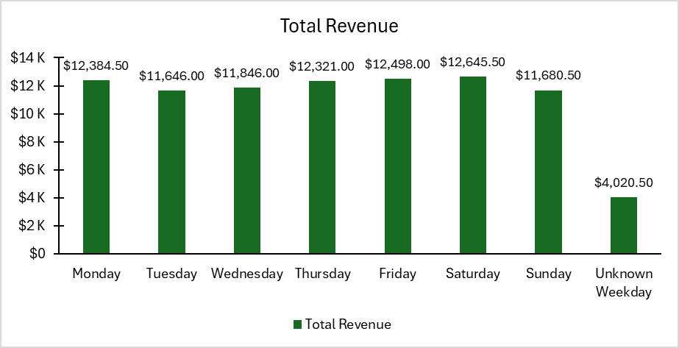
Visual Description:
The column chart shows the 9,974 completed sales in the year 2023. This column chart shows the total revenue made for each day of the week. This nearly looks pretty well distributed except for the Unknown_Weekday column.

Business Insights
Data Quality needs further improvement.
The café earned the most revenue on Saturday ,
Tuesdays and Sundays have earned the least amount of revenue but does not mean that the days are "slow".

 | Total Revenue
January | $7,518.50
February | $6,600.00
March | $7,458.00
April | $7,035.50
May | $6,998.50
June | $7,160.00
July | $6,823.50
August | $7,209.50
September | $7,226.50
October | $7,274.00
November | $6,905.00
December | $6,812.50
Visual Description:
This chart is a monthly time series dusplaying the total revenue per month. All non-missing dates are in this chart, dates that are missing have been excluded in this visual.

Business Insights
Demand isn’t really consistent
Weakest months at start & end of year – February ($6,000) and December ($6,100) show the lowest sales, possibly due to post-holiday slowdowns and year-end lulls.
No consistent growth trend, January starts very strong but has a very hard dive in sales in Feburary. Sales over the month fail to surpass the total revenue occurred in January

