Sheet1
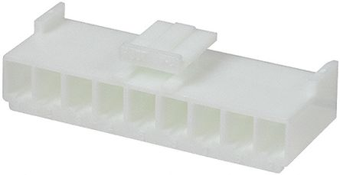
Ampera/Volt inverter CAN connector R3.1
Cable no. | Connector 2 pin | Function | Comments
1 | Separate connector | CAN H
2 |  | CAN L
Ampera/Volt inverter connector count R3.1
Cable no. | Connector 16 pin | Function | Comments
4 | 1 | Throttle Vcc | 5V throttle
5 | 2 | Cruise | to 12V cruise switch
6 | 3 | Throttle signal | Signal from throttle 0 - 5V
7 | 4 | Start | 12V signal from key/starter
8 | 5 | Regen signal | signal from regen pot 0 - 5V
9 | 6 | Brake Switch | 12V signal from brake switch
10 | 7 | Throttle GND | GND
12 | 8 | DC contactor | 12V output, connect contactor other wire to GND
13 | 9 | Forward direction | 12V signal enable forward
14 | 10 | Error LED | no comment | Connectors on main board
15 | 11 | Reverse direction | 12V signal enable reverse
16 | 12 | Voltage LED | no comment | 12V | GND | Start | CAN H | CAN L | PWM output function | Voltage LED | Error LED | Brake out | Precharge | DC contactor
17 | 13 | Emergency input | 12V signal that stops PWM if absent! |  |  |  |  |  |  |  |  | Allows signal of regen by lighting a rear brake lights Connect if applicable.
18 | 14 | PWM output function | PWM output that can drive RPM dial needle
19 | 15 | BMS input | 12V input from BMS
20 | 16 | Precharge | 12V output, connect relay other wire to GND |  |  | Throttle | Regen | Brake switch | Regen signal | BMS input | Reverse | Emergency | Forward | Mprot
Ampera/Volt inverter supply connector R3.1 |  |  |  |  |  |  |  |  |  |  |  |  |  | 12V signal to enable PWM (hardwired on the board)
Cable no. | Connector 2 pin | Function | Comments
Rd/bk | 1 | +12V | controler power supply 11V - 28Vdc
Ye/gr | 2 | GND | Controler ground

Lebowski control connector
Cable no. | Connector 5 pin | Function | Comments
 | 1 | AC reset | Reset controler pull to GND
 | 2 | AC setup | Put controler in setup mode, pull to GND
 | 3 | Throttle 5V | 5V throttle supply
 | 4 | AC throttle | Throttle signal
 | 5 | GND | ground reference
Lebowski CAN connector
Cable no. | Connector 2 pin | Function | Comments
 | 1 | CAN H | AC drive CAN link
 | 2 | CAN L | AC drive CAN link

