Sheet1
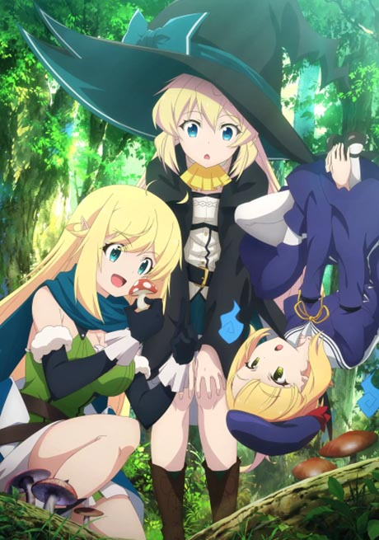


images/Slime-Taoshite-300-nen.jpg
images/Detective-Conan-Cover.jpg
images/Mairimashita-Iruma-kun-2nd-Season.jpg
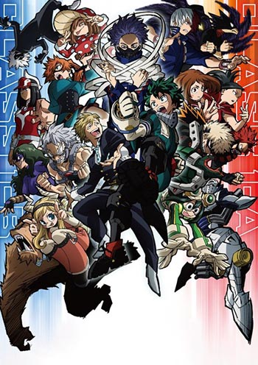
images/Boku-no-Hero-Academia-5th-Season.jpg
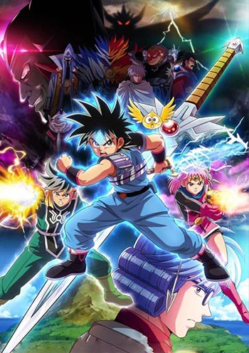
images/Dragon-Quest-Dai-no-Daibouken-2020.jpg

images/Cardfight-Vanguard-overDress.jpg
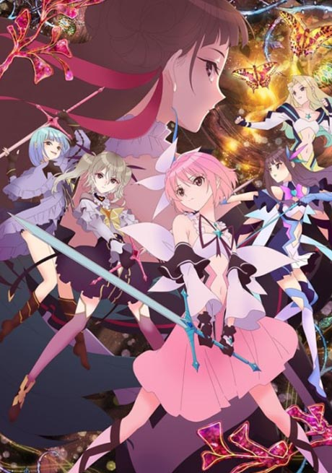
images/Blue-Reflection-Ray.jpg

images/One-Piece-Cover-New.jpg
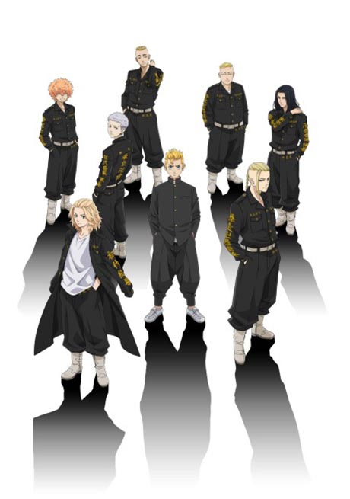
images/Tokyo-Revengers.jpg

images/Ijiranaide-Nagatoro-san.jpg
images/Boku-no-Hero-Academia-5th-Season.jpg
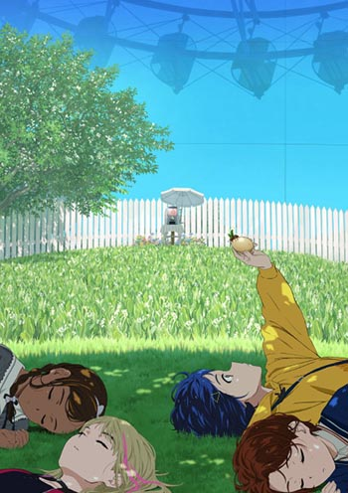
images/Wonder-Egg-Priority.jpg

images/Shironeko-Project-Zero-Chronicle.jpg

images/Jujutsu-Kaisen.jpg
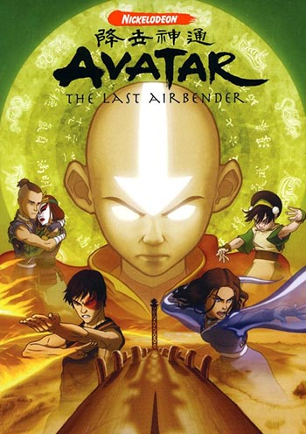
images/Avatar-The-Last-Airbender-Season-002.jpg

images/One-Piece-Romance-Dawn-Story-Cover.jpg
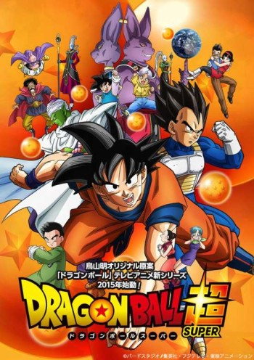
images/Dragon-Ball-Super.jpg

images/Higurashi-no-Naku-Koro-ni-2020.jpg

images/Strike-Witches-Road-to-Berlin.jpg

images/Zombieland-Saga-Revenge.jpg

images/Netoge-no-Yome-wa-Onnanoko-ja-Nai-to-Omotta-Cover.jpg
images/Slime-Taoshite-300-nen.jpg
images/Detective-Conan-Cover.jpg
images/Mairimashita-Iruma-kun-2nd-Season.jpg
images/One-Piece-Cover-New.jpg
images/Tokyo-Revengers.jpg
images/Ijiranaide-Nagatoro-san.jpg

images/Shinmai-Maou-no-Testament.jpg

images/Code-Breaker.jpg

images/Death-March-kara-Hajimaru-Isekai-Kyousoukyoku-Cover.jpg

