Tabelle1
 |  | 2022-04-22
ID | Description | Status
1 | create a flow (activity) diagram | work in rpogress and upate to final code version
2 | flask run as service in windows | ?
3 | option to connect two scales | 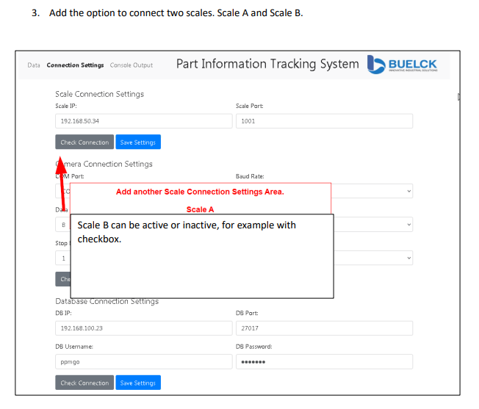
4 | Change the Data View | 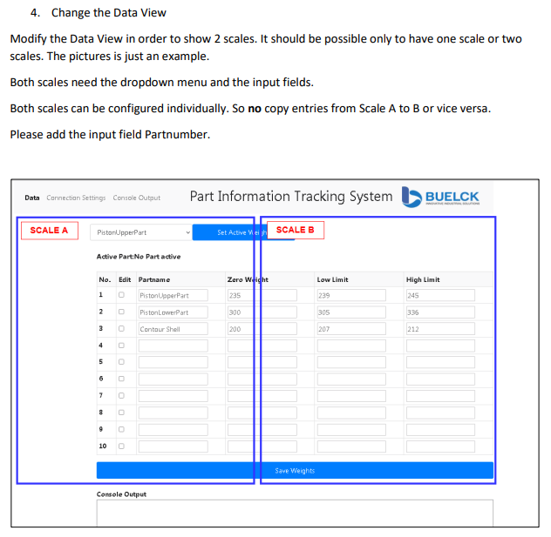
5 | Output console - Is this necessary to show on console? | done
6 | Log Window - Make log window easier to read | 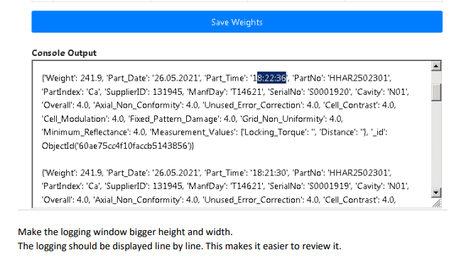
7 | Logging window 2 | 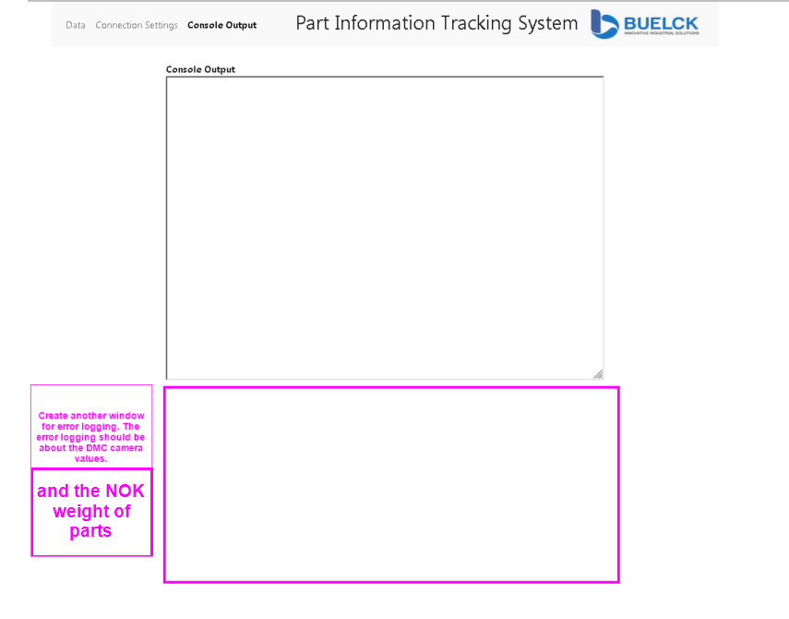
8 | Error log
9 | App should be able to save and handle more the 10 part properties. Add a function that the user is able to add more rows. | 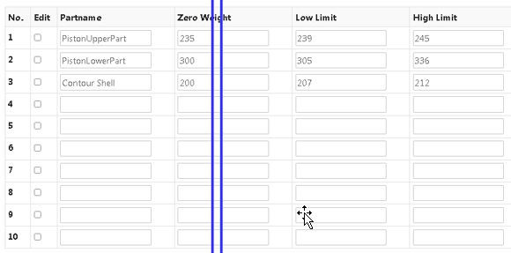
This topic needs to be checked again. 22.04.2022
10 | Add checkboxes for detailed part informations. | 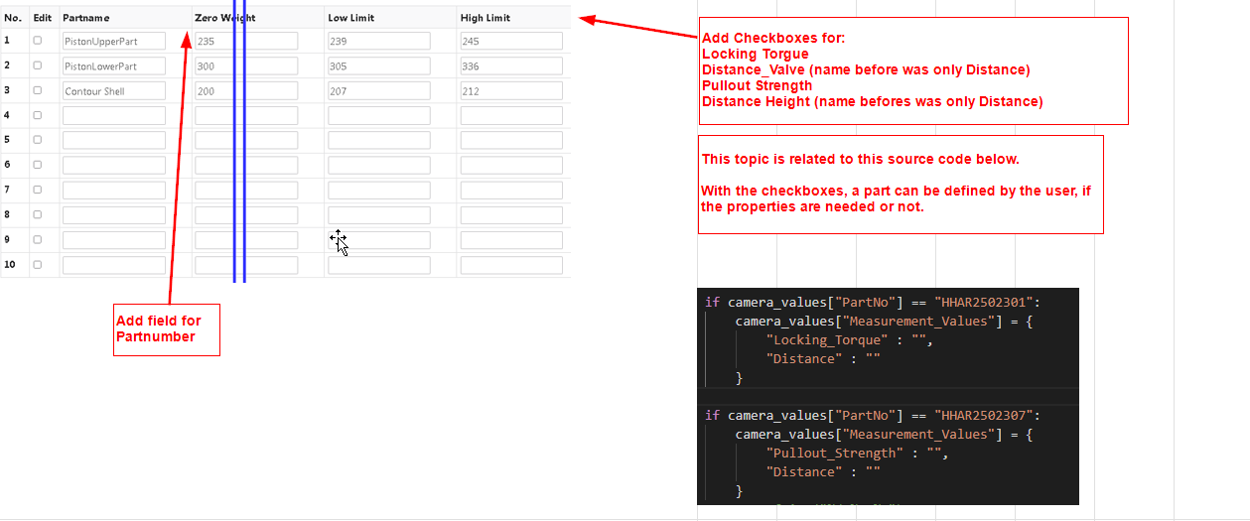
 | Drop down issue | 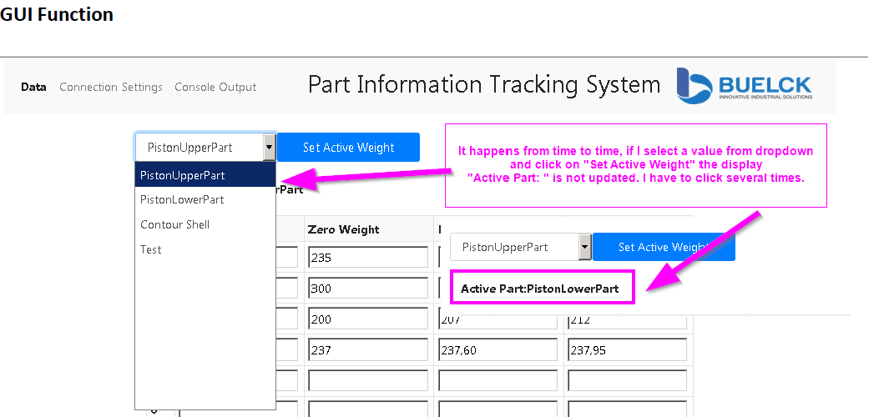
 | Frame
 | Check box safety | 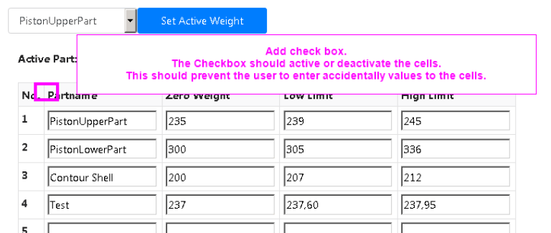
 | Check box settings | 