test 01
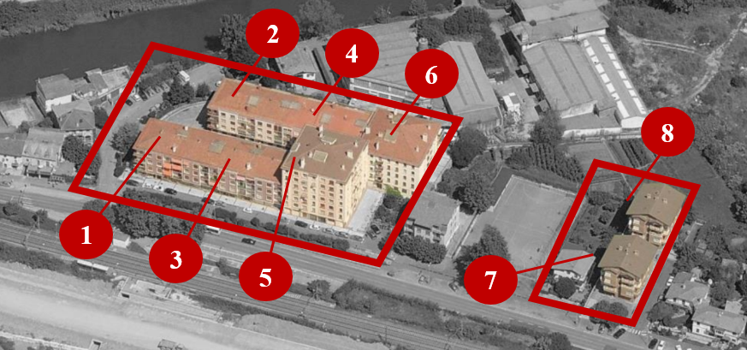
 | ID of the building | Type of building | ECMs code | Type of element | Number of elements |  |  |  |  |  |  |  |  |  |  | Total time application:
 |  |  |  |  |  | 1 | 2 | 3 | 4 | 5 | 6 | 7 | 8 | 9 | 10
1 | 6313 | A | PA.FA.EX.CS.03 | Wall | 132 | 99.1 | 102.2 | 99.1 | 97.0 | 103.9 | 95.9 | 98.2 | 96.7 | 102.3 | 98.3 | 99.11
 |  |  | PA.OP.DG.DE.03 | Window | 66 | 545.4 | 547.5 | 557.0 | 558.1 | 534.8 | 566.1 | 546.0 | 571.0 | 556.4 | 543.2 | 552.46
2 | 6315 | A | PA.FA.EX.CS.03 | Wall | 132 | 99.1 | 102.2 | 99.1 | 97.0 | 103.9 | 95.9 | 98.2 | 96.7 | 102.3 | 98.3 | 99.11
 |  |  | PA.OP.DG.DE.03 | Window | 66 | 545.4 | 547.5 | 557.0 | 558.1 | 534.8 | 566.1 | 546.0 | 571.0 | 556.4 | 543.2 | 552.46
3 | 6317 | B | PA.FA.EX.CS.03 | Wall | 131 | 92.1 | 99.0 | 98.9 | 98.2 | 96.2 | 97.8 | 99.3 | 105.2 | 97.5 | 100.0 | 98.36
 |  |  | PA.OP.DG.DE.03 | Window | 58 | 250.2 | 272.3 | 251.8 | 248.1 | 254.9 | 244.5 | 247.3 | 253.1 | 247.0 | 273.9 | 253.09
4 | 6319 | B | PA.FA.EX.CS.03 | Wall | 131 | 92.1 | 99.0 | 98.9 | 98.2 | 96.2 | 97.8 | 99.3 | 105.2 | 97.5 | 100.0 | 98.36
 |  |  | PA.OP.DG.DE.03 | Window | 58 | 250.2 | 272.3 | 251.8 | 248.1 | 254.9 | 244.5 | 247.3 | 253.1 | 247.0 | 273.9 | 253.09
5 | 6321 | C | PA.FA.EX.CS.03 | Wall | 207 | 89.2 | 93.1 | 88.2 | 86.4 | 82.0 | 89.5 | 84.2 | 83.1 | 89.8 | 87.6 | 87.25
 |  |  | PA.OP.DG.DE.03 | Window | 80 | 287.1 | 281.1 | 289.2 | 283.4 | 291.5 | 277.2 | 281.1 | 291.0 | 278.3 | 282.6 | 284.09
6 | 6323 | D | PA.FA.EX.CS.03 | Wall | 287 | 100.2 | 96.5 | 98.8 | 103.7 | 99.9 | 95.4 | 96.2 | 98.4 | 102.1 | 95.0 | 98.44
 |  |  | PA.OP.DG.DE.03 | Window | 120 | 357.2 | 356.5 | 356.3 | 357.1 | 359.6 | 355.0 | 356.0 | 358.9 | 375.1 | 357.8 | 357.43
7 | 6325 | E | PA.FA.EX.CS.03 | Wall | 91 | 58.7 | 68.2 | 61.0 | 63.1 | 59.9 | 58.1 | 64.8 | 61.5 | 60.0 | 62.6 | 61.45
 |  |  | PA.OP.DG.DE.03 | Window | 42 | 205.1 | 203.4 | 177.9 | 201.2 | 199.0 | 213.1 | 202.2 | 199.3 | 195.6 | 167.7 | 198.96
8 | 6327 | E | PA.FA.EX.CS.03 | Wall | 91 | 58.7 | 68.2 | 61.0 | 63.1 | 59.9 | 58.1 | 64.8 | 61.5 | 60.0 | 62.6 | 61.45
 |  |  | PA.OP.DG.DE.03 | Window | 42 | 205.1 | 203.4 | 177.9 | 201.2 | 199.0 | 213.1 | 202.2 | 199.3 | 195.6 | 167.7 | 198.96
 |  |  |  |  |  | 3334.9 | 3412.4 | 3323.9 | 3362.0 | 3330.4 | 3368.1 | 3333.1 | 3405.0 | 3362.9 | 3314.4 | 3354.71
 |  |  |  |  |  | 86139.2 | 87009.8 | 87009.8 | 89252.3 | 88913.8 | 89745.1 | 88489.3 | 86529.1 | 87458.6 | 88675.5 | 87922.25

test 03
Time (seconds)
Num. Scenarios | Time spent
10 | 806.48
20 | 1113.57
30 | 1218.95
40 | 1401.06
50 | 1513.15
60 | 1693.42
70 | 1947.72
80 | 2185.93
90 | 2457.72
100 | 2770.12

